GULD
Data Kapal
Data berdasarkan desain 1

Nama Kapal | MINYAK
Type of Ship | OIL TANKER
DWT | 17500 | ton
Kecepatan (Vs) | 13 | knot
Endurance | 11 | day

Perhitungan

B | 23.535 | m
H | 12.354 | m
T | 9.0537 | m
LPP | 139.85 | m
LWL | 145.444 | m
LDISP | 142.647 | m
 | 468.00198348 | ft
CB (δ) | 0.7759
CM (ẞ) | 0.989
CP (ϕ) | 0.785
SLR | 0.60092393916
Vdisp (▽) | 23583.523789 | m3
Wdisp (▲) | 24173.111883 | ton
LCB | 2.15%

Perhitungan Koefisien Gesek

$$Rn=\frac{v×Lwl}{vk}$$
1. Reynold Number
 |  |  | viskositas (vk) = | 0.000000893

Data V | Knot | m/s | Rn
Vs+1 | 14 | 7.196 | 1172021303.5
Vs | 13 | 6.682 | 1088305496.1
Vs-1 | 12 | 6.168 | 1004589688.7
Vs-2 | 11 | 5.654 | 920873881.3
Vs-3 | 10 | 5.14 | 837158073.91
Vs-4 | 9 | 4.626 | 753442266.52
Vs-5 | 8 | 4.112 | 669726459.13

$$Cf={\frac{0,075}{(\log{R}n−2)^{2}}}^{}$$
2. Koefisien Tahanan Gesek
 |  |  |  | ITTC 1957
 |  |  |  | Harvald, Tahanan dan Propulsi Kapal, hal 118

Data V | Knot | m/s | Rn | Cf
Vs+1 | 14 | 7.196 | 1172021303.5 | 0.00091190298362
Vs | 13 | 6.682 | 1088305496.1 | 0.00091841009523
Vs-1 | 12 | 6.168 | 1004589688.7 | 0.00092551686084
Vs-2 | 11 | 5.654 | 920873881.3 | 0.0009333363352
Vs-3 | 10 | 5.14 | 837158073.91 | 0.00094201586947
Vs-4 | 9 | 4.626 | 753442266.52 | 0.00095175229649
Vs-5 | 8 | 4.112 | 669726459.13 | 0.00096281646584

Perhitungan Koefisien Sisa

1. Froude Number
$$Fn=\frac{v}{\sqrt{gLwl}}$$

Data V | Knot | m/s | Fn
Vs+1 | 14 | 7.196 | 0.191
Vs | 13 | 6.682 | 0.177
Vs-1 | 12 | 6.168 | 0.163
Vs-2 | 11 | 5.654 | 0.150
Vs-3 | 10 | 5.14 | 0.136
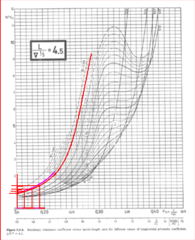
Vs-4 | 9 | 4.626 | 0.123
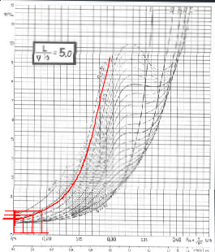
Vs-5 | 8 | 4.112 | 0.109

2. Calculate L / ▽1/3

$$\frac{L}{▽^{1/3}}$$
 |  | 4.5
 | = | 4.974236274
 |  | 5

3. Menentukan Cr dari Grafik L / ▽1/3

Data V | Knot | m/s | Fn | grafik 4.5 (10^3) | grafik 5.0 (10^3) | Cr1 10^3 | Cr1
Vs+1 | 14 | 7.196 | 0.191 | 1.359 | 1.179 | 1.1882749414 | 0.001188
Vs | 13 | 6.682 | 0.177 | 1.143 | 0.949 | 0.95899632569 | 0.000959
Vs-1 | 12 | 6.168 | 0.163 | 0.983 | 0.795 | 0.80468716098 | 0.000805
Vs-2 | 11 | 5.654 | 0.150 | 0.868 | 0.718 | 0.7257291178 | 0.000726
Vs-3 | 10 | 5.14 | 0.136 | 0.836 | 0.597 | 0.60931506103 | 0.000609
Vs-4 | 9 | 4.626 | 0.123 | 0.802 | 0.544 | 0.55729408262 | 0.000557

4. Koreksi Cr B/T

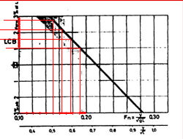
B/T = | 2.5994897114
0.16 ( $\frac{B}{T}$-2.5 )
Cr2 =
= | 0.015918353822

5. Koreksi LCB

LCB = | 2.15 | %
LCB/Lpp = | 2%

Data V | Knot | m/s | Fn | LCB Standar | ∆LCB
Vs+1 | 14 | 7.196 | 0.1906 | 1% | 0.005374
Vs | 13 | 6.682 | 0.1770 | 1.59% | 0.000526
Vs-1 | 12 | 6.168 | 0.1634 | 2.22% | 0.006776
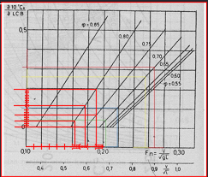
Vs-2 | 11 | 5.654 | 0.1498 | 2.80% | 0.012626
Vs-3 | 10 | 5.14 | 0.1361 | 3.52% | 0.019826
Vs-4 | 9 | 4.626 | 0.1225 | 3.74% | 0.022026
$$\frac{∂103Cr}{∂LCB }$$
Mencari Nilai Koef |  |  | dari grafik

 | 0.75
Cp = | 0.785
 | 0.8
$$\frac{∂103Cr}{∂LCB }$$
$$\frac{∂103Cr}{∂LCB }$$
$$\frac{∂103Cr}{∂LCB }$$
Data V | Knot | m/s | Fn | 0.75 |  | 0.8
Vs+1 | 14 | 7.196 | 0.191 | 0.062 | 0.159 | 0.200
Vs | 13 | 6.682 | 0.177 | 0.00 | 0.080 | 0.114
Vs-1 | 12 | 6.168 | 0.163 | 0.00 | 0.024 | 0.034
Vs-2 | 11 | 5.654 | 0.150 | 0.00 | 0.000 | 0.000
Vs-3 | 10 | 5.14 | 0.136 | 0.00 | 0.000 | 0.000
Vs-4 | 9 | 4.626 | 0.123 | 0.00 | 0.000 | 0.000

$$\frac{∂103Cr}{∂LCB }$$
Nilai Cr3
Data V | Knot | m/s | Fn |  | ∆LCB | Cr3
Vs+1 | 14 | 7.196 | 0.19060321061 | 0.159 | 0.005374 | 0.00085225527351
Vs | 13 | 6.682 | 0.17698869557 | 0.080 | 0.000526 | 4.2006E-05
Vs-1 | 12 | 6.168 | 0.16337418052 | 0.024 | 0.006776 | 0.00016127797283
Vs-2 | 11 | 5.654 | 0.14975966548 | 0.000 | 0.012626 | 0
Vs-3 | 10 | 5.14 | 0.13614515044 | 0.000 | 0.019826 | 0
Vs-4 | 9 | 4.626 | 0.12253063539 | 0.000 | 0.022026 | 0

Nilai Cr
Data V | Knot | m/s | Fn | 10^3 Cr1 | Cr2 | Cr3 | 10^3 Cr Real | Cr Real
Vs+1 | 14 | 7.196 | 0.19060321061 | 1.188 | 0.015918 | 0.00085225527351 | 1.205 | 0.0012050455505
Vs | 13 | 6.682 | 0.17698869557 | 0.959 | 0.015918 | 4.2005555953E-05 | 0.975 | 0.00097495668507
Vs-1 | 12 | 6.168 | 0.16337418052 | 0.805 | 0.015918 | 0.00016127797283 | 0.821 | 0.00082076679278
Vs-2 | 11 | 5.654 | 0.14975966548 | 0.726 | 0.015918 | 0 | 0.742 | 0.00074164747163
Vs-3 | 10 | 5.14 | 0.13614515044 | 0.609 | 0.015918 | 0 | 0.625 | 0.00062523341486
Vs-4 | 9 | 4.626 | 0.12253063539 | 0.557 | 0.015918 | 0 | 0.573 | 0.00057321243645

6. Tahanan Tambahan

.Harvard "tahanan dan propulsi kapal " hal.132
L | 10^3 CA | CA
100 | 0.4 | 0.0004
145.444 | 0.218224 | 0.000218224
150 | 0.2 | 0.0002

7. Tahanan Udara

.Halvard "tahanan dan propulsi kapal " hal.132
Caa = | 0.00007

8. Tahanan Kemudi

(HAlVALD 5.5.26 hal 132)
Cas = | 0.00004

Resistance Total Calculation

1. Koef Total

Koef Total Air
Ct air = Cf + Cr + CA + Cas

Data V | Knot | Cf | Cr | CA | Cas | Ct water
Vs+1 | 14 | 0.00091190298362 | 0.0012050455505 | 0.000218224 | 0.00004 | 0.00238
Vs | 13 | 0.00091841009523 | 0.00097495668507 | 0.000218224 | 0.00004 | 0.00215
Vs-1 | 12 | 0.00092551686084 | 0.00082076679278 | 0.000218224 | 0.00004 | 0.00200
Vs-2 | 11 | 0.0009333363352 | 0.00074164747163 | 0.000218224 | 0.00004 | 0.00193
Vs-3 | 10 | 0.00094201586947 | 0.00062523341486 | 0.000218224 | 0.00004 | 0.00183
Vs-4 | 9 | 0.00095175229649 | 0.00057321243645 | 0.000218224 | 0.00004 | 0.00178
Vs-5 | 8 | 0.00096281646584 | 0 | 0.000218224 | 0.00004 | 0.00122

2. Menghitung tahanan Air (water)

Luas Permukaan Basah
S = | 1.025 x Lwl x (( ẟ x B ) + ( 1.7 x T ))
= | 5016.8579114 | m2

$$Rt=\frac{1}{2}×ρ×Ctair×S×V^{2}$$
Tahanan Air

Data V | V (Knot) | V (m/s) | Ct Air | Rt Air (kN)
Vs+1 | 14 | 7.19600 | 0.00238 | 316.23005431 |  | 0.00238
Vs | 13 | 6.68200 | 0.00215 | 247.00075911 |  | 0.00215
Vs-1 | 12 | 6.16800 | 0.00200 | 196.07495303 |  | 0.00200
Vs-2 | 11 | 5.65400 | 0.00193 | 158.89704448 |  | 0.00193
Vs-3 | 10 | 5.14000 | 0.00183 | 124.00162892 |  | 0.00183
Vs-4 | 9 | 4.62600 | 0.00178 | 98.114735862 |  | 0.00178
Vs-5 | 8 | 4.11200 | 0.00122 | 53.083792101 |  | 0.00122

Perhitungan Tahanan Udara

S = | 0.5*B^2
= | 276.9481125 | m2

$$Rt=\frac{1}{2}×ρ×Cudara×S×V^{2}$$
Tahanan Udara

Data V | V (Knot) | V (m/s) | Ct udara | Rt Udara (kN) |  |  | 1000 |  | 0.0012 | 1000
Vs+1 | 14 | 7.196 | 0.00007 | 0.00060232377962
Vs | 13 | 6.682 | 0.00007 | 0.0005193506059
Vs-1 | 12 | 6.168 | 0.00007 | 0.00044252359319
Vs-2 | 11 | 5.654 | 0.00007 | 0.0003718427415
Vs-3 | 10 | 5.14 | 0.00007 | 0.00030730805083
Vs-4 | 9 | 4.626 | 0.00007 | 0.00024891952117
Vs-5 | 8 | 4.112 | 0.00007 | 0.00019667715253

Tahanan Total
RT COMPARISON
 | GULD |  | HOLTROP |  | MAXSURF
14 | 316.23065663 | 17 | 570.48429475 | 8 | 106.3
13 | 247.00127846 | 16 | 458.00549416 | 8.15 | 110.1
12 | 196.07539555 | 15 | 368.79070874 | 8.3 | 114
11 | 158.89741633 | 14 | 309.9239116 | 8.45 | 118
10 | 124.00193622 | 13 | 255.27710142 | 8.6 | 122.1
9 | 98.114984781 | 12 | 212.96605094 | 8.75 | 126.2
8 | 53.083988778 | 11 | 177.10754308 | 8.9 | 130.4
 |  |  |  | 9.05 | 134.8
 |  |  |  | 9.2 | 139.1
 |  |  |  | 9.35 | 143.6
 |  |  |  | 9.5 | 148.2
 |  |  |  | 9.65 | 152.9
 |  |  |  | 9.8 | 157.6
 |  |  |  | 9.95 | 162.5
 |  |  |  | 10.1 | 167.5
 |  |  |  | 10.25 | 172.6
 |  |  |  | 10.4 | 177.8
 |  |  |  | 10.55 | 183.2
 |  |  |  | 10.7 | 188.7
 |  |  |  | 10.85 | 194.4
 |  |  |  | 11 | 200.2
 |  |  |  | 11.15 | 206.1
 |  |  |  | 11.3 | 212.3
 |  |  |  | 11.45 | 218.6
 |  |  |  | 11.6 | 225.1
 |  |  |  | 11.75 | 231.8
 |  |  |  | 11.9 | 238.7
 |  |  |  | 12.05 | 245.8
 |  |  |  | 12.2 | 253.2
 |  |  |  | 12.35 | 260.8
 |  |  |  | 12.5 | 268.6
 |  |  |  | 12.65 | 276.8
 |  |  |  | 12.8 | 285.2
 |  |  |  | 12.95 | 293.9
 |  |  |  | 13 | 296.9
 |  |  |  | 13.1 | 302.9
 |  |  |  | 13.25 | 312.3
 |  |  |  | 13.4 | 322
 |  |  |  | 13.55 | 332
 |  |  |  | 13.7 | 342.4
 |  |  |  | 13.85 | 353.2
 |  |  |  | 14 | 364.4
Data V | V (Knot) | V (m/s) | Rt Air | Rt Udara | Rtotal (kN) | Rt + Margin
Vs+1 | 14 | 7.196 | 316.23005431 | 0.00060232377962 | 316.23065663 | 379.47678796
Vs | 13 | 6.682 | 247.00075911 | 0.0005193506059 | 247.00127846 | 296.40153415
Vs-1 | 12 | 6.168 | 196.07495303 | 0.00044252359319 | 196.07539555 | 235.29047466
Vs-2 | 11 | 5.654 | 158.89704448 | 0.0003718427415 | 158.89741633 | 190.67689959
Vs-3 | 10 | 5.14 | 124.00162892 | 0.00030730805083 | 124.00193622 | 148.80232347
Vs-4 | 9 | 4.626 | 98.114735862 | 0.00024891952117 | 98.114984781 | 117.73798174
Vs-5 | 8 | 4.112 | 53.083792101 | 0.00019667715253 | 53.083988778 | 63.700786534

MAXSURF
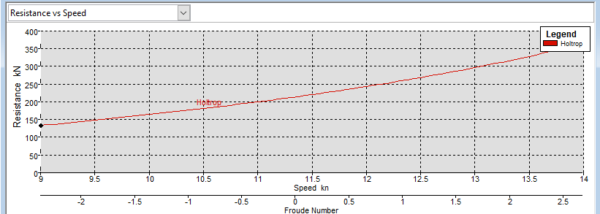
MAXSURF RT

V (Knot) | Fn Lwl | Fn Vol | RT (kN) | RT Margin (kN)
8 | 0.109 | 0.246 | 106.3 | 127.56
8.15 | 0.111 | 0.251 | 110.1 | 132.12
8.3 | 0.113 | 0.255 | 114 | 136.8
8.45 | 0.115 | 0.26 | 118 | 141.6
8.6 | 0.118 | 0.264 | 122.1 | 146.52
8.75 | 0.12 | 0.269 | 126.2 | 151.44
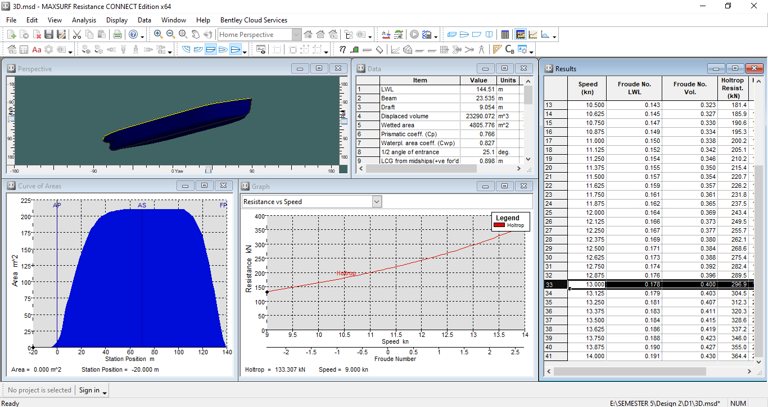
8.9 | 0.122 | 0.274 | 130.4 | 156.48
9.05 | 0.124 | 0.278 | 134.8 | 161.76
9.2 | 0.126 | 0.283 | 139.1 | 166.92
9.35 | 0.128 | 0.287 | 143.6 | 172.32
9.5 | 0.13 | 0.292 | 148.2 | 177.84
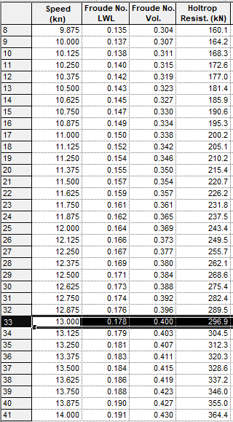
9.65 | 0.132 | 0.297 | 152.9 | 183.48
9.8 | 0.134 | 0.301 | 157.6 | 189.12
9.95 | 0.136 | 0.306 | 162.5 | 195
10.1 | 0.138 | 0.31 | 167.5 | 201
10.25 | 0.14 | 0.315 | 172.6 | 207.12
10.4 | 0.142 | 0.32 | 177.8 | 213.36
10.55 | 0.144 | 0.324 | 183.2 | 219.84
10.7 | 0.146 | 0.329 | 188.7 | 226.44
10.85 | 0.148 | 0.334 | 194.4 | 233.28
11 | 0.15 | 0.338 | 200.2 | 240.24
11.15 | 0.152 | 0.343 | 206.1 | 247.32
11.3 | 0.154 | 0.347 | 212.3 | 254.76
11.45 | 0.156 | 0.352 | 218.6 | 262.32
11.6 | 0.159 | 0.357 | 225.1 | 270.12
11.75 | 0.161 | 0.361 | 231.8 | 278.16
RT COMPARISON
 | GULD |  | HOLTROP |  | MAXSURF
14 | 316.23065663 | 17 | 570.48429475 | 8 | 106.3
13 | 247.00127846 | 16 | 458.00549416 | 8.15 | 110.1
12 | 196.07539555 | 15 | 368.79070874 | 8.3 | 114
11 | 158.89741633 | 14 | 309.9239116 | 8.45 | 118
10 | 124.00193622 | 13 | 255.27710142 | 8.6 | 122.1
9 | 98.114984781 | 12 | 212.96605094 | 8.75 | 126.2
8 | 53.083988778 | 11 | 177.10754308 | 8.9 | 130.4
 |  |  |  | 9.05 | 134.8
 |  |  |  | 9.2 | 139.1
 |  |  |  | 9.35 | 143.6
 |  |  |  | 9.5 | 148.2
 |  |  |  | 9.65 | 152.9
 |  |  |  | 9.8 | 157.6
 |  |  |  | 9.95 | 162.5
 |  |  |  | 10.1 | 167.5
 |  |  |  | 10.25 | 172.6
 |  |  |  | 10.4 | 177.8
 |  |  |  | 10.55 | 183.2
 |  |  |  | 10.7 | 188.7
 |  |  |  | 10.85 | 194.4
 |  |  |  | 11 | 200.2
 |  |  |  | 11.15 | 206.1
 |  |  |  | 11.3 | 212.3
 |  |  |  | 11.45 | 218.6
 |  |  |  | 11.6 | 225.1
 |  |  |  | 11.75 | 231.8
 |  |  |  | 11.9 | 238.7
 |  |  |  | 12.05 | 245.8
 |  |  |  | 12.2 | 253.2
 |  |  |  | 12.35 | 260.8
 |  |  |  | 12.5 | 268.6
 |  |  |  | 12.65 | 276.8
 |  |  |  | 12.8 | 285.2
 |  |  |  | 12.95 | 293.9
 |  |  |  | 13 | 296.9
 |  |  |  | 13.1 | 302.9
 |  |  |  | 13.25 | 312.3
 |  |  |  | 13.4 | 322
 |  |  |  | 13.55 | 332
 |  |  |  | 13.7 | 342.4
 |  |  |  | 13.85 | 353.2
 |  |  |  | 14 | 364.4
11.9 | 0.163 | 0.366 | 238.7 | 286.44
12.05 | 0.165 | 0.37 | 245.8 | 294.96
12.2 | 0.167 | 0.375 | 253.2 | 303.84
12.35 | 0.169 | 0.38 | 260.8 | 312.96
12.5 | 0.171 | 0.384 | 268.6 | 322.32
12.65 | 0.173 | 0.389 | 276.8 | 332.16
12.8 | 0.175 | 0.393 | 285.2 | 342.24
12.95 | 0.177 | 0.398 | 293.9 | 352.68
13 | 0.178 | 0.4 | 296.9 | 356.28
13.1 | 0.179 | 0.403 | 302.9 | 363.48
13.25 | 0.181 | 0.407 | 312.3 | 374.76
13.4 | 0.183 | 0.412 | 322 | 386.4
13.55 | 0.185 | 0.417 | 332 | 398.4
13.7 | 0.187 | 0.421 | 342.4 | 410.88
13.85 | 0.189 | 0.426 | 353.2 | 423.84
14 | 0.191 | 0.43 | 364.4 | 437.28

BHP
Propulsion power required prediction
 |  | HOLTROP |  |  |  |  |  |  |  |  | MAXSURF
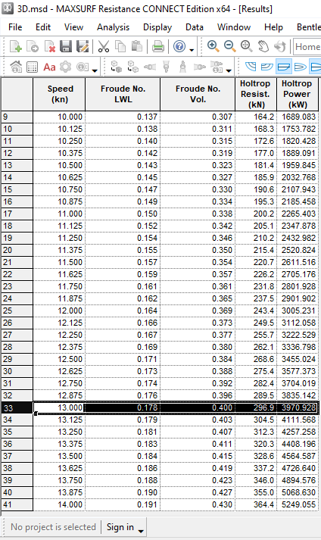
1. Effective Horse Power |  |  |  |  |  |  |  |  | 1. Effective Horse Power |  |  |  |  |  |  |  |  |  |  |  |  | 1 km = | 1.852 | Nautical Mile
The power that would have to use to tow the ship without propulsive system |  |  |  |  |  |  |  |  | The power we would have to use to tow the ship without propulsive system |  |  |  |  |  |  |  |  |  |  |  |  | 1 m = | 3.28084 | feet
Rt Vs = | 549.606593 | KN | HOLTROP |  |  |  |  |  | Rt Vs = | 356.28 | KN | MAXSURF |  |  |  |  |  |  |  |  |  | 1 Knots = | 0.514 | m/s
Vs = | 13 | knot |  |  |  |  |  |  | Vs = | 13 | knot |  |  |  |  |  |  |  |  |  |  | 1 HP = | 0.7355 | kW
 | 6.6877777778 | m/s |  |  |  |  |  |  |  | 6.6877777778 | m/s |  |  |  |  |  |  |  |  |  |  | 1 kW = | 1.34048 | HP
 |  |  |  |  |  |  |  |  |  |  |  |  |  |  |  |  |  |  |  |  |  | 1 m3 = | 1000 | Liters |  | 264,172 | US Gallons
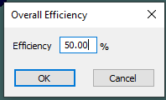
 | EHP = | Rt Vs x Vs |  |  |  |  |  |  |  | EHP = | Rt Vs x Vs
 | EHP = | 3675.646759 | KW |  |  |  |  |  |  | EHP = | 2382.72147 | KW
 | EHP = | 4927.1309677 | HP |  |  |  |  |  |  | EHP = | 3193.9904716 | HP

2. Delivery Horse Power |  |  |  |  |  |  |  |  | 2. Delivery Horse Power
Power that is absorbed by Propeller from shafting system or the power that is delivered from shafting system to the propeller to be changed into Thrust power. |  |  |  |  |  |  |  |  | Power that is absorbed by Propeller from shafting system or the power that is delivered from shafting system to the propeller to be changed into Thrust power.

 | DHP = | EHP/Pc |  |  | Where, Pc is propulsive coefficient |  |  |  |  | DHP = | EHP/Pc |  |  | Where, Pc is propulsive coefficient
 |  |  |  |  | Pc = ηH x ηrr x ηo |  |  |  |  |  |  |  |  | Pc = ηH x ηrr x ηo
a. hull efficiency ( ηH ) |  |  |  |  |  |  |  |  | a. hull efficiency ( ηH )
 | ηH = | (1-t)/(1-w) |  | t = | thrust deduction fraction |  |  |  |  | ηH = | (1-t)/(1-w) |  | t = | thrust deduction fraction
 |  |  |  | w = | wake fraction |  |  |  |  |  |  |  | w = | wake fraction
(1). | Calculating Wake Friction (w) |  |  |  |  |  |  |  | (1). | Calculating Wake Friction (w)
 | Wake friction atau arus ikut merupakan perbandingan antara kecepatan kapal dengan kecepatan air yang menuju ke propeller. The value of wake fraction is based on the Taylor Experiment, these are the result: |  |  |  |  |  |  |  |  | Wake friction atau arus ikut merupakan perbandingan antara kecepatan kapal dengan kecepatan air yang menuju ke propeller. The value of wake fraction is based on the Taylor Experiment, these are the result:

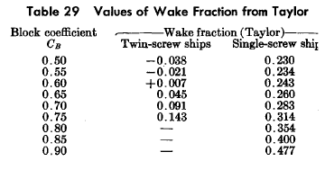
 |  |  |  | So, in order to find the value of w of a ship with Cb used, we must interpolate it: |  |  |  |  |  |  |  |  | So, in order to find the value of w of a ship with Cb used, we must interpolate it:

 |  |  |  |  | Cb | w |  |  |  |  |  |  |  | Cb | w
 |  |  |  |  | 0.75 | 0.314 |  |  |  |  |  |  |  | 0.75 | 0.314
 |  |  |  |  | 0.7759 | x |  |  |  |  |  |  |  | 0.7759 | x
 |  |  |  |  | 0.8 | 0.354 |  |  |  |  |  |  |  | 0.8 | 0.354
 |  |  |  |  | 0.7759 - 0.75 | = | w - 0.314 |  |  |  |  |  |  | 0.7759 - 0.75 | = | w - 0.314
 |  |  |  |  | 0.8-0,75 |  | 0.354-0,314 |  |  |  |  |  |  | 0.8-0,75 |  | 0.354-0,314
 |  |  |  |  | 0.0259 | = | w - 0.314 |  |  |  |  |  |  | 0.0259 | = | w - 0.314
 |  |  |  |  | 0.05 | = | 0.04 |  |  |  |  |  |  | 0.05 | = | 0.04
 | (Principal of Naval Architecture Vol. 2, Pg.158 ) |  |  |  |  | Cb = | 0.7759 |  |  | (Principal of Naval Architecture Vol. 2, Pg.158 ) |  |  |  |  | Cb = | 0.7759
 |  |  |  |  |  | w = | 0.334720 |  |  |  |  |  |  |  | w = | 0.33472

(2). | Calclating Thrust Deduction Factor (t) |  |  |  |  |  |  |  | (2). | Calclating Thrust Deduction Factor (t)
 | Nilai t dapat dicari dari nilai w yang telah diketahui yaitu : |  |  |  |  |  |  |  |  | Nilai t dapat dicari dari nilai w yang telah diketahui yaitu :
 |  |  |  | for a ship with single rudder plate |  |  |  |  |  |  |  |  | for a ship with single rudder plate
 | t = | k.w |  | Value k among 0.7 ~ 0.9 and taken k = |  |  |  | 0.7 |  | t = | k.w |  | Value k between 0.7 ~ 0.9 and taken |  |  | k = | 0.7
 | = | 0.234304 |  | (Principal of Naval Architecture Vol. 2, Pg.159 ) |  |  |  |  |  | = | 0.234304 |  | (Principal of Naval Architecture Vol. 2, Pg.158 )

 | ηH = | (1-t)/(1-w) |  |  |  |  |  |  |  | ηH = | (1-t)/(1-w)
 | = | 1.15094 |  |  |  |  |  |  |  | = | 1.15094

b. Efisiensi Relatif Rotatif (ηrr) |  |  |  |  |  |  |  |  | b. Efisiensi Relatif Rotatif (ηrr)
Harga ηrr untuk kapal dengan propeller tipe single screw berkisar 1.0-1.1. (Principal of Naval Architecture Vol. 2, Pg. 152 ) pada perencanaan propeller dan tabung poros propeller ini diambil harga : |  |  |  |  |  |  |  |  | Harga ηrr untuk kapal dengan propeller tipe single screw berkisar 1.0-1.1. (Principal of Naval Architecture Vol. 2, Pg. 152 ) pada perencanaan propeller dan tabung poros propeller ini diambil harga :

ηrr = | 1.05 |  |  |  |  |  |  |  | ηrr = | 1.05

c. Efisiensi Propulsi (ηo) |  |  |  |  |  |  |  |  | c. Efisiensi Propulsi (ηo)
Adalah open water efficiency yaitu efficiency dari propeller pada saat dilakukan open water test. Nilainya antara 40-70%, dan diambil : |  |  |  |  |  |  |  |  | Adalah open water efficiency yaitu efficiency dari propeller pada saat dilakukan open water test. Nilainya antara 40-70%, dan diambil :

ηo= | 55.00% |  |  |  |  |  |  |  | ηo= | 50.00%

d. Coeffisien Propulsif (Pc) |  |  |  |  |  |  |  |  | d. Coeffisien Propulsif (Pc)
Pc = | ηH x ηrr x ηo |  |  |  |  |  |  |  | Pc = | ηH x ηrr x ηo
= | 66.47% |  |  |  |  |  |  |  | = | 60.42%

e. Delivery Horse Power |  |  |  |  |  |  |  |  | e. Delivery Horse Power
Maka daya pada tabung poros baling-baling dihitung dari perbandingan antara daya efektif dengan koefisien propulsif yaitu : |  |  |  |  |  |  |  |  | Maka daya pada tabung poros baling-baling dihitung dari perbandingan antara daya efektif dengan koefisien propulsif yaitu :

DHP = | EHP/Pc |  |  |  |  |  |  |  | DHP = | EHP/Pc
= | 5530.06 | KW |  |  |  |  |  |  | = | 3943.32 | KW
= | 7412.9352574 | HP |  |  |  |  |  |  | = | 5285.9421045 | HP

3. Shaft Horse Power |  |  |  |  |  |  |  |  | 3. Shaft Horse Power
Shaft horse power is the power that is absorbed by shaft from main engine aft of the gearing and thrust block and delivered to propeller. and have relation to the Delivery Horse Power as: |  |  |  |  |  |  |  |  | Shaft horse power is the power that is absorbed by shaft from main engine aft of the gearing and thrust block and delivered to propeller. and have relation to the Delivery Horse Power as:

SHP = | DHP/ηsηb | where | ηs = | shaft efficiency |  |  |  |  | SHP = | DHP/ηsηb | where | ηs = | shaft efficiency
 |  |  | ηb = | bearing efficiency |  |  |  |  |  |  |  | ηb = | bearing efficiency
For the ship that have engine room located in aft, the shaft transmission losses will be 2%. Then, For the ship that have engine room located in amidship , the shaft transmission losses will be 3%.(“Principal of Naval Architecture Vol. 2, Pg.131”). In this design, the ship engine room located in the aft of the ship. so, the shaft transmission losses is 2% |  |  |  |  |  |  |  |  | For the ship that have engine room located in aft, the shaft transmission losses will be 2%. Then, For the ship that have engine room located in amidship , the shaft transmission losses will be 3%.(“Principal of Naval Architecture Vol. 2, Pg.131”). In this design, the ship engine room located in the aft of the ship. so, the shaft transmission losses is 2%

so, the shaft efficiency is, |  | 98% | and the bearing is still not applied for now. |  |  |  |  |  | so, the shaft efficiency is, |  | 98% | and the bearing is still not applied for now.
SHP = | 5642.9186936 | kW |  |  |  |  |  |  | SHP = | 4023.7963073 | kW
= | 7564.2196504 | HP |  |  |  |  |  |  | = | 5393.818474 | HP

3. calculating the required main Brake Horse Power |  |  |  |  |  |  |  |  | 3. calculating the required main Brake Horse Power
a.BHP scr |  |  |  |  |  |  |  |  | a.BHP scr
Brake Horse Power at Service cruise is the power that engine generate in service condition, and delivered to gearbox system (if used) and then deliverd to propulsion by transmission or shafting system. |  |  |  |  |  |  |  |  | Brake Horse Power at Service cruise is the power that engine generate in service condition, and delivered to gearbox system (if used) and then deliverd to propulsion by transmission or shafting system.

BHPscr = | SHP / Gearbox efficiency |  |  |  |  |  |  |  | BHPscr = | SHP / Gearbox efficiency
This project is using gearbox predicted with loss 2%, so, ηG = 0,98 |  |  |  |  |  |  |  |  | This project is using gearbox predicted with loss 2%, so, ηG = 0,98

BHPscr = | 5758.08 | kW |  |  |  |  |  |  | BHPscr = | 4105.91 | kW
= | 7718.59 | HP |  |  |  |  |  |  | = | 5393.82 | HP

b. BHP mcr TARGET |  |  |  |  |  |  |  |  | b. BHP mcr
Brake Horse Power at maximum continous rating is theMaximum power that engine can generate. the value is BHP Service plus engine margin that is 15%-20% of Service BHP. If the BHP scr has been included Sea margin, engine margin is used depend on the total margin target and depen on the engine that is choosen . |  |  |  |  |  |  |  |  | Brake Horse Power at maximum continous rating is theMaximum power that engine can generate. the value is BHP Service plus engine margin that is 15%-20% of Service BHP. If the BHP scr has been included Sea margin, engine margin is used depend on the total margin target and depen on the engine that is choosen .

 |  | Engine margin commonly used |  |  |  |  |  |  |  |  | Engine margin commonly used
 | %BHPscr | 100% |  |  |  |  |  |  |  | %BHPscr | 100%
BHP mcr = | BHP scr / engine margin |  |  |  |  |  |  |  | BHP mcr = | BHP scr / engine margin
= | 5758.0802996 | KW |  |  |  |  |  |  | = | 4105.9145993 | KW
= | 7718.59148 | HP |  |  |  |  |  |  | = | 5393.818474 | HP

 | rps | 2.10
BHP mcr Maxsurf > BHP mcr Holtrop
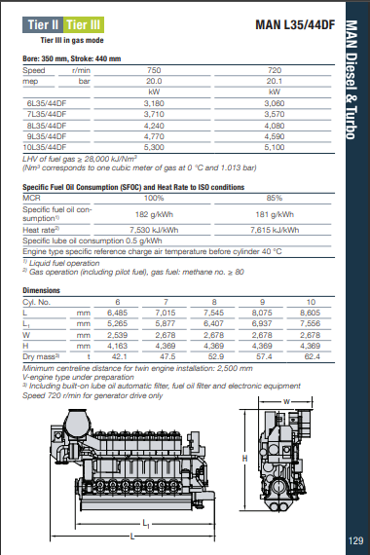
Main Engine & Gear Box

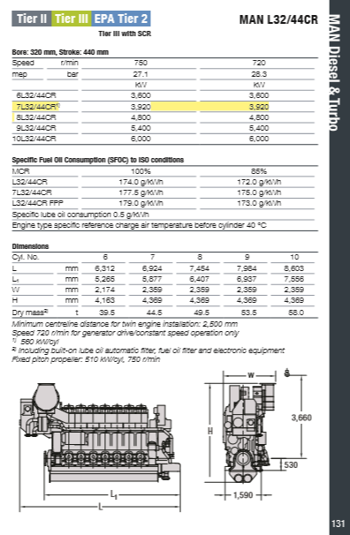
 |  |  |  |  |  |  |  |  |  |  |  |  |  |  |  |  | Gear box
 | General |  |  |  |  |  |  |  |  |  |  |  |  |  |  |  | Type |  | ZF W83100 NR - C Duty
 | Maker | MAN BW |  |  |  |  |  |  |  |  |  |  |  |  |  |  | Reducing Ratio |  | 4.818
 | Type | L32/44CR |  |  |  |  |  |  |  |  |  |  |  |  |  |  | Max power/rpm |  | 7.6586 | kW/rpm
 | Stroke | 4 |  |  |  |  |  |  |  |  |  |  |  |  |  |  | Weight |  | 16600 | kg
 | NO. Cylinder | 7 |  |  |  |  |  |  |  |  |  |  |  |  |  |  | Max RPM |  | 750 | rpm
 | Length of Stroke | 440 | mm |  |  |  |  |  |  |  |  |  |  |  |  |  | Output RPM |  | 156 | rpm
 | Bore | 320 | mm
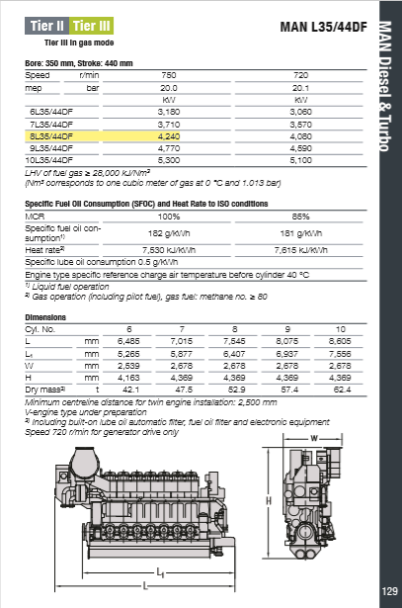
 | Power | 3920 | kW
 | RPM | 720 | r/min
 | MEP | 28.3 | bar
 | SFOC | 177.5 | g/kWh
 | Weight | 44.5 | Ton |  |  |  |  |  |  |  |  |  |  |  |  |  |  |  |  |  |  |  |  |  |  |  |  | BHP | 4240 | kW
 | Dimensi |  |  |  |  |  |  |  |  |  |  |  |  |  |  |  |  |  |  |  |  |  |  |  |  |  |  | SHP | 4155.2 | kW
 | Length | 6.924 | m |  |  |  |  |  |  |  |  |  |  |  |  |  |  |  |  |  |  |  |  |  |  |  |  | DHP | 4072.096 | kW
 | Width | 2.359 | m |  |  |  |  |  |  |  |  |  |  |  |  |  |  |  |  |  |  |  |  |  |  |  |  | EHP | 3675.646759 | kW
 | Height | 4.369 | m |  |  |  |  |  |  |  |  |  |  |  |  |  |  | ∛(BHPscr x (RPMmesin^3)/DAYAmesin) |  |  |  |  |  |  |  |  |  | PC | 0.90264246206
 |  |  |  |  |  |  |  |  |  |  |  |  |  |  |  |  |  |  |  |  |  |  |  |  |  |  |  | no | 74.69%
 |  |  |  |  |  |  |  |  |  |  |  |  |  |  |  | 731.20717583
 | BHP | 3920 | kW
 | SHP | 3841.6 | kW
 | DHP | 3764.768 | kW
 | EHP | 3675.646759 | kW
 | PC | 0.976327561
 | no | 80.79%

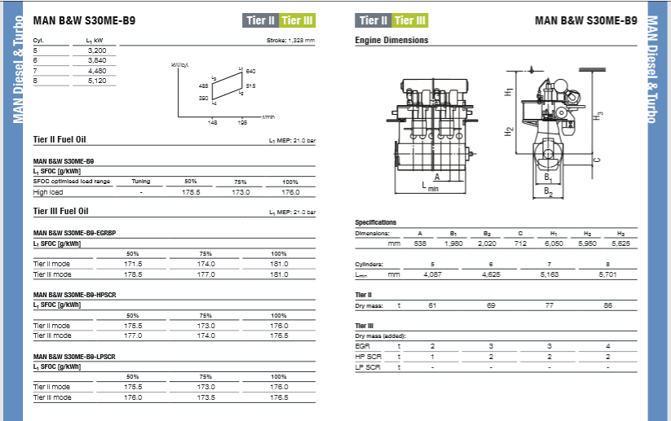

 | General |  |  |  |  |  |  |  |  |  |  |  |  |  |  |  | Gear box
 | Maker | MAN B&W |  |  |  |  |  |  |  |  |  |  |  |  |  |  | NO NEED
 | Type | S30ME-B9
 | Stroke | 2
 | No. Cylinder | 6
 | Length of Stroke | 1328 | mm
 | Bore | 538 | mm
 | Power | 3840 | kW
 | RPM | 195 | r/min
 | MEP | 21 | bar
 | SFOC | 176 | g/kWh
 | Weight | 74 | Ton
 | Dimensi
 | Length | 4.625 | m
 | Width | 2.02 | m
 | Height | 6.05 | m

 | BHP | 3840 | kW
 | SHP | 3763.2 | kW
 | DHP | 3687.936 | kW
 | EHP | 3675.646759 | kW
 | PC | 0.99666771852
 | no | 82.47%

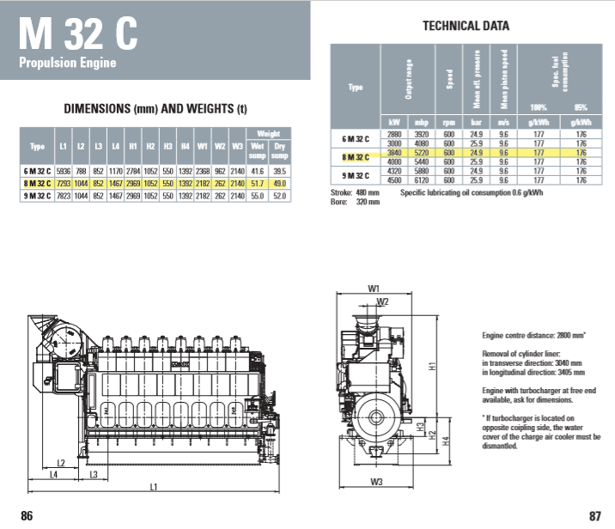
 |  |  |  |  |  |  |  |  |  |  |  |  |  |  |  |  |  |  |  | Gear box
 |  |  |  |  |  |  |  |  |  |  |  |  |  |  |  |  |  |  |  | Type | ZF W83100 NR - C Duty
 | General |  |  |  |  |  |  |  |  |  |  |  |  |  |  |  |  |  |  | Reducing Ratio | 5.45
 | Maker | CAT |  |  |  |  |  |  |  |  |  |  |  |  |  |  |  |  |  | Max power/rpm | 7.6586 |  | kW/rpm
 | Type | M 32 C |  |  |  |  |  |  |  |  |  |  |  |  |  |  |  |  |  | Weight | 16600 |  | kg
 | Stroke | 4 |  |  |  |  |  |  |  |  |  |  |  |  |  |  |  |  |  | Max RPM | 600 |  | rpm
 | NO. Cylinder | 8 |  |  |  |  |  |  |  |  |  |  |  |  |  |  |  |  |  | Output RPM | 110 |  | rpm
 | Length of Stroke | 480 | mm
 | Bore | 320 | mm
 | Power | 3840 | kW
 | RPM | 600 | r/min
 | MEP | 24.9 | bar
 | SFOC | 177 | g/kWh
 | Weight | 49 | Ton
 | Dimensi
 | Length | 7.293 | m
 | Width | 2.182 | m
 | Height | 2.969 | m

 | BHP | 3840 | kW
 | SHP | 3763.2 | kW
 | DHP | 3687.936 | kW
 | EHP | 3675.646759 | kW
 | PC | 0.99666771852
 | no | 82.47%

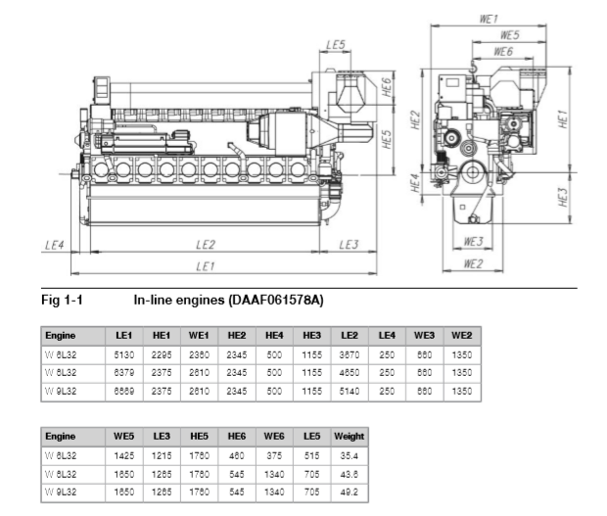
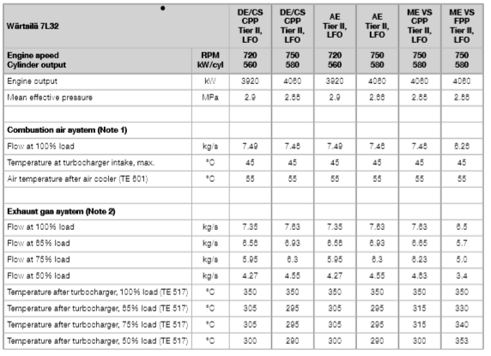
 |  |  |  |  |  |  |  |  |  |  |  |  |  |  |  |  |  |  |  |  |  |  |  |  | Gear box
 | General |  |  |  |  |  |  |  |  |  |  |  |  |  |  |  |  |  |  |  |  |  |  |  | Type |  | ZF W83100 NR - C Duty
 | Maker | Wartsila |  |  |  |  |  |  |  |  |  |  |  |  |  |  |  |  |  |  |  |  |  |  | Reducing Ratio |  | 5.95
 | Type | 7L32 |  |  |  |  |  |  |  |  |  |  |  |  |  |  |  |  |  |  |  |  |  |  | Max power/rpm |  | 7.6586 | kW/rpm
 | Stroke | 4 |  |  |  |  |  |  |  |  |  |  |  |  |  |  |  |  |  |  |  |  |  |  | Weight |  | 16600 | kg
 | NO. Cylinder | 7 |  |  |  |  |  |  |  |  |  |  |  |  |  |  |  |  |  |  |  |  |  |  | Max RPM |  | 750 | rpm
 | Length of Stroke | 400 | mm |  |  |  |  |  |  |  |  |  |  |  |  |  |  |  |  |  |  |  |  |  | Output RPM |  | 126 | rpm
 | Bore | 320 | mm
 | Power | 4060 | kW
 | RPM | 750 | r/min
 | MEP | 2.9 | bar
 | SFOC | 185 | g/kWh
 | Weight | 43.6 | Ton
 | Dimensi
 | Length | 6.379 | m
 | Width | 2.61 | m
 | Height | 2.375 | m

 | BHP | 4060 | kW
 | SHP | 3978.8 | kW
 | DHP | 3899.224 | kW
 | EHP | 3675.646759 | kW
 | PC | 0.94266109338
 | no | 78.00%

Dengan kesamaan T hull dan T prop maka kita hitung Kt

Sea margin |  | 1.80 | %
Ct |  | 0.0030849066042 | -
S |  | 4637.6620075 | M^2
(1-t) |  | 0.765696 | -
(1-w) |  | 1.0000 | -
Vs |  | 7.196 | m/s
Va |  | 7.196 | m/s

Kt load | = | alpha | x | J^4
 |  | beta | x | J^2

alpha | = | 1.432133572

PEMILIHAN MAIN ENGINE
 | MAIN ENGINE 1
 |  | Spesifikasi Utama
 |  | Merk |  | Wartsila
 |  | Tipe |  | W 7L32 |  |  | Kondisi
 |  | Daya |  | 4000 |  | kW | Continuos
 |  | Lubang Silinder |  | 320 |  | mm | JENIS
 |  | Piston stroke |  | 400 |  | mm | MSDE
 |  | Jumlah Silinder |  | 7
 |  | Berat |  | 39 |  | Ton
 |  | SFOC |  | 182 |  | g/kWh
 |  | RPM |  | 750

 | Dimensi Engine 1
 | 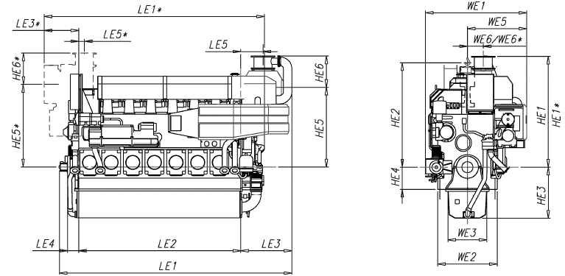

Perhitungan Daya Engine dan Gearbox yang Dipilih

BHPMCR = | 4000 | KW |  |  | Data Gear Box |  |  |  |  |  | Merk |  | = | REINTJES
 | 5361.9 | HP |  |  | Merk | = | ZF |  |  |  | Type |  | = | WAF5645 |  |  | Data Gear Box
BHPSCR = | BHPMCR x 0,85 |  |  |  | Type | = | W 83000 NC |  |  |  | Daya Max |  | = | 3750 |  | kW | Merk |  |  |  | = | ZF
 | 3400 | KW |  |  | Daya Max | = | 5390 | kW |  |  | Ratio |  | = | 3.857 |  |  | Type |  |  |  | = | ZF W83100 NC2
 | 4557.63 | HP |  |  | Ratio | = | 3.857 |  |  |  | Rpm max |  | = | 750 |  | rpm | Daya Max |  |  |  | = | 6369.5 | kW
SHP = | BHPscr / Effisiensi Gearbox |  |  |  | Rpm max | = | 750 |  |  |  | Berat |  | = | 11600 |  | Kg | Ratio |  |  |  | = | 4.6090
 | 3332.00 | KW |  |  | Berat | = | 9270 | kG |  |  |  |  |  |  |  |  | Rpm max |  |  |  | = | 750
 | 4466.48 | HP |  |  | Rpm Out | = | 194.45164636 |  |  |  | Gear box |  |  |  |  |  | Berat |  |  |  | = | 14800 | kG
DHP = | SHP x ηSηB |  |  |  |  |  |  |  |  |  | Type |  | ZF W83100 NR - C Duty |  |  |  | RPM OUT |  |  |  | = | 162.72510306
 | 3265.36 | KW |  |  |  |  |  |  |  |  | Reducing Ratio |  | 5.95
 | 4377.15 | HP |  |  |  |  |  |  |  |  | Max power/rpm |  | 7.6586 |  | kW/rpm |  |  |  |  |  |  | 2.712085051
EHP = | DHP x Pc |  |  |  |  |  |  |  |  |  | Weight |  | 16600 |  | kg
 | 2170.38 | KW |  |  |  |  |  |  |  |  | Max RPM |  | 750 |  | rpm
 | 2909.35 | HP |  |  |  |  |  |  |  |  | Output RPM |  | 126 |  | rpm
THP = | EHP x ƞh |  |  |  |  |  |  |  |  |  |  |  | 126.05042017
 | 2157.12 | KW |  |  |  |  |  |  |  |  | Gear box
 | 2891.58 | HP |  |  |  |  |  |  |  |  | Type |  | ZF W63100 NR - C Duty
 |  |  |  |  |  |  |  |  |  |  | Reducing Ratio |  | 5
 |  |  |  |  |  |  |  |  |  |  | Max power/rpm |  | 5.6077 |  | kW/rpm
 | MAIN ENGINE 2 |  |  |  |  |  |  |  |  |  | Weight |  | 11900 |  | kg
 |  | Spesifikasi Utama |  |  |  |  |  |  |  |  | Max RPM |  | 1000 |  | rpm
 |  | Merk |  | MAN B&W |  |  | Kondisi |  |  |  | Output RPM |  | 150 |  | rpm
 |  | Tipe |  | 7L32/40 |  |  | Continuos |  |  |  |  |  | 150
 |  | Daya |  | 3500 |  | kW | JENIS
 |  | Lubang Silinder |  | 320 |  | mm | MSDE
 |  | Piston stroke |  | 400 |  | mm
 |  | Jumlah Silinder |  | 7
 |  | Berat |  | 42 |  | Ton
 |  | SFOC |  | 183 | 182 | g/kWh
 |  | RPM |  | 750

 | Dimensi Engine 2
 | 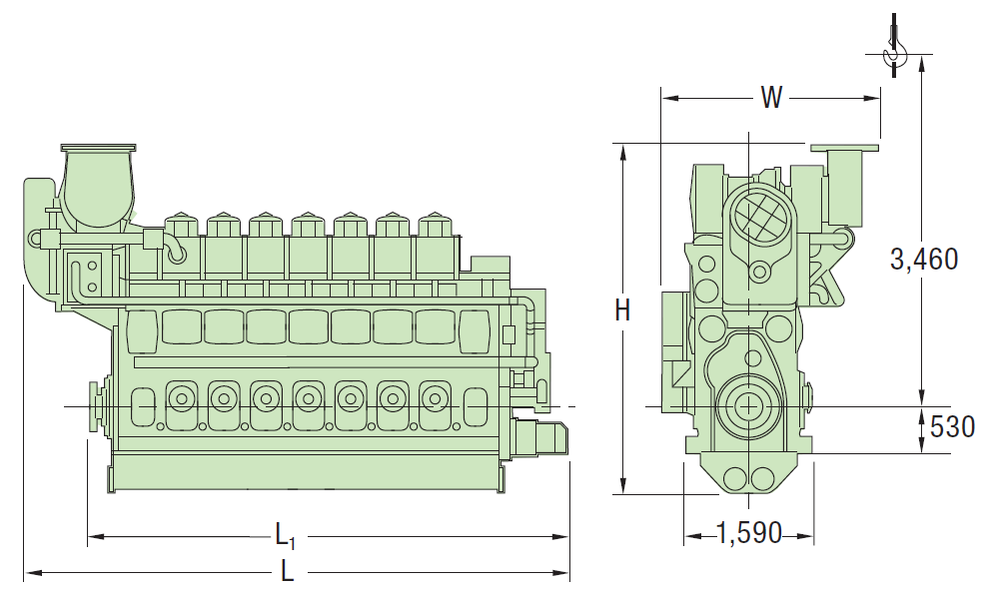

Perhitungan Daya Engine dan Gearbox yang Dipilih

BHPMCR = | 3500 | KW |  |  | Data Gear Box
 | 4691.7 | HP |  |  | Merk | = | ZF
BHPSCR = | BHPMCR x 0,85 |  |  |  | Type | = | W33100NC2
 | 2975 | KW |  |  | Daya Max | = | 2217.8 | kW
 | 3987.93 | HP |  |  | Ratio | = | 4.957
SHP = | BHPscr / Effisiensi Gearbox |  |  |  | Rpm max | = | 750
 | 2915.50 | KW |  |  | Berat | = | 4500 | kG
 | 3908.17 | HP |  |  | Rpm Out | = | 151.30119024 |  | 151.30119024

DHP = | SHP x ηSηB
 | 2857.19 | KW
 | 3830.01 | HP
EHP = | DHP x Pc
 | 1899.08 | KW
 | 2545.68 | HP
THP = | EHP x ƞh
 | 2185.72 | KW
 | 2929.92 | HP

 | MAIN ENGINE 4
 |  | Spesifikasi Utama
 |  | Merk |  | MAN B&W
 |  | Tipe |  | S26MC
 |  | Daya |  | 3600 |  | kW
 |  | Lubang Silinder |  | 320 |  | mm
 |  | Piston stroke |  | 480 |  | mm
 |  | Jumlah Silinder |  | 9
 |  | Berat |  | 58 |  | Ton
 |  | SFOC |  | 179 |  | g/kWh
 |  | RPM |  | 250

 | Dimensi Engine 4
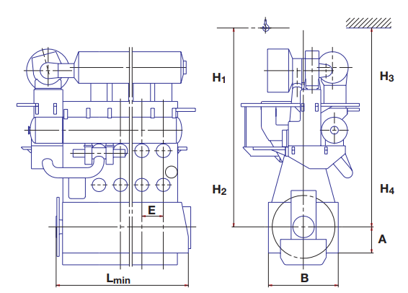

Perhitungan Daya Engine dan Gearbox yang Dipilih

BHPMCR = | 3600 | KW |  |  | Data Gear Box
 | 4825.7 | HP |  |  | Merk | = | ZF
BHPSCR = | BHPMCR x 0,85 |  |  |  | Type | = | W33100NC2
 | 3060 | KW |  |  | Daya Max | = | 2217.8 | kW
 | 4101.87 | HP |  |  | Ratio | = | 4.957
SHP = | BHPscr / Effisiensi Gearbox |  |  |  | Rpm max | = | 750
 | 2998.80 | KW |  |  | Berat | = | 4500 | kG
 | 4019.83 | HP |  |  | Rpm Out | = | 50.433730079

DHP = | SHP x ηSηB
 | 2938.824 | KW
 | 3939.43 | HP
EHP = | DHP x Pc
 | 1953.34 | KW
 | 2618.41 | HP
THP = | EHP x ƞh
 | 2248.17 | KW
 | 3013.63 | HP

EPM
PROPELLER TERPILIH |  |  |  |  |  |  |  |  | DATA KAPAL
 |  | Tipe | Db (m) | P/Db | ηb | nprop (RPS) |  |  | Tipe Kapal | OIL TANKER |  | Type | Db(m) | P/Db | ηb
 |  | B4-70 | 4.0729252857 | 0.7454629822 | 55.2% | 2.6 | 3.0362150297 |  | Panjang (Lpp) | 139.85 | meter | B4-70 | 4.0729252857 | 0.7454629822 | 0.55160085964
 |  |  |  |  |  |  |  |  | Lebar (B) | 23.535 | meter | B5-75 | 3.9553771378 | 0.77444555849 | 0.55218321557
Perhitungan Beta (β) |  |  |  |  |  |  |  |  | Sarat air (T) | 9.05 | meter | B3-65 | 4.2157371134 | 0.72212029247 | 0.54383348437
 |  | β | (0,5*Ct*S) / {(1-t)*(1-w)2 D2} |  |  |  |  |  | Kec. Dinas (Vs) | 13 | knot | B4-85 | 3.9441916154 | 0.7924564796 | 0.53868370938
 |  |  |  |  |  |  |  |  | t = | 0.237 |  | B4-100 | 3.7932537451 | 0.85 | 0.52373315362
Vs (knot) | Vs (m/s) | Rt trial (kN) | R t sm (kN) | Ct trial | Ctsm | βtrial | βservice |  | w = | 0.33795 |  | B5-90 | 3.8814689485 | 0.80600591385 | 0.54134945892
14 | 7.20 | 364.4 | 437.28 | 0.0028082 | 0.0033698411545 | 1.235 | 1.48 |  | S = | 4881.247 | m2 | B5-105 | 3.807170054 | 0.85 | 0.52430570574
13 | 6.69 | 296.9 | 356.28 | 0.0026536 | 0.0031842754304 | 1.167 | 1.40 |  |  |  |  | B6-80 | 3.8393675085 | 0.81262301233 | 0.5450749426
12 | 6.17 | 245.8 | 294.96 | 0.0025783 | 0.0030939017588 | 1.134 | 1.36 |  |  |  |  | B6-95 | 3.7932537451 | 0.83140516473 | 0.53472501741
11 | 5.66 | 200.2 | 240.24 | 0.0024991 | 0.0029989265957 | 1.099 | 1.32
10 | 5.14 | 167.5 | 201.00 | 0.0025300 | 0.0030360012377 | 1.112 | 1.33
9 | 4.63 | 134.8 | 161.76 | 0.0025137 | 0.0030164213513 | 1.105 | 1.33

Menghitung KT (Koefisien Thrust) Trial
J = | Va/n*Db | = | 0.45124005804 |  | KT = | β x J2 | = | 0.23756306958

 | Trial
 | J | KT pada Vs
 |  | 14 | 13 | 12 | 11 | 10 | 9
 | 0 | 0 | 0 | 0 | 0 | 0 | 0
 | 0.1 | 0.01234702818 | 0.011667119212 | 0.011335991951 | 0.010988004921 | 0.011123845641 | 0.011052105343
 | 0.2 | 0.049388112721 | 0.046668476846 | 0.045343967804 | 0.043952019683 | 0.044495382564 | 0.044208421372
 | 0.3 | 0.11112325362 | 0.1050040729 | 0.10202392756 | 0.098892044287 | 0.10011461077 | 0.099468948087
 | 0.4 | 0.19755245088 | 0.18667390738 | 0.18137587121 | 0.17580807873 | 0.17798153026 | 0.17683368549
 | 0.5 | 0.30867570451 | 0.29167798029 | 0.28339979877 | 0.27470012302 | 0.27809614102 | 0.27630263357
 | 0.6 | 0.44449301449 | 0.42001629162 | 0.40809571023 | 0.39556817715 | 0.40045844308 | 0.39787579235
 | 0.7 | 0.60500438083 | 0.57168884137 | 0.55546360559 | 0.53841224112 | 0.54506843641 | 0.5415531618
 | 0.8 | 0.79020980354 | 0.74669562954 | 0.72550348486 | 0.70323231493 | 0.71192612102 | 0.70733474195
 | 0.9 | 1.0001092826 | 0.94503665614 | 0.91821534802 | 0.89002839859 | 0.90103149692 | 0.89522053278
 | 1 | 1.234702818 | 1.1667119212 | 1.1335991951 | 1.0988004921 | 1.1123845641 | 1.1052105343

KT Trial

Menghitung KT (Koefisien Thrust) Rough Hull

 |  | J = | Va/nD |  | KT = | β x J2
 |  | = | 0.45124005804 |  | = | 0.23756306958

 | Rough Hull (20% Sea Margin)
 | J | KT pada Kecepatan
 |  | 14 | 13 | 12 | 11 | 10 | 9
 | 0 | 0 | 0 | 0 | 0 | 0 | 0
 | 0.1 | 0.014816433816 | 0.014000543054 | 0.013603190341 | 0.013185605905 | 0.013348614769 | 0.013262526412
 | 0.2 | 0.059265735265 | 0.056002172215 | 0.054412761364 | 0.05274242362 | 0.053394459077 | 0.053050105646
 | 0.3 | 0.13334790435 | 0.12600488748 | 0.12242871307 | 0.11867045314 | 0.12013753292 | 0.1193627377
 | 0.4 | 0.23706294106 | 0.22400868886 | 0.21765104546 | 0.21096969448 | 0.21357783631 | 0.21220042258
 | 0.5 | 0.37041084541 | 0.35001357635 | 0.34007975853 | 0.32964014762 | 0.33371536923 | 0.33156316029
 | 0.6 | 0.53339161739 | 0.50401954994 | 0.48971485228 | 0.47468181258 | 0.48055013169 | 0.47745095082
 | 0.7 | 0.726005257 | 0.68602660964 | 0.66655632671 | 0.64609468934 | 0.65408212369 | 0.64986379417
 | 0.8 | 0.94825176424 | 0.89603475545 | 0.87060418183 | 0.84387877792 | 0.85431134523 | 0.84880169034
 | 0.9 | 1.2001311391 | 1.1340439874 | 1.1018584176 | 1.0680340783 | 1.0812377963 | 1.0742646393
 | 1 | 1.4816433816 | 1.4000543054 | 1.3603190341 | 1.3185605905 | 1.3348614769 | 1.3262526412

KT Service

 |  | Vs (knot) | Va (knot) | Va (m/s) | J
 |  | 14 | 9.80000 | 5.03720 | 0.47669
 |  | 13 | 9.10000 | 4.67740 | 0.44264
 |  | 12 | 8.40000 | 4.31760 | 0.40859
 |  | 11 | 7.70000 | 3.95780 | 0.37455
 |  | 10 | 7.00000 | 3.59800 | 0.34050
 |  | 9 | 6.30000 | 3.23820 | 0.30645

Membuat Diagram KT KQ J
 | Berdasarkan grafik KT KQ J Propeller B4-70, didapatkan data-data sebagai berikut guna mengambarkan diagram KT KQ J dengan nilai P/D = 0.7454

 |  | J | KT | 10KQ | ηo
 |  | 0.1 | 0.29620 | 0.34874 | 0.13512
 |  | 0.2 | 0.26240 | 0.31580 | 0.26437
 |  | 0.3 | 0.22495 | 0.27876 | 0.38513
 |  | 0.4 | 0.18434 | 0.23811 | 0.49265
 |  | 0.5 | 0.14106 | 0.19432 | 0.57744
 |  | 0.6 | 0.09562 | 0.14789 | 0.61719
 |  | 0.7 | 0.04851 | 0.09930 | 0.54409
 |  | 0.8 | 0.00023 | 0.04902 | 0.00591
 |  | 0.9 | -0.048735491472 | -0.0024399149483 | 0
 |  | 1 | 0 | 0 | 0
KT KQ J

CLEAN HULL
 | Kt |  | 10KQ |  | ηo |  | 13 knot
0.1 | 0.29619687317 | 0.1 | 0.34874395366 | 0.1 | 0.13511984747 | 0 | 0 | 0.46 | 0 | 0 | 0.214 | 0 | 0.273 | 0 | 0.52
0.2 | 0.26239925282 | 0.2 | 0.31580457179 | 0.2 | 0.26437448603 | 0.1 | 0.011667119212 | 0.46 | 0.1 | 0.1 | 0.214 | 0.1 | 0.273 | 0.1 | 0.52
0.3 | 0.22494700625 | 0.3 | 0.27876483766 | 0.3 | 0.38513132455 | 0.2 | 0.046668476846 | 0.46 | 0.2 | 0.2 | 0.214 | 0.2 | 0.273 | 0.2 | 0.52
0.4 | 0.18433617153 | 0.4 | 0.23810941287 | 0.4 | 0.49265098349 | 0.3 | 0.1050040729 | 0.46 | 0.3 | 0.3 | 0.214 | 0.3 | 0.273 | 0.3 | 0.52
0.5 | 0.14106278674 | 0.5 | 0.19432295902 | 0.5 | 0.5774358083 | 0.4 | 0.18667390738 | 0.46 | 0.4 | 0.4 | 0.214 | 0.4 | 0.273 | 0.4 | 0.52
0.6 | 0.095622889973 | 0.6 | 0.14789013771 | 0.6 | 0.6171905469 | 0.5 | 0.29167798029 | 0.46 | 0.5 | 0.5 | 0.214 | 0.5 | 0.273 | 0.5 | 0.52
0.7 | 0.048512519294 | 0.7 | 0.099295610545 | 0.7 | 0.54408553692 | 0.6 | 0.42001629162 | 0.46 | 0.6 | 0.6 | 0.214 | 0.6 | 0.273 | 0.6 | 0.52
0.8 | 0.0002277127854 | 0.8 | 0.049024039126 | 0.8 | 0.0059117175471 | 0.7 | 0.57168884137 | 0.46 | 0.7 | 0.7 | 0.214 | 0.7 | 0.273 | 0.7 | 0.52
0.9 | -0.048735491472 | 0.9 | -0.0024399149483 | 0.9 | 0 | 0.8 | 0.74669562954 |  | 0.8 | 0.8 |  | 0.8 |  | 0.8 | 0.52
1 | 0 | 1 | 0 | 1 | 0 | 0.9 | 0.94503665614 |  | 0.9 | 0.9 |  | 0.9 |  | 0.9 | 0.52
 |  |  |  |  |  | 1 | 1.1667119212 |  | 1 | 1 |  | 1 |  | 1 | 0.52
CLEAN HULL
 | Kt |  | 10KQ |  | ηo |  | 12 knot
0.1 | 0.29619687317 | 0.1 | 0.34874395366 | 0.1 | 0.13511984747 | 0 | 0 | 0.466 | 0 | 0 | 0.213 | 0 | 0.269 | 0 | 0.524
0.2 | 0.26239925282 | 0.2 | 0.31580457179 | 0.2 | 0.26437448603 | 0.1 | 0.011335991951 | 0.466 | 0.1 | 0.1 | 0.213 | 0.1 | 0.269 | 0.1 | 0.524
0.3 | 0.22494700625 | 0.3 | 0.27876483766 | 0.3 | 0.38513132455 | 0.2 | 0.045343967804 | 0.466 | 0.2 | 0.2 | 0.213 | 0.2 | 0.269 | 0.2 | 0.524
0.4 | 0.18433617153 | 0.4 | 0.23810941287 | 0.4 | 0.49265098349 | 0.3 | 0.10202392756 | 0.466 | 0.3 | 0.3 | 0.213 | 0.3 | 0.269 | 0.3 | 0.524
0.5 | 0.14106278674 | 0.5 | 0.19432295902 | 0.5 | 0.5774358083 | 0.4 | 0.18137587121 | 0.466 | 0.4 | 0.4 | 0.213 | 0.4 | 0.269 | 0.4 | 0.524
0.6 | 0.095622889973 | 0.6 | 0.14789013771 | 0.6 | 0.6171905469 | 0.5 | 0.28339979877 | 0.466 | 0.5 | 0.5 | 0.213 | 0.5 | 0.269 | 0.5 | 0.524
0.7 | 0.048512519294 | 0.7 | 0.099295610545 | 0.7 | 0.54408553692 | 0.6 | 0.40809571023 | 0.466 | 0.6 | 0.6 | 0.213 | 0.6 | 0.269 | 0.6 | 0.524
0.8 | 0.0002277127854 | 0.8 | 0.049024039126 | 0.8 | 0.0059117175471 | 0.7 | 0.55546360559 | 0.466 | 0.7 | 0.7 | 0.213 | 0.7 | 0.269 | 0.7 | 0.524
0.9 | -0.048735491472 | 0.9 | -0.0024399149483 | 0.9 | 0 | 0.8 | 0.72550348486 |  | 0.8 | 0.8 |  | 0.8 |  | 0.8 | 0.524
1 | 0 | 1 | 0 | 1 | 0 | 0.9 | 0.91821534802 |  | 0.9 | 0.9 |  | 0.9 |  | 0.9 | 0.524
 |  |  |  |  |  | 1 | 1.1335991951 |  | 1 | 1 |  | 1 |  | 1 | 0.524
CLEAN HULL
 | Kt |  | 10KQ |  | ηo |  | 11 knot
0.1 | 0.29619687317 | 0.1 | 0.34874395366 | 0.1 | 0.13511984747 | 0 | 0 | 0.47 | 0 | 0 | 0.21 | 0 | 0.267 | 0 | 0.53
0.2 | 0.26239925282 | 0.2 | 0.31580457179 | 0.2 | 0.26437448603 | 0.1 | 0.010988004921 | 0.47 | 0.1 | 0.1 | 0.21 | 0.1 | 0.267 | 0.1 | 0.53
0.3 | 0.22494700625 | 0.3 | 0.27876483766 | 0.3 | 0.38513132455 | 0.2 | 0.043952019683 | 0.47 | 0.2 | 0.2 | 0.21 | 0.2 | 0.267 | 0.2 | 0.53
0.4 | 0.18433617153 | 0.4 | 0.23810941287 | 0.4 | 0.49265098349 | 0.3 | 0.098892044287 | 0.47 | 0.3 | 0.3 | 0.21 | 0.3 | 0.267 | 0.3 | 0.53
0.5 | 0.14106278674 | 0.5 | 0.19432295902 | 0.5 | 0.5774358083 | 0.4 | 0.17580807873 | 0.47 | 0.4 | 0.4 | 0.21 | 0.4 | 0.267 | 0.4 | 0.53
0.6 | 0.095622889973 | 0.6 | 0.14789013771 | 0.6 | 0.6171905469 | 0.5 | 0.27470012302 | 0.47 | 0.5 | 0.5 | 0.21 | 0.5 | 0.267 | 0.5 | 0.53
0.7 | 0.048512519294 | 0.7 | 0.099295610545 | 0.7 | 0.54408553692 | 0.6 | 0.39556817715 | 0.47 | 0.6 | 0.6 | 0.21 | 0.6 | 0.267 | 0.6 | 0.53
0.8 | 0.0002277127854 | 0.8 | 0.049024039126 | 0.8 | 0.0059117175471 | 0.7 | 0.53841224112 | 0.47 | 0.7 | 0.7 | 0.21 | 0.7 | 0.267 | 0.7 | 0.53
0.9 | -0.048735491472 | 0.9 | -0.0024399149483 | 0.9 | 0 | 0.8 | 0.70323231493 |  | 0.8 | 0.8 |  | 0.8 |  | 0.8 | 0.53
1 | 0 | 1 | 0 | 1 | 0 | 0.9 | 0.89002839859 |  | 0.9 | 0.9 |  | 0.9 |  | 0.9 | 0.53
 |  |  |  |  |  | 1 | 1.0988004921 |  | 1 | 1 |  | 1 |  | 1 | 0.53
CLEAN HULL
 | Kt |  | 10KQ |  | ηo |  | 10 knot
0.1 | 0.29619687317 | 0.1 | 0.34874395366 | 0.1 | 0.13511984747 | 0 | 0 | 0.468 | 0 | 0 | 0.212 | 0 | 0.268 | 0 | 0.527
0.2 | 0.26239925282 | 0.2 | 0.31580457179 | 0.2 | 0.26437448603 | 0.1 | 0.011123845641 | 0.468 | 0.1 | 0.1 | 0.212 | 0.1 | 0.268 | 0.1 | 0.527
0.3 | 0.22494700625 | 0.3 | 0.27876483766 | 0.3 | 0.38513132455 | 0.2 | 0.044495382564 | 0.468 | 0.2 | 0.2 | 0.212 | 0.2 | 0.268 | 0.2 | 0.527
0.4 | 0.18433617153 | 0.4 | 0.23810941287 | 0.4 | 0.49265098349 | 0.3 | 0.10011461077 | 0.468 | 0.3 | 0.3 | 0.212 | 0.3 | 0.268 | 0.3 | 0.527
0.5 | 0.14106278674 | 0.5 | 0.19432295902 | 0.5 | 0.5774358083 | 0.4 | 0.17798153026 | 0.468 | 0.4 | 0.4 | 0.212 | 0.4 | 0.268 | 0.4 | 0.527
0.6 | 0.095622889973 | 0.6 | 0.14789013771 | 0.6 | 0.6171905469 | 0.5 | 0.27809614102 | 0.468 | 0.5 | 0.5 | 0.212 | 0.5 | 0.268 | 0.5 | 0.527
0.7 | 0.048512519294 | 0.7 | 0.099295610545 | 0.7 | 0.54408553692 | 0.6 | 0.40045844308 | 0.468 | 0.6 | 0.6 | 0.212 | 0.6 | 0.268 | 0.6 | 0.527
0.8 | 0.0002277127854 | 0.8 | 0.049024039126 | 0.8 | 0.0059117175471 | 0.7 | 0.54506843641 | 0.468 | 0.7 | 0.7 | 0.212 | 0.7 | 0.268 | 0.7 | 0.527
0.9 | -0.048735491472 | 0.9 | -0.0024399149483 | 0.9 | 0 | 0.8 | 0.71192612102 |  | 0.8 | 0.8 |  | 0.8 |  | 0.8 | 0.527
1 | 0 | 1 | 0 | 1 | 0 | 0.9 | 0.90103149692 |  | 0.9 | 0.9 |  | 0.9 |  | 0.9 | 0.527
 |  |  |  |  |  | 1 | 1.1123845641 |  | 1 | 1 |  | 1 |  | 1 | 0.527
CLEAN HULL
 | Kt |  | 10KQ |  | ηo |  | 9 knot
0.1 | 0.29619687317 | 0.1 | 0.34874395366 | 0.1 | 0.13511984747 | 0 | 0 | 0.47 | 0 | 0 | 0.212 | 0 | 0.268 | 0 | 0.53
0.2 | 0.26239925282 | 0.2 | 0.31580457179 | 0.2 | 0.26437448603 | 0.1 | 0.011052105343 | 0.47 | 0.1 | 0.1 | 0.212 | 0.1 | 0.268 | 0.1 | 0.53
0.3 | 0.22494700625 | 0.3 | 0.27876483766 | 0.3 | 0.38513132455 | 0.2 | 0.044208421372 | 0.47 | 0.2 | 0.2 | 0.212 | 0.2 | 0.268 | 0.2 | 0.53
0.4 | 0.18433617153 | 0.4 | 0.23810941287 | 0.4 | 0.49265098349 | 0.3 | 0.099468948087 | 0.47 | 0.3 | 0.3 | 0.212 | 0.3 | 0.268 | 0.3 | 0.53
0.5 | 0.14106278674 | 0.5 | 0.19432295902 | 0.5 | 0.5774358083 | 0.4 | 0.17683368549 | 0.47 | 0.4 | 0.4 | 0.212 | 0.4 | 0.268 | 0.4 | 0.53
0.6 | 0.095622889973 | 0.6 | 0.14789013771 | 0.6 | 0.6171905469 | 0.5 | 0.27630263357 | 0.47 | 0.5 | 0.5 | 0.212 | 0.5 | 0.268 | 0.5 | 0.53
0.7 | 0.048512519294 | 0.7 | 0.099295610545 | 0.7 | 0.54408553692 | 0.6 | 0.39787579235 | 0.47 | 0.6 | 0.6 | 0.212 | 0.6 | 0.268 | 0.6 | 0.53
0.8 | 0.0002277127854 | 0.8 | 0.049024039126 | 0.8 | 0.0059117175471 | 0.7 | 0.5415531618 | 0.47 | 0.7 | 0.7 | 0.212 | 0.7 | 0.268 | 0.7 | 0.53
0.9 | -0.048735491472 | 0.9 | -0.0024399149483 | 0.9 | 0 | 0.8 | 0.70733474195 |  | 0.8 | 0.8 |  | 0.8 |  | 0.8 | 0.53
1 | 0 | 1 | 0 | 1 | 0 | 0.9 | 0.89522053278 |  | 0.9 | 0.9 |  | 0.9 |  | 0.9 | 0.53
 |  |  |  |  |  | 1 | 1.1052105343 |  | 1 | 1 |  | 1 |  | 1 | 0.53
CLEAN HULL

 |  |  |  |  |  |  |  |  |  |  |  |  |  |  |  | J | KT | 10KQ | Eff |  | J |  | KT |  | 10KQ |  | Eff |  | J | KT | 10KQ | Eff |  |  | J |  | KT |  | 10KQ | Eff |  | J | KT | 10KQ | Eff
 |  |  |  |  |  |  |  |  |  |  |  |  |  |  |  | 0.46 | 0.214 | 0.273 | 0.52 |  | 0.466 |  | 0.213 |  | 0.269 |  | 0.524 |  | 0.47 | 0.21 | 0.267 | 0.53 |  |  | 0.468 |  | 0.212 |  | 0.268 | 0.527 |  | 0.47 | 0.212 | 0.268 | 0.53
 | Clean Hull |  |  |  |  |  |  |  |  |  |  |  |  |  |  | 0.46 | 0.214 | 0.273 | 0.52 |  | 0.466 |  | 0.213 |  | 0.269 |  | 0.524 |  | 0.47 | 0.21 | 0.267 | 0.53 |  |  | 0.468 |  | 0.212 |  | 0.268 | 0.527 |  | 0.47 | 0.212 | 0.268 | 0.53
 | Vs | J | KT | 10KQ | Eff |  |  |  |  |  |  |  |  |  |  | 0.46 | 0.214 | 0.273 | 0.52 |  | 0.466 |  | 0.213 |  | 0.269 |  | 0.524 |  | 0.47 | 0.21 | 0.267 | 0.53 |  |  | 0.468 |  | 0.212 |  | 0.268 | 0.527 |  | 0.47 | 0.212 | 0.268 | 0.53
 | 14 | 0.461 | 0 | 0.34 | 0 |  |  |  |  |  |  |  |  |  |  | 0.46 | 0.214 | 0.273 | 0.52 |  | 0.466 |  | 0.213 |  | 0.269 |  | 0.524 |  | 0.47 | 0.21 | 0.267 | 0.53 |  |  | 0.468 |  | 0.212 |  | 0.268 | 0.527 |  | 0.47 | 0.212 | 0.268 | 0.53
 | 13 | 0.463 | 0.214 | 0.339 | 0.52 |  |  |  |  |  |  |  |  |  |  | 0.46 | 0.214 | 0.273 | 0.52 |  | 0.466 |  | 0.213 |  | 0.269 |  | 0.524 |  | 0.47 | 0.21 | 0.267 | 0.53 |  |  | 0.468 |  | 0.212 |  | 0.268 | 0.527 |  | 0.47 | 0.212 | 0.268 | 0.53
 | 12 | 0.463 | 0.213 | 0.337 | 0.524 |  |  |  |  |  |  |  |  |  |  | 0.46 | 0.214 | 0.273 | 0.52 |  | 0.466 |  | 0.213 |  | 0.269 |  | 0.524 |  | 0.47 | 0.21 | 0.267 | 0.53 |  |  | 0.468 |  | 0.212 |  | 0.268 | 0.527 |  | 0.47 | 0.212 | 0.268 | 0.53
 | 11 | 0.464 | 0.21 | 0.336 | 0.53 |  |  |  |  |  |  |  |  |  |  | 0.46 | 0.214 | 0.273 | 0.52 |  | 0.466 |  | 0.213 |  | 0.269 |  | 0.524 |  | 0.47 | 0.21 | 0.267 | 0.53 |  |  | 0.468 |  | 0.212 |  | 0.268 | 0.527 |  | 0.47 | 0.212 | 0.268 | 0.53
 | 10 | 0.466 | 0.212 | 0.336 | 0.527 |  |  |  |  |  |  |  |  |  |  | 0.46 | 0.214 | 0.273 | 0.52 |  | 0.466 |  | 0.213 |  | 0.269 |  | 0.524 |  | 0.47 | 0.21 | 0.267 | 0.53 |  |  | 0.468 |  | 0.212 |  | 0.268 | 0.527 |  | 0.47 | 0.212 | 0.268 | 0.53
 | 9 | 0.467 | 0.212 | 0.334 | 0.53 |  |  |  |  |  |  |  |  |  |  |  |  |  | 0.52 |  |  |  |  |  |  |  | 0.524 |  |  |  |  | 0.53 |  |  |  |  |  |  |  | 0.527 |  |  |  |  | 0.53
 |  |  |  |  |  |  |  |  |  |  |  |  |  |  |  |  |  |  | 0.52 |  |  |  |  |  |  |  | 0.524 |  |  |  |  | 0.53 |  |  |  |  |  |  |  | 0.527 |  |  |  |  | 0.53
ROUGH HULL
ROUGH HULL
 | Kt |  | 10KQ |  | ηo |  | 13 knot
0.1 | 0.29619687317 | 0.1 | 0.34874395366 | 0.1 | 0.13511984747 | 0 | 0 | 0.433 | 0 | 0 | 0.23 | 0.1 | 0.29 | 0.1 | 0.495
0.2 | 0.26239925282 | 0.2 | 0.31580457179 | 0.2 | 0.26437448603 | 0.1 | 0.014000543054 | 0.433 | 0.1 | 0.1 | 0.23 | 0.2 | 0.29 | 0.2 | 0.495
0.3 | 0.22494700625 | 0.3 | 0.27876483766 | 0.3 | 0.38513132455 | 0.2 | 0.056002172215 | 0.433 | 0.2 | 0.2 | 0.23 | 0.3 | 0.29 | 0.3 | 0.495
0.4 | 0.18433617153 | 0.4 | 0.23810941287 | 0.4 | 0.49265098349 | 0.3 | 0.12600488748 | 0.433 | 0.3 | 0.3 | 0.23 | 0.4 | 0.29 | 0.4 | 0.495
0.5 | 0.14106278674 | 0.5 | 0.19432295902 | 0.5 | 0.5774358083 | 0.4 | 0.22400868886 | 0.433 | 0.4 | 0.4 | 0.23 | 0.5 | 0.29 | 0.5 | 0.495
0.6 | 0.095622889973 | 0.6 | 0.14789013771 | 0.6 | 0.6171905469 | 0.5 | 0.35001357635 | 0.433 | 0.5 | 0.5 | 0.23 | 0.6 | 0.29 | 0.6 | 0.495
0.7 | 0.048512519294 | 0.7 | 0.099295610545 | 0.7 | 0.54408553692 | 0.6 | 0.50401954994 | 0.433 | 0.6 | 0.6 | 0.23 | 0.7 | 0.29 | 0.7 | 0.495
0.8 | 0.0002277127854 | 0.8 | 0.049024039126 | 0.8 | 0.0059117175471 | 0.7 | 0.68602660964 | 0.433 | 0.7 | 0.7 | 0.23 | 0.8 | 0.29 | 0.8 | 0.495
0.9 | -0.048735491472 | 0.9 | -0.0024399149483 | 0.9 | 0 | 0.8 | 0.89603475545 |  | 0.8 | 0.8 |  | 0.9 |  | 0.9 | 0.495
1 | 0 | 1 | 0 | 1 | 0 | 0.9 | 1.1340439874 |  | 0.9 | 0.9 |  | 1 |  | 1 | 0.495
 |  |  |  |  |  | 1 | 1.4000543054 |  | 1 | 1 |  |  |  |  | 0.495
ROUGH HULL
 | Kt |  | 10KQ |  | ηo |  | 12 knot
0.1 | 0.29619687317 | 0.1 | 0.34874395366 | 0.1 | 0.13511984747 | 0 | 0 | 0.439 | 0 | 0 | 0.228 | 0 | 0.287 | 0 | 0.5
0.2 | 0.26239925282 | 0.2 | 0.31580457179 | 0.2 | 0.26437448603 | 0.1 | 0.013603190341 | 0.439 | 0.1 | 0.1 | 0.228 | 0.1 | 0.287 | 0.1 | 0.5
0.3 | 0.22494700625 | 0.3 | 0.27876483766 | 0.3 | 0.38513132455 | 0.2 | 0.054412761364 | 0.439 | 0.2 | 0.2 | 0.228 | 0.2 | 0.287 | 0.2 | 0.5
0.4 | 0.18433617153 | 0.4 | 0.23810941287 | 0.4 | 0.49265098349 | 0.3 | 0.12242871307 | 0.439 | 0.3 | 0.3 | 0.228 | 0.3 | 0.287 | 0.3 | 0.5
0.5 | 0.14106278674 | 0.5 | 0.19432295902 | 0.5 | 0.5774358083 | 0.4 | 0.21765104546 | 0.439 | 0.4 | 0.4 | 0.228 | 0.4 | 0.287 | 0.4 | 0.5
0.6 | 0.095622889973 | 0.6 | 0.14789013771 | 0.6 | 0.6171905469 | 0.5 | 0.34007975853 | 0.439 | 0.5 | 0.5 | 0.228 | 0.5 | 0.287 | 0.5 | 0.5
0.7 | 0.048512519294 | 0.7 | 0.099295610545 | 0.7 | 0.54408553692 | 0.6 | 0.48971485228 | 0.439 | 0.6 | 0.6 | 0.228 | 0.6 | 0.287 | 0.6 | 0.5
0.8 | 0.0002277127854 | 0.8 | 0.049024039126 | 0.8 | 0.0059117175471 | 0.7 | 0.66655632671 | 0.439 | 0.7 | 0.7 | 0.228 | 0.7 | 0.287 | 0.7 | 0.5
0.9 | -0.048735491472 | 0.9 | -0.0024399149483 | 0.9 | 0 | 0.8 | 0.87060418183 |  | 0.8 | 0.8 |  | 0.8 |  | 0.8 | 0.5
1 | 0 | 1 | 0 | 1 | 0 | 0.9 | 1.1018584176 |  | 0.9 | 0.9 |  | 0.9 |  | 0.9 | 0.5
 |  |  |  |  |  | 1 | 1.3603190341 |  | 1 | 1 |  | 1 |  | 1 | 0.5
ROUGH HULL
 | Kt |  | 10KQ |  | ηo |  | 11 knot
0.1 | 0.29619687317 | 0.1 | 0.34874395366 | 0.1 | 0.13511984747 | 0 | 0 | 0.442 | 0 | 0 | 0.224 | 0 | 0.283 | 0 | 0.502
0.2 | 0.26239925282 | 0.2 | 0.31580457179 | 0.2 | 0.26437448603 | 0.1 | 0.013185605905 | 0.442 | 0.1 | 0.1 | 0.224 | 0.1 | 0.283 | 0.1 | 0.502
0.3 | 0.22494700625 | 0.3 | 0.27876483766 | 0.3 | 0.38513132455 | 0.2 | 0.05274242362 | 0.442 | 0.2 | 0.2 | 0.224 | 0.2 | 0.283 | 0.2 | 0.502
0.4 | 0.18433617153 | 0.4 | 0.23810941287 | 0.4 | 0.49265098349 | 0.3 | 0.11867045314 | 0.442 | 0.3 | 0.3 | 0.224 | 0.3 | 0.283 | 0.3 | 0.502
0.5 | 0.14106278674 | 0.5 | 0.19432295902 | 0.5 | 0.5774358083 | 0.4 | 0.21096969448 | 0.442 | 0.4 | 0.4 | 0.224 | 0.4 | 0.283 | 0.4 | 0.502
0.6 | 0.095622889973 | 0.6 | 0.14789013771 | 0.6 | 0.6171905469 | 0.5 | 0.32964014762 | 0.442 | 0.5 | 0.5 | 0.224 | 0.5 | 0.283 | 0.5 | 0.502
0.7 | 0.048512519294 | 0.7 | 0.099295610545 | 0.7 | 0.54408553692 | 0.6 | 0.47468181258 | 0.442 | 0.6 | 0.6 | 0.224 | 0.6 | 0.283 | 0.6 | 0.502
0.8 | 0.0002277127854 | 0.8 | 0.049024039126 | 0.8 | 0.0059117175471 | 0.7 | 0.64609468934 | 0.442 | 0.7 | 0.7 | 0.224 | 0.7 | 0.283 | 0.7 | 0.502
0.9 | -0.048735491472 | 0.9 | -0.0024399149483 | 0.9 | 0 | 0.8 | 0.84387877792 |  | 0.8 | 0.8 |  | 0.8 |  | 0.8 | 0.502
1 | 0 | 1 | 0 | 1 | 0 | 0.9 | 1.0680340783 |  | 0.9 | 0.9 |  | 0.9 |  | 0.9 | 0.502
 |  |  |  |  |  | 1 | 1.3185605905 |  | 1 | 1 |  | 1 |  | 1 | 0.502
ROUGH HULL
 | Kt |  | 10KQ |  | ηo |  | 10 knot
0.1 | 0.29619687317 | 0.1 | 0.34874395366 | 0.1 | 0.13511984747 | 0 | 0 | 0.44 | 0 | 0 | 0.223 | 0 | 0.285 | 0 | 0.501
0.2 | 0.26239925282 | 0.2 | 0.31580457179 | 0.2 | 0.26437448603 | 0.1 | 0.013348614769 | 0.44 | 0.1 | 0.1 | 0.223 | 0.1 | 0.285 | 0.1 | 0.501
0.3 | 0.22494700625 | 0.3 | 0.27876483766 | 0.3 | 0.38513132455 | 0.2 | 0.053394459077 | 0.44 | 0.2 | 0.2 | 0.223 | 0.2 | 0.285 | 0.2 | 0.501
0.4 | 0.18433617153 | 0.4 | 0.23810941287 | 0.4 | 0.49265098349 | 0.3 | 0.12013753292 | 0.44 | 0.3 | 0.3 | 0.223 | 0.3 | 0.285 | 0.3 | 0.501
0.5 | 0.14106278674 | 0.5 | 0.19432295902 | 0.5 | 0.5774358083 | 0.4 | 0.21357783631 | 0.44 | 0.4 | 0.4 | 0.223 | 0.4 | 0.285 | 0.4 | 0.501
0.6 | 0.095622889973 | 0.6 | 0.14789013771 | 0.6 | 0.6171905469 | 0.5 | 0.33371536923 | 0.44 | 0.5 | 0.5 | 0.223 | 0.5 | 0.285 | 0.5 | 0.501
0.7 | 0.048512519294 | 0.7 | 0.099295610545 | 0.7 | 0.54408553692 | 0.6 | 0.48055013169 | 0.44 | 0.6 | 0.6 | 0.223 | 0.6 | 0.285 | 0.6 | 0.501
0.8 | 0.0002277127854 | 0.8 | 0.049024039126 | 0.8 | 0.0059117175471 | 0.7 | 0.65408212369 | 0.44 | 0.7 | 0.7 | 0.223 | 0.7 | 0.285 | 0.7 | 0.501
0.9 | -0.048735491472 | 0.9 | -0.0024399149483 | 0.9 | 0 | 0.8 | 0.85431134523 |  | 0.8 | 0.8 |  | 0.8 |  | 0.8 | 0.501
1 | 0 | 1 | 0 | 1 | 0 | 0.9 | 1.0812377963 |  | 0.9 | 0.9 |  | 0.9 |  | 0.9 | 0.501
 |  |  |  |  |  | 1 | 1.3348614769 |  | 1 | 1 |  | 1 |  | 1 | 0.501
ROUGH HULL
 | Kt |  | 10KQ |  | ηo |  | 9 knot
0.1 | 0.29619687317 | 0.1 | 0.34874395366 | 0.1 | 0.13511984747 | 0 | 0 | 0.442 | 0 | 0 | 0.221 | 0 | 0.282 | 0 | 0.502
0.2 | 0.26239925282 | 0.2 | 0.31580457179 | 0.2 | 0.26437448603 | 0.1 | 0.013262526412 | 0.442 | 0.1 | 0.1 | 0.221 | 0.1 | 0.282 | 0.1 | 0.502
0.3 | 0.22494700625 | 0.3 | 0.27876483766 | 0.3 | 0.38513132455 | 0.2 | 0.053050105646 | 0.442 | 0.2 | 0.2 | 0.221 | 0.2 | 0.282 | 0.2 | 0.502
0.4 | 0.18433617153 | 0.4 | 0.23810941287 | 0.4 | 0.49265098349 | 0.3 | 0.1193627377 | 0.442 | 0.3 | 0.3 | 0.221 | 0.3 | 0.282 | 0.3 | 0.502
0.5 | 0.14106278674 | 0.5 | 0.19432295902 | 0.5 | 0.5774358083 | 0.4 | 0.21220042258 | 0.442 | 0.4 | 0.4 | 0.221 | 0.4 | 0.282 | 0.4 | 0.502
0.6 | 0.095622889973 | 0.6 | 0.14789013771 | 0.6 | 0.6171905469 | 0.5 | 0.33156316029 | 0.442 | 0.5 | 0.5 | 0.221 | 0.5 | 0.282 | 0.5 | 0.502
0.7 | 0.048512519294 | 0.7 | 0.099295610545 | 0.7 | 0.54408553692 | 0.6 | 0.47745095082 | 0.442 | 0.6 | 0.6 | 0.221 | 0.6 | 0.282 | 0.6 | 0.502
0.8 | 0.0002277127854 | 0.8 | 0.049024039126 | 0.8 | 0.0059117175471 | 0.7 | 0.64986379417 | 0.442 | 0.7 | 0.7 | 0.221 | 0.7 | 0.282 | 0.7 | 0.502
0.9 | -0.048735491472 | 0.9 | -0.0024399149483 | 0.9 | 0 | 0.8 | 0.84880169034 |  | 0.8 | 0.8 |  | 0.8 |  | 0.8 | 0.502
1 | 0 | 1 | 0 | 1 | 0 | 0.9 | 1.0742646393 |  | 0.9 | 0.9 |  | 0.9 |  | 0.9 | 0.502
 |  |  |  |  |  | 1 | 1.3262526412 |  | 1 | 1 |  | 1 |  | 1 | 0.502
 |  |  |  |  |  |  |  |  |  |  |  |  |  |  |  |  |  |  | 0.52 |  |  |  |  |  |  |  | 0.524 |  |  |  |  | 0.53 |  |  |  |  |  |  |  | 0.527 |  |  |  |  | 0.53

 |  |  |  |  |  |  |  |  |  |  |  |  |  |  |  | J | KT | 10KQ | Eff | J |  | KT |  | 10KQ |  | Eff |  | J | KT | 10KQ | Eff |  | J | KT |  | 10KQ |  | Eff |  | J | KT | 10KQ | Eff
 | Rough Hull |  |  |  |  |  |  |  |  |  |  |  |  |  |  | 0.433 | 0.23 | 0.29 | 0.495 | 0.439 |  | 0.228 |  | 0.287 |  | 0.5 |  | 0.442 | 0.224 | 0.283 | 0.502 |  | 0.44 | 0.223 |  | 0.285 |  | 0.501 |  | 0.442 | 0.221 | 0.282 | 0.502
 | Vs | J | KT | 10KQ | Eff |  |  |  |  |  |  |  |  |  |  | 0.433 | 0.23 | 0.29 | 0.495 | 0.439 |  | 0.228 |  | 0.287 |  | 0.5 |  | 0.442 | 0.224 | 0.283 | 0.502 |  | 0.44 | 0.223 |  | 0.285 |  | 0.501 |  | 0.442 | 0.221 | 0.282 | 0.502
 | 14 | 0.473 | 0 | 0.357 | 0 |  |  |  |  |  |  |  |  |  |  | 0.433 | 0.23 | 0.29 | 0.495 | 0.439 |  | 0.228 |  | 0.287 |  | 0.5 |  | 0.442 | 0.224 | 0.283 | 0.502 |  | 0.44 | 0.223 |  | 0.285 |  | 0.501 |  | 0.442 | 0.221 | 0.282 | 0.502
 | 13 | 0.473 | 0.23 | 0.352 | 0.495 |  |  |  |  |  |  |  |  |  |  | 0.433 | 0.23 | 0.29 | 0.495 | 0.439 |  | 0.228 |  | 0.287 |  | 0.5 |  | 0.442 | 0.224 | 0.283 | 0.502 |  | 0.44 | 0.223 |  | 0.285 |  | 0.501 |  | 0.442 | 0.221 | 0.282 | 0.502
 | 12 | 0.474 | 0.228 | 0.352 | 0.5 |  |  |  |  |  |  |  |  |  |  | 0.433 | 0.23 | 0.29 | 0.495 | 0.439 |  | 0.228 |  | 0.287 |  | 0.5 |  | 0.442 | 0.224 | 0.283 | 0.502 |  | 0.44 | 0.223 |  | 0.285 |  | 0.501 |  | 0.442 | 0.221 | 0.282 | 0.502
 | 11 | 0.476 | 0.224 | 0.347 | 0.502 |  |  |  |  |  |  |  |  |  |  | 0.433 | 0.23 | 0.29 | 0.495 | 0.439 |  | 0.228 |  | 0.287 |  | 0.5 |  | 0.442 | 0.224 | 0.283 | 0.502 |  | 0.44 | 0.223 |  | 0.285 |  | 0.501 |  | 0.442 | 0.221 | 0.282 | 0.502
 | 10 | 0.477 | 0.223 | 0.347 | 0.501 |  |  |  |  |  |  |  |  |  |  | 0.433 | 0.23 | 0.29 | 0.495 | 0.439 |  | 0.228 |  | 0.287 |  | 0.5 |  | 0.442 | 0.224 | 0.283 | 0.502 |  | 0.44 | 0.223 |  | 0.285 |  | 0.501 |  | 0.442 | 0.221 | 0.282 | 0.502
 | 9 | 0.477 | 0.221 | 0.346 | 0.502 |  |  |  |  |  |  |  |  |  |  | 0.433 | 0.23 | 0.29 | 0.495 | 0.439 |  | 0.228 |  | 0.287 |  | 0.5 |  | 0.442 | 0.224 | 0.283 | 0.502 |  | 0.44 | 0.223 |  | 0.285 |  | 0.501 |  | 0.442 | 0.221 | 0.282 | 0.502
 |  |  |  |  |  |  |  |  |  |  |  |  |  |  |  |  |  |  | 0.495 |  |  |  |  |  |  | 0.5 |  |  |  |  | 0.502 |  |  |  |  |  |  | 0.501 |  |  |  |  | 0.502
Kondisi Trial (Clean Hull) |  |  |  |  |  |  |  |  |  |  |  |  |  |  |  |  |  |  | 0.495 |  |  |  |  |  |  | 0.5 |  |  |  |  | 0.502 |  |  |  |  |  |  | 0.501 |  |  |  |  | 0.502
 |  |  |  |  |  |  |  |  |  |  |  |  |  |  |  |  |  |  | 0.495 |  |  |  |  |  |  | 0.5 |  |  |  |  | 0.502 |  |  |  |  |  |  | 0.501 |  |  |  |  | 0.502
Vs (knot) | Vs (m/s) | Va (m/s) | J | KT | KQ | η | Np (rpm)
 |  |  |  |  |  |  | Va/J*D
14 | 7.20216 | 5.03720 | 0.461 | 0 | 0.034 | 0 | 160.96560131
13 | 6.68772 | 4.67740 | 0.463 | 0.214 | 0.0339 | 0.524 | 148.82240799
12 | 6.17328 | 4.31760 | 0.463 | 0.213 | 0.0337 | 0.53 | 137.37453046
11 | 5.65884 | 3.95780 | 0.464 | 0.21 | 0.0336 | 0.53 | 125.65525927
10 | 5.14440 | 3.59800 | 0.466 | 0.212 | 0.0336 | 0.527 | 113.74178756
9 | 4.62996 | 3.23820 | 0.467 | 0.212 | 0.0334 | 0.53 | 102.14840621

Vs (knot) | Np (rps) | Q (kNm) | DHP | SHP | BHPSCR (kW) | BHP (kW) | % BHP | % RPM
 |  | KQ.ρ.n2.D5 | 2π.Q.n | DHP/ɳsɳb | SHP/ɳG | BHP/cyl
14 | 2.68 | 281.12 | 4740.62 | 4837.37 | 4936.09 | 705.16 | 116.42% | 103.40%
13 | 2.48 | 239.60 | 3735.61 | 3811.85 | 3889.64 | 555.66 | 91.74% | 95.60%
12 | 2.29 | 202.95 | 2920.82 | 2980.43 | 3041.26 | 434.47 | 71.73% | 88.25%
11 | 2.09 | 169.30 | 2228.63 | 2274.11 | 2320.52 | 331.50 | 54.73% | 80.72%
10 | 1.90 | 138.72 | 1652.94 | 1686.67 | 1721.09 | 245.87 | 40.59% | 73.07%
9 | 1.70 | 111.21 | 1190.14 | 1214.43 | 1239.21 | 177.03 | 29.23% | 65.62%

Kondisi Service (Rough Hull)

Vs (knot) | Vs (m/s) | Va (m/s) | J | KT | KQ | η | Np (rpm)
14 | 7.20216 | 5.03720 | 0.473 | 0 | 0.0357 | 0 | 156.8819074
13 | 6.68772 | 4.67740 | 0.473 | 0.23 | 0.0352 | 0.495 | 145.67605687
12 | 6.17328 | 4.31760 | 0.474 | 0.228 | 0.0352 | 0.5 | 134.18651393
11 | 5.65884 | 3.95780 | 0.476 | 0.224 | 0.0347 | 0.502 | 122.48747962
10 | 5.14440 | 3.59800 | 0.477 | 0.223 | 0.0347 | 0.501 | 111.11881132
9 | 4.62996 | 3.23820 | 0.477 | 0.221 | 0.0346 | 0.502 | 100.00693019

Vs (knot) | Np (rps) | Q (kNm) | DHP | SHP | BHPSCR (kW) | BHP (kW) | % BHP | % RPM
 |  | KQ.ρ.n2.D5 | 2π.Q.n | DHP/ɳsɳb | SHP/ɳG | BHP/cyl
14 | 2.61 | 280.39 | 4608.33 | 4702.38 | 4798.35 | 685.48 | 113.2% | 100.8%
13 | 2.43 | 238.38 | 3638.01 | 3712.26 | 3788.02 | 541.15 | 89.3% | 93.6%
12 | 2.24 | 202.26 | 2843.32 | 2901.35 | 2960.56 | 422.94 | 69.8% | 86.2%
11 | 2.04 | 166.14 | 2131.87 | 2175.38 | 2219.78 | 317.11 | 52.4% | 78.7%
10 | 1.85 | 136.73 | 1591.66 | 1624.14 | 1657.28 | 236.75 | 39.1% | 71.4%
9 | 1.67 | 110.43 | 1156.97 | 1180.59 | 1204.68 | 172.10 | 28.4% | 64.2%

4. Engine Propeller Matching

ENGINE SPECIFICATION
BHP | = | 4240 | kW
n | = | 750 | RPM

EPM
Rough |  | Clean
n | BHP | n | BHP
64.24 | 28 | 65.62 | 29
71.38 | 39 | 73.07 | 41
78.69 | 52 | 80.72 | 55
86.20 | 70 | 88.25 | 72
93.58 | 89 | 95.60 | 92
100.78 | 113 | 103.40 | 116

Engine (Overload) |  | CSR (85%)
RPM % | BHP % | RPM % | BHP %
30 | 9 | 30 | 2.4
35 | 10.4 | 35 | 3.8
40 | 12.1 | 40 | 5.6
45 | 13.7 | 45 | 7.9
50 | 15.2 | 50 | 10.6
55 | 20.5 | 55 | 14.4
60 | 26.5 | 60 | 18.3
65 | 33.6 | 65 | 23.1
70 | 42.1 | 70 | 29
75 | 52.4 | 75 | 35.7
80 | 63.3 | 80 | 43.4
85 | 74.95 | 85 | 52.2
90 | 89.99 | 90 | 61.7
95 | 95.2 | 95 | 73
100 | 100 | 100 | 85
105 | 100 | 105 | 100
15 | 105
100 | 105

DOC 1 ATTACH
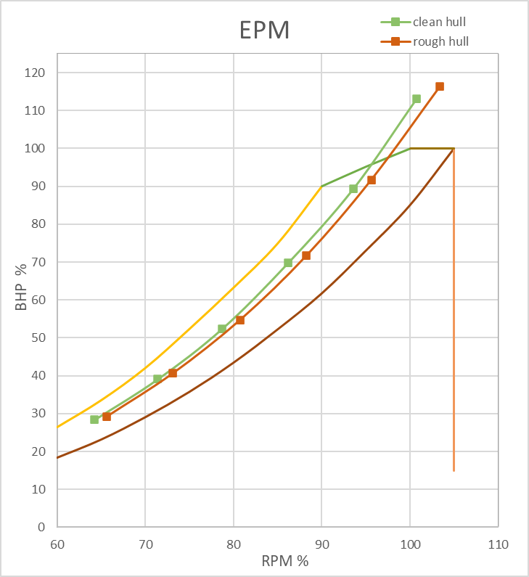
Detail of Calculation on Ship Resistance

Type of Ship |  |  |  |  |  | OIL TANKER
LPP |  |  |  |  |  | 137 | m
LWL |  |  |  |  |  | 142.48 | m
B |  |  |  |  |  | 23.7 | m
H |  |  |  |  |  | 13.34 | m
T |  |  |  |  |  | 9.947 | m | Lpp(B+T)+ 0.85 Lpp(H-T)+0.85{(L1.h1)+0.75(L2.h2)}
Vs |  |  |  |  |  | 16 | knot
Cb |  |  |  |  |  | 0.68
Cm |  |  |  |  |  | 0.982
Cp |  |  |  |  |  | 0.69
Volume Displacement |  |  |  |  |  | 22401.139758 | m3
 |  |  |  |  |  |  |  |  | 22840.377793 |  | 439.23803448

Using Data From Design 1

Cb |  |  |  |  |  | 0.68
Cm |  |  |  |  |  | 0.982 |  |  | B/T = | 2.382627928
Cp |  |  |  |  |  | 0.69
Am |  |  |  |  |  | 231.5005098
$$\frac{1}{2}(Lpp+Lwl)$$
L Displacement |  |  |  |  |  | 139.74 | m |  | 3.28084
 |  |  |  |  |  | 458.465 | ft
$$\frac{Vs}{\sqrt{L}.Disp}$$
Speed Length Ratio |  |  |  |  |  | 0.74725200257

$$Cm×B×T$$
$$Cb×Ldisp×B×T$$
$$V.disp×ρ air laut$$
Am |  |  |  |  |  | 231.5005098 | m² |  |  |  | 31%
Volume Displacement |  |  |  |  |  | 22401.139758 | m3
Displacement Weight |  |  |  |  |  | 22961.168252 | ton | lwt = | 5461.1682524
$$ρ×Lpp(\left(Cb×B\right)+\left(1,7×T\right))$$
Wetted Surface (S) |  |  |  |  |  | 4637.6620075 | m²
$$19{(Cb\frac{B}{L})}^{2}$$
Faktor Bentuk (K) |  |  |  |  |  | 0.24308620046

LCB |  |  |  |  |  | 0.50%
Assumptions

Sea Water Temp (Standart Indonesian Sea Temperature) |  |  |  |  |  | 25 | ⁰C
Viscosity Kinematics |  |  |  |  |  | 0.000000893
Density of sea water |  |  |  |  |  | 1.025 | ton/m3

HOLTROP EQUATION:

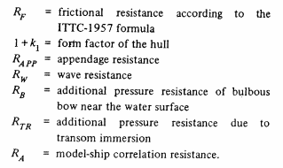

Holtrop Limitation
Fn <= | 1
Cp = | 0.785
B/T = | 2.382627928
L/B = | 6.011814346

Froude Number

Requirements for Holtrop calculations are Success
Because There is no Froude Number that exceeds the value of 1
Speed | Vs |  | Froude Number
 | knot | m/s
Vs + 1 | 17 | 8.738 | 0.23384174828
Vs | 16 | 8.224 | 0.22008635133
Vs - 1 | 15 | 7.71 | 0.20633095437
Vs - 2 | 14 | 7.196 | 0.19257555741
Vs - 3 | 13 | 6.682 | 0.17882016045
Vs - 4 | 12 | 6.168 | 0.16506476349
Vs - 5 | 11 | 5.654 | 0.15130936654

Reynold Number
Calculation of Reynold Number
$$Rn=\frac{v×Lwl}{vk}$$

vk is Viscocity Kinematics = 0,000000893
Speed | Vs |  | Reynolds Number
 | knot | m/s
Vs + 1 | 17 | 8.738 | 1394166002.2
Vs | 16 | 8.224 | 1312156237.4
Vs - 1 | 15 | 7.71 | 1230146472.6
Vs - 2 | 14 | 7.196 | 1148136707.7
Vs - 3 | 13 | 6.682 | 1066126942.9
Vs - 4 | 12 | 6.168 | 984117178.05
Vs - 5 | 11 | 5.654 | 902107413.21

1. Calculation Form Factor (1+k1)

$$1+k_{1}=0,93+0,487118C_{14}{\left(\frac{B}{L}\right)}^{1,06806}{\left(\frac{T}{L}\right)}^{0,46106}{\left(\frac{L}{L_{R}}\right)}^{0,121563}{\left(\frac{L^{3}}{∇}\right)}^{0,36486}{(1−C_{p})}^{−0,604247}$$

a. Calculation of Lr
$$L_{R}=L(1−C_{p}+\frac{0,06C_{p}lcb}{4C_{p}−1})$$
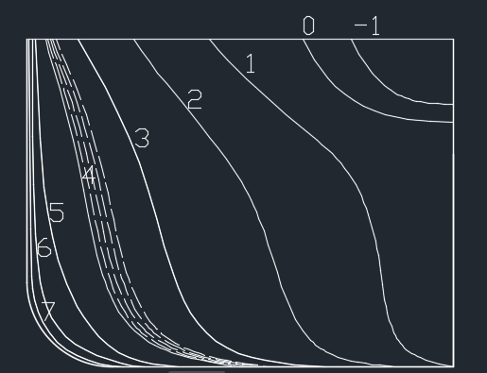

LR = | 44.185557591
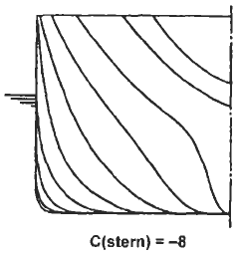
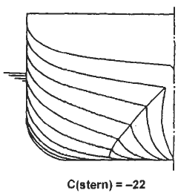
b. Calculation of C14
C Stern = | -8

C14 = | 1+0,011Cstern
= | 0.912

c. Calculation of Form Factor
$$1+k_{1}=0,93+\frac{0,487118C_{14}{(\frac{B}{L})}^{1,06806}{(\frac{T}{L})}^{0,46106}{(\frac{L}{L_{R}})}^{0,121563}{(\frac{L^{3}}{∇})}^{0,36486}}{{(1−C_{p}^{})}^{0,604247}}$$

1+k1 = | 1.1942175

2. Calculation of Wetted Surface Area

$$C_{WP}=0.248+0.778δ_{Lwl}$$
$$δ_{Lwl}=\frac{δ_{Ldispl×Ldispl}}{Lwl}$$
Cbwl = | (Lpp x Cb)/Lwl
= | 0.65384615385

$$S=L\left(2T+B\right)\sqrt{C_{M}}\left(0,453+0,4425C_{B}−0,2862C_{M}−0,003467\frac{B}{T}+0,3696C_{WP}\right)+2,38\frac{A_{BT}}{C_{B}}$$
Cwp = | 0,248+0,778 Cbwl |  | 0.068556667602
= | 0.75669230769
 |  |  |  |  |  | *ABT = 0 BecauseThis ship doesn’t have Bulbuos Bow

S = | 4581.0357197

3. Calculation of Additional Resistance (Rapp)

$$S_{app}=\left(\frac{2 Lwl T}{100}\right)×\left(1+25{\left(\frac{B}{Lwl}\right)}^{2}\right)$$
a. Additional Resistance for WSA

Sapp = | 47.952

b. Calculation For 1+K2
1+K2 for rudder behind the stern = |  | 1.5

$$Cf=\frac{0,075}{{(\log_{10}×Rn−2)}^{2}}$$
c. Additional Resistance Calculation
$$R_{APP}=0,5ρV^{2}S_{APP}(1+k_{2})C_{f}$$

Speed | V |  | Cf | Added Rapp
 | knot | m/s
Vs + 1 | 17 | 8.738 | 0.001469 | 4.13574029
Vs | 16 | 8.224 | 0.001480 | 3.6906452689
Vs - 1 | 15 | 7.71 | 0.001492 | 3.2694287709
Vs - 2 | 14 | 7.196 | 0.001505 | 2.8722616487
Vs - 3 | 13 | 6.682 | 0.001519 | 2.4993285951
Vs - 4 | 12 | 6.168 | 0.001534 | 2.15083039
Vs - 5 | 11 | 5.654 | 0.001550 | 1.8269867305

4. Calculation of Wave Resistance
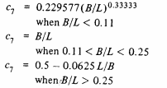
a. Calculation of C7
C7 = | B/L
= | 0.16633913532

b. Calculation of iE

 |  |  | Sudut masuk | 25.5251

iE = | 12.76255

c. Calculation of C1
$$C_{1}=2223105×C_{7}^{3,78613}×{(\frac{T}{B})}^{1,07961}×{(90−i_{E})}^{−1,37565}$$

C1 = | 2.4744546034

d. Calculation of C3
No bulbuos bow
C3 = | 0

e. Calculation of C2
$$C2=EXP(−1,89×C_{3}^{0,5})$$
C2 = | 1

f. Calculation of C5
$$C_{5}=1−0,8A_{T}(BTC_{M})$$
Because the ship isn't Transom, so AT = 0
C5 = | 1

g. Calculation of C16
C16=$\left(8,07981×Cp\right)−\left(13,8673×{Cp}^{2}\right)+(6,984388×{Cp}^{3})$
C16 = | 1.2672816875

h. Calculation of M1
$$m1=\left(0,0140407×\frac{L}{T}\right)−1,75254×\frac{∇^{\frac{1}{3}}}{L}−4,79323×\frac{B}{L}−C16$$
 |  |  |  |  | m1 = | -2.2102057039

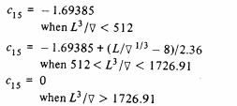
$$\frac{L^{3}}{∇}=$$
i. Calculation of C15
 | 129.11943107

C15 = | -1.69385
*For ship that 𝐿^3/∇ less than 512, C15 = -1,69385

j. Calculation of M2
$$M2=C15×Cp^{2}×EXP(−0,1Fn^{−2})$$

Speed | Vs |  | Froude Number | M2
 | knot | m/s
Vs + 1 | 17 | 8.738 | 0.23384174828 | -0.12952519034
Vs | 16 | 8.224 | 0.22008635133 | -0.10232328168
Vs - 1 | 15 | 7.71 | 0.20633095437 | -0.076991554438
Vs - 2 | 14 | 7.196 | 0.19257555741 | -0.054388299418
Vs - 3 | 13 | 6.682 | 0.17882016045 | -0.035351824414
Vs - 4 | 12 | 6.168 | 0.16506476349 | -0.020540922282
Vs - 5 | 11 | 5.654 | 0.15130936654 | -0.010224382811

k. Calculation for λ
$$λ=1,446×Cp−\frac{0,03L}{B}$$

λ = | 0.81738556962

$$Rw=C1×C2×C5×∇×ρ×g×EXP×(M1Fn^{d}+M2Cos\left(λFn^{−2}\right))$$
l. Calculation for Wave Resistance
 |  |  |  |  | *d = -0,9

Speed | Vs |  | Rw (kN)
 | knot | m/s
Vs + 1 | 17 | 8.738 | 172.5086553
Vs | 16 | 8.224 | 103.38118603
Vs - 1 | 15 | 7.71 | 55.129018026
Vs - 2 | 14 | 7.196 | 34.82295887
Vs - 3 | 13 | 6.682 | 16.320775435
Vs - 4 | 12 | 6.168 | 7.722769046
Vs - 5 | 11 | 5.654 | 3.1287934679

5. Calculation of Ship Bulbuos Bow Resistance

This ship doesn’t have Bulbuos Bow so RB = 0

6. Calculation of Ship Transom Resistance

This ship stern is not Transom so RTR = 0

7. Calculation of Ship Corelation Resistance
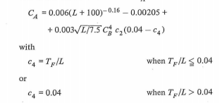
a. Calculation of C4
Tf/L = | 0.41970464135
That means Tf/L > 0,04
so, C4 = | 0.04

b. Calculation of CA
$$C_{A}=0,006×({\left(L+100\right)}^{−0,16}−0,00205+0,003({\left(\frac{L}{7,5}\right)}^{0,5}×Cb^{4}×C2×(0,04−C4)$$

CA = | 0.00044231598336

c. Calculation of RA
$$R_{A}=\frac{1}{2}ρ{×V}^{2}×S×CA$$

Speed | Vs |  | RA
 | knot | m/s
Vs + 1 | 17 | 8.738 | 79.289241215
Vs | 16 | 8.224 | 70.235452425
Vs - 1 | 15 | 7.71 | 61.730378108
Vs - 2 | 14 | 7.196 | 53.774018263
Vs - 3 | 13 | 6.682 | 46.36637289
Vs - 4 | 12 | 6.168 | 39.507441989
Vs - 5 | 11 | 5.654 | 33.19722556

8. Calculation of Friction Coefficient (Cf) and Friction Resistance (Rf) ITTC 1957

$$Cf=\frac{0,075}{{(\log_{10}×Rn−2)}^{2}}$$
$$Rf=\frac{1}{2}×ρ×Cf×S×V^{2}$$

Speed | Vs |  | Cf | Rf
 | knot | m/s
Vs + 1 | 17 | 8.738 | 0.0014694003403 | 263.40363542
Vs | 16 | 8.224 | 0.0014802908662 | 235.05571271
Vs - 1 | 15 | 7.71 | 0.0014920180677 | 208.22860337
Vs - 2 | 14 | 7.196 | 0.0015047094498 | 182.93318911
Vs - 3 | 13 | 6.682 | 0.0015185229982 | 159.18123293
Vs - 4 | 12 | 6.168 | 0.001533657534 | 136.98552242
Vs - 5 | 11 | 5.654 | 0.0015503678115 | 116.36005

9. Calculation of Total Resistance

$$R_{T}=R_{F}\left(1+k1\right)+Rapp+Rw+RB+RTR+RA$$

Speed | Vs |  | Total Resistance (kN)
 | knot | m/s | Rt | Rtmargin
Vs + 1 | 17 | 8.738 | 570.49487571 | 684.59385085
Vs | 16 | 8.224 | 458.01493639 | 549.61792367
Vs - 1 | 15 | 7.71 | 368.79907332 | 442.55888799
Vs - 2 | 14 | 7.196 | 309.93126006 | 371.91751207
Vs - 3 | 13 | 6.682 | 255.28349575 | 306.3401949
Vs - 4 | 12 | 6.168 | 212.97155368 | 255.56586441
Vs - 5 | 11 | 5.654 | 177.11221728 | 212.53466073

MAXSURF RT

V (Knot) | Fn Lwl | Fn Vol | RT (kN) | RT Margin (kN)
8 | 0.109 | 0.246 | 106.3 | 127.56
10.1 | 0.138 | 0.31 | 167.5 | 201
10.25 | 0.14 | 0.315 | 172.6 | 207.12
10.4 | 0.142 | 0.32 | 177.8 | 213.36
10.55 | 0.144 | 0.324 | 183.2 | 219.84
10.7 | 0.146 | 0.329 | 188.7 | 226.44
10.85 | 0.148 | 0.334 | 194.4 | 233.28
11 | 0.15 | 0.338 | 200.2 | 240.24
11.9 | 0.163 | 0.366 | 238.7 | 286.44
12.8 | 0.175 | 0.393 | 285.2 | 342.24
12.95 | 0.177 | 0.398 | 293.9 | 352.68
13 | 0.178 | 0.4 | 296.9 | 356.28
14 | 0.191 | 0.43 | 364.4 | 437.28

Detail of Calculation on Engine Seletion

1. Effective Horse Power
The power we would have to use to tow the ship without propulsive system
Rt Vs = | 356.28 | KN | MAXSURF
Vs = | 13 | knot
 | 6.6877777778 | m/s

 | EHP = | Rt Vs x Vs
 | EHP = | 2382.7214667 | KW
 | EHP = | 3193.9904716 | HP

2. Delivery Horse Power

 | DHP = | EHP/Pc |  |  | Where, Pc is propulsive coefficient
 |  |  |  |  | Pc = ηH x ηrr x ηo
a. hull efficiency ( ηH )
 | ηH = | (1-t)/(1-w) |  | t = | thrust deduction fraction
 |  |  |  | w = | wake fraction
(1). | Calculating Wake Friction (w)

 | So, in order to find the value of w of a ship with Cb used, we must interpolate it:

 |  |  |  |  | Cb | w
 |  |  |  |  | 0.75 | 0.314
 |  |  |  |  | 0.7759 | x
 |  |  |  |  | 0.8 | 0.354
 |  |  |  |  | 0.7759 - 0.75 | = | w - 0.314
 |  |  |  |  | 0.8-0,75 |  | 0.354-0,314
 |  |  |  |  | 0.0259 | = | w - 0.314
 |  |  |  |  | 0.05 | = | 0.04
 | (Principal of Naval Architecture Vol. 2, Pg.158 ) |  |  |  |  | Cb = | 0.7759
 |  |  |  |  |  | w = | 0.33472

(2). | Calclating Thrust Deduction Factor (t)
 | Nilai t dapat dicari dari nilai w yang telah diketahui yaitu :
 |  |  |  | for a ship with single rudder plate
 | t = | k.w |  | Value k between 0.7 ~ 0.9 and taken |  |  | k = 0.7
 | = | 0.234304 |  | (Principal of Naval Architecture Vol. 2, Pg.158 )

 | ηH = | (1-t)/(1-w)
 | = | 1.1509379509

b. Efisiensi Relatif Rotatif (ηrr)

ηrr = | 1.05

c. Efisiensi Propulsi (ηo)
Nilainya antara 40-70%, dan diambil :

ηo= | 0.5

d. Coeffisien Propulsif (Pc)
Pc = | ηH x ηrr x ηo
= | 0.60424242424

e. Delivery Horse Power

DHP = | EHP/Pc
= | 3943.3203811 | KW
= | 5285.9421045 | HP

3. Shaft Horse Power

SHP = | DHP/ηsηb | where | ηs = | shaft efficiency
 |  |  | ηb = | bearing efficiency

so, the shaft efficiency is, |  | 0.98 | and the bearing is still not applied for now.
SHP = | 4023.7963073 | kW
= | 5393.818474 | HP

3. calculating the required main Brake Horse Power
a.BHP scr

BHPscr = | SHP / Gearbox efficiency
This project is using gearbox predicted with loss 2%, so, ηG = 0,98

BHPscr = | 4105.9145993 | kW
= | 5393.818474 | HP

b. BHP mcr
 |  | Engine margin commonly used
 | %BHPscr | 1
BHP mcr = | BHP scr / engine margin
= | 4105.9145993 | KW
= | 5393.818474 | HP

Detail of Main Engine Seletion

Various types of engines were considered one by one until the matching engine was found based on the calculation of power in the previous section and the support system requirement. After finishing multiple consideration of engine and the support system, the selected engine for the ship is Wartsila 7 L32 edition 32. The engine dimension and weight is shown on figure 1 below, also the graph of Engine Propeller Matching is shown on figure 2 below.

Figure 1. Main engine Drawing

Figure 2. EPM Graph

DOC 3 ATTACH
TANK CAPACITY AND PAYLOAD

 | SHIP DATA
 | Name : MV. Minyak
 | Type : Oil Tanker

 | LPP |  | = | 137 |  | m |  | Main Engine Power |  |  |  |  | = | 8400 |  | kW
 | LWL |  | = | 142.48 |  | m |  | Volume Disp |  |  |  |  | = | 22401.139758 |  | m3
 | Ldisp |  | = | 139.74 |  | m |  | Endurance |  |  |  |  | = | 10 |  | days
 | B |  | = | 23.7 |  | m |  | Displacement |  |  |  |  | = | 22983.6 |  | ton
 | H |  | = | 13.34 |  | m |  | W. Total of Consumable |  |  |  |  | = | 840.4531 |  | ton
 | T |  | = | 9.947 |  | m
 | Vs |  | = | 16 |  | Knot
 | Cb |  | = | 0.68
 | Cp |  | = | 0.69
 | Cm |  | = | 0.982

A. LWT Calculation

 | 1. Ship Steel Weight
 | The calculation of ship steel weight based on the formula from Watson, RINA(Practical Ship Design, DGM Watson):

 | E(Llyod's equipment num) = Lpp(B+T)+ 0.85 Lpp(H-T)+0.85{(L1.h1)+0.75(L2.h2)}

 | In which: |  |  | L1 | = | Forecastle deck length |  |  |  |  | = | 15 |  | m
 |  |  |  | h1 | = | Forecastle height |  |  |  |  | = | 2.5 |  | m
 |  |  |  | L2 | = | Poopdeck length |  |  |  |  | = | 30.68 |  | m
 |  |  |  | h2 | = | Poopdeck height |  |  |  |  | = | 2.5 |  | m

 | So, the value of E |  |  |  | = | 5085.5251 |  | m2

 | Ship Steel Weight(Wst)
 | Wst = K x E^1.36

 | Which K value can be obtained from the table which is stated in practical ship design page 85

 |  |  |  | based on the table on Practical Ship Design by Watson
 |  |  |  | page
 |  | Wst | = | K x E^1.36 |  |  | k = | 0.035 |  | (estimated)
 |  |  | = | 3843.12699 |  | Ton

 | 2. Outfit and Accomodation
 |  | WOA | = | 0.4 x Lpp x B
 |  |  | = | 1298.76 |  | Ton | (Practical Ship Design Page. 100 DGM Watson)

 | 3. Engine Installation Weight
 |  | Wmt | = | 0.72 x MCR^0.78
 |  |  | = | 828.45770146 |  | Ton

 | 4. Reserved Weight (WRes)
 |  | Wres | = | 2.5%(Wst+WOA+Wmt)
 |  |  | = | 149.25861729 |  | Ton

 | 5. Total LWT |  |  |  |  |  |  |  |  |  |  |  |  | 2.142
 |  | LWT | = | Wst+Woa+Wmt+Wres |  |  |  |  |  |  |  |  |  | 1.8
 |  |  | = | 6119.6033088 |  | Ton |  |  |  |  |  |  |  | 0.84033613445

 |  | DWT | = | Displacement - LWT
 |  |  | = | 16863.966083 |  | Ton

 | 6. Payload
 |  | Payload | = | DWT - WT |  |  |  |  |  | Density
 |  |  | = | 16023.512994 |  | Ton |  |  |  | 1. Crude Oil |  |  |  | = | 0.92 |  | ton/m3

 |  | Volume | = | Payload x Density
 |  |  | = | 17416.86195 |  | m3 | (Crude Oil)

B. Calculation of Framing

 | 1. Calculation of Standard Frame Spacing
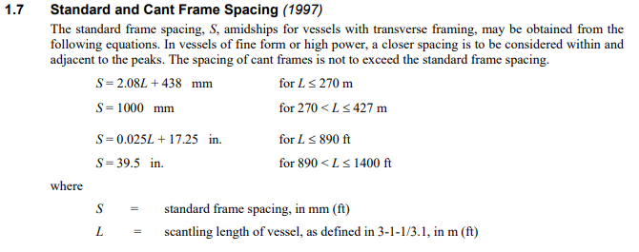

 |  |  |  |  |  |  |  |  |  |  |  |  |  | From ABS Rules
 |  | S | = | 2.08*L + 438
 |  | S | = | 722.96 |  | mm
 |  | Taken | = | 700.00 |  | mm
 |  | Sb and Cb | = | 600.00 |  | mm |  | (Aft. Sterntube Blkh. and Before Collision Blkh.)

 | 2. Calculation of Double Bottom
 | According to ABS Rules Part 3, Hull Construction and Equipment , Tanker Ships of 5000 deadweight and above shall have double hull in the entire cargo tank length with arrangement as follows:

 | Double Side Width (m)
 | w | = | 0.5 + DW/20000 |  |  |  | or w = 2 whichever is the lesser, but not less than 1 m
 |  | = | 1.3431983042 | m

 | Double Bottom Height (m)
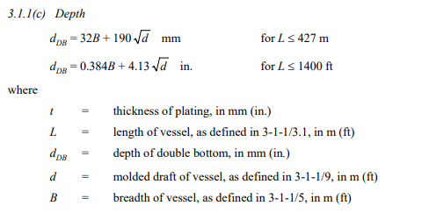

 |  | Depth | = | h
 |  | h | = | 32B + 190 (d)^0.5
 |  | h | = | 1357.6384333 |  | mm
 |  | Taken | = | 1.325 |  | m

 | 3. Calculation of Bulkhead
 |  | a. Sterntube Bulkhead (AP Bulkhead)
 |  |  | The bulkhead afterpeak is located 0.35 T + at least 3 frame distances in front of the stern

 |  |  |  |  | Stern (from AP) | = | 3.48145 |  | m
 |  |  |  |  | +3 frame | = | 5.28145 |  | m
 |  |  |  |  | Taken | = | 4.8 |  | m

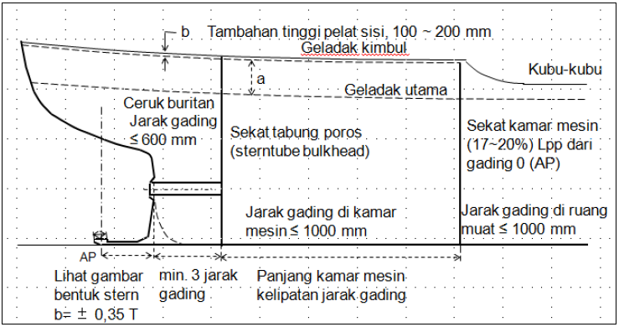

 |  | b. Engine Room Bulkhead
 |  | The location of the bulkhead engine room is estimated to be 17% s / d 20%
 |  | Lpp as measured from the AP line.

 |  |  | Engine room bulkhead placed between (17-20)% Lpp from AP

 |  |  |  |  | 18%Lpp | = | 24.66 |  | m
 |  | From Sterntube |  |  |  | = | 20373 |  | mm
 |  |  | Frame Space |  |  | = | 700 |  | mm
 |  |  | No. of Frame |  |  | = | 29.104285714
 |  |  |  |  |  | = | 29
 |  | Length Taken |  |  |  | = | 20300 |  | mm

 |  | c. Collision Bulkhead
 |  |  | The placement of Collision Bulkhead is 0.05 – 0.08 Lc that measured
 |  |  | From FP

 |  |  |  | 0.05Lpp | = | 6.85 |  | m
 |  |  |  | 0.06Lpp | = | 8.22 |  | m
 |  |  |  | 0.07Lpp | = | 9.59 |  | m
 |  |  |  | 0.08Lpp | = | 10.96 |  | m

 |  |  |  | Taken | = | 10.96 |  | m

 |  | d. Amount of Cargo Bulkhead / Cargo Hold Bulkhead

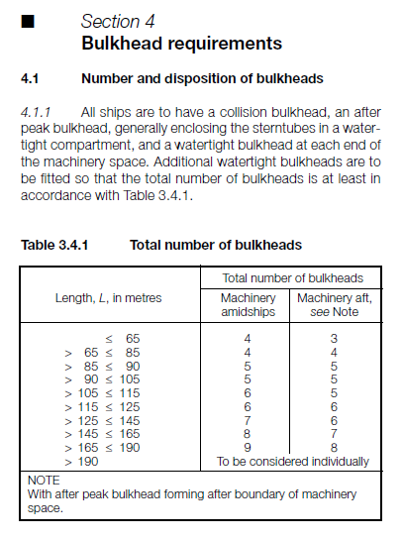

 |  |  |  | L | = | 137 |  | m
 |  |  | Which means, according to the table above, must be equipped
 |  |  | with a transverse bulkhead of at least 6 if the engine room is
 |  |  | located behind.

 |  |  |  | Taken | = | 7 |  | 7

 | 1. SLOP Tank
 | Slop tanks are present onboard tanker to store oily water mixture from cargo tank washing

 | V | = | 3% x cargo tank volume
 |  | = | 480.70538982 |  | ton
 |  | = | 522.5058585 |  | m3

 | 2. LO tank
 |  |  | V L.O. | = | 1.730092 |  | m3 |  | (from Doc 2 GT and Wt Calculation)
 | 3. Fresh Water Tank
 |  |  | FW Volume | = | 22.734375 |  | m3

 | 4. Sludge Tank
 | According to Marpol Annex 1, Unified Interpretations Reg. 17, 8.1 about Sludge Tank Capacity, the minimum capacity of sludge tank can be determined by :

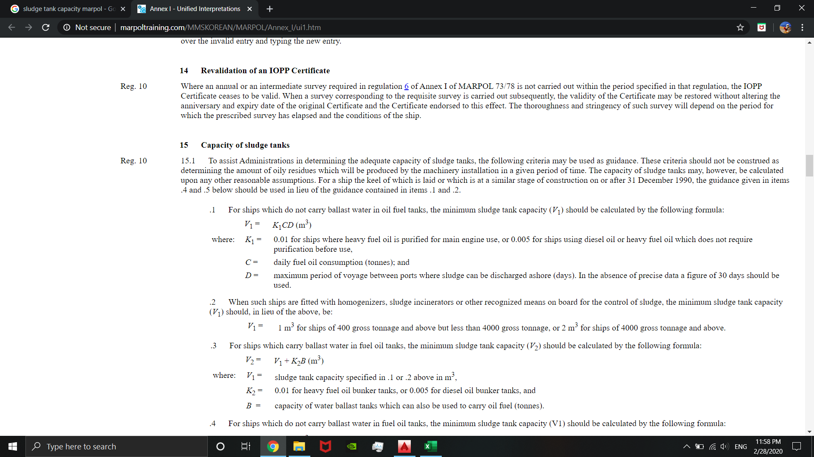

 |  |  | V1 | = | K1 x C x D |  |  | m3
 |  |  | So :
 |  |  | K1 | = | 0.01
 |  |  | C | = | 28.71 |  | ton
 |  |  | D | = | 20 |  | days
 |  |  | V1 | = | 5.742 |  | m3

 | 5. Sewage Tank
 |  | According to Annex IV of MARPOL 73/78 Reg 9. Equipment for the prevention of
 |  | pollution by sewage, the capacity of the holding tank is to comply with the
 |  | following formula:
 |  |  | Cr | ≥ | A x Np x Da
 |  |  | Where :
 |  |  | Cr | = | capacity of the holding tank (m3 )
 |  |  | A | = | 0.06 (m3 /person/day) Value of A may reduce according
 |  |  |  |  | to the flushing system etc
 |  |  | Np | = | the total number of persons on board
 |  |  | Da | = | the maximum number of days operating in areas where the discharge of sewage which is not comminuted or disinfected into the sea is prohibited (minimum 1 day)

 |  |  | So, | A | = | 0.06 |  | m3/person/day
 |  |  |  | Np | = | 20 |  | Person
 |  |  |  | Da | = | 10 |  | Day
 |  |  |  | Cr | > | 12 |  | m3

 | 6. Bilge Tank
 | According to IMO, 2008 REVISED GUIDELINES FOR SYSTEMS FOR HANDLING OILY WASTES IN MACHINERY SPACES OF SHIPS INCORPORATING GUIDANCE NOTES FOR AN INTEGRATED BILGE WATER TREATMENT SYSTEM (IBTS) page 3

 | The recommended capacity of oily bilge water holding tanks should be as follows:
 |  | Main engine rating (kW) |  |  |  |  |  | Capacity (m3)
 |  | up to 1,000 |  |  |  |  |  | 4
 |  | Above 1,000 up to 20,000 |  |  |  |  |  | P/250
 |  |  | P | = | main engine rating in kW
 |  |  | ME Power | = | 8400 |  | kW

 |  | So, the Bilge tank recommended capacity is :
 |  |  | V | = | 33.6 |  | m3

 | 7. Sea Chest Tank
 | Sea Chest Water is needed to fullfil the required water for ship operation
 | Assumption of 1m3 volume for 750 kW engine, so :
 | Vol Needed |  |  | = | P/750
 |  |  |  | = | 11.2 |  | m3

SARAT KOSONG
Type of Ship |  |  |  |  |  | OIL TANKER
LPP |  |  |  |  |  | 137.00 | m
LWL |  |  |  |  |  | 142.48 | m
B |  |  |  |  |  | 23.7 | m
H |  |  |  |  |  | 13.34 | m |  |  | Lpp(B+T)+ 0.85 Lpp(H-T)+0.85{(L1.h1)+0.75(L2.h2)}
T |  |  |  |  |  | 9.947 | m
Vs |  |  |  |  |  | 16 | knot
Cb |  |  |  |  |  | 0.68
Cm |  |  |  |  |  | 0.982
Cp |  |  |  |  |  | 0.69
Volume Displacement |  |  |  |  |  | 22401.139758 | m3

Calculation of Ship Dimension

Using Data From Design 1

Cb |  |  |  |  |  | 0.68
Cm |  |  |  |  |  | 0.982
Cp |  |  |  |  |  | 0.69
Am |  |  |  |  |  | 231.5005098
$$\frac{1}{2}(Lpp+Lwl)$$
L Displacement |  |  |  |  |  | 139.74 | m
 |  |  |  |  |  | 458.465 | ft
$$\frac{Vs}{\sqrt{L}.Disp}$$
Speed Length Ratio |  |  |  |  |  | 0.74725200257

$$Cm×B×T$$
$$Cb×Ldisp×B×T$$
$$V.disp×ρ air laut$$
Am |  |  |  |  |  | 231.5005098 | m²
Volume Displacement |  |  |  |  |  | 22401.139758 | m3
Displacement Weight |  |  |  |  |  | 22961.168252 | ton
$$ρ×Lpp(\left(Cb×B\right)+\left(1,7×T\right))$$
Wetted Surface (S) |  |  |  |  |  | 4637.6620075 | m²
$$19{(Cb\frac{B}{L})}^{2}$$
Faktor Bentuk (K) |  |  |  |  |  | 0.24308620046
 |  |  |  |  |  |  |  |  | BUSAN
LCB |  |  |  |  |  | 0.50%

SARAT KAPAL KOSONG ENGINE MAN L32/44CR |  |  |  |  |  |  |  |  |  |  |  |  |  |  |  |  |  |  |  |  |  |  |  |  |  |  |  |  | SARAT KAPAL KOSONG ENGINE CAT M 32 C |  |  |  |  |  |  |  |  |  |  |  |  |  |  |  | SARAT KAPAL KOSONG ENGINE WARTSILA 7L32
Perhitungan Berat Kebutuhan Tangki |  |  |  |  |  |  |  |  |  |  |  |  |  |  |  |  |  |  |  |  |  |  |  |  |  |  |  |  | Perhitungan Berat Kebutuhan Tangki |  |  |  |  |  |  |  |  |  |  |  |  |  |  |  | Perhitungan Berat Kebutuhan Tangki
1. | Berat Bahan Bakar Mesin Induk |  |  |  |  |  |  |  |  |  |  |  |  |  |  | Volume HFO Settling Tank |  |  | 24 jam |  |  |  |  |  |  |  |  |  | 1. | Berat Bahan Bakar Mesin Induk |  |  |  |  |  |  |  |  |  |  |  |  |  |  | 1. | Berat Bahan Bakar Mesin Induk
 | WFO | = | BHPME . bME . (S/Vs) . 10-6 . C |  |  | (Ton) |  |  |  |  |  |  |  |  |  | W = | 30.76 | ton |  | Dimana ρ diesel = |  | 0.95 | ton/m3 |  |  |  |  |  |  | WFO | = | BHPME . bME . (S/Vs) . 10-6 . C |  |  | (Ton) |  |  |  |  |  |  |  |  |  |  | WFO | = | BHPME . bME . (S/Vs) . 10-6 . C |  |  | (Ton)
 | Keterangan : |  |  | BHPME |  | = | BHP Mesin utama dari catalog (kW) |  |  |  |  |  | waktu tempuh | 260.84615385 | jam | Vol = | 32.377263158 | m3 |  |  |  |  |  |  |  |  |  |  |  | Keterangan : |  |  | BHPME |  | = | BHP Mesin utama dari catalog (kW) |  |  |  |  |  | waktu tempuh | 260.84615385 | jam |  | Keterangan : |  |  | BHPME |  | = | BHP Mesin utama dari catalog (kW) |  |  |  |  |  | waktu tempuh | 260.84615385 | jam
 |  |  |  | bME |  | = | Spesifik konsumsi bahan bakar mesin induk =178 g/kWh |  |  |  |  |  |  | 260.84615385 |  |  |  |  |  |  |  |  |  |  |  |  |  |  |  |  |  |  | bME |  | = | Spesifik konsumsi bahan bakar mesin induk =178 g/kWh |  |  |  |  |  |  | 260.84615385 |  |  |  |  |  | bME |  | = | Spesifik konsumsi bahan bakar mesin induk =178 g/kWh |  |  |  |  |  |  | 260.84615385
 |  |  |  | S |  | = | Rute Pelayaran (Nautical Miles) |  |  |  |  |  |  | 10.868589744 | days | Volume HFO Service Tank |  |  | 8 jam |  |  |  |  |  |  |  |  |  |  |  |  |  | S |  | = | Rute Pelayaran (Nautical Miles) |  |  |  |  |  |  | 10.868589744 | days |  |  |  |  | S |  | = | Rute Pelayaran (Nautical Miles) |  |  |  |  |  |  | 10.868589744 | days
 |  |  |  | Vs |  | = | Kecepatan Kapal (Knots) |  |  |  |  |  |  |  |  | W= | 10.2528 |  |  |  |  |  |  |  |  |  |  |  |  |  |  |  | Vs |  | = | Kecepatan Kapal (Knots) |  |  |  |  |  |  |  |  |  |  |  |  | Vs |  | = | Kecepatan Kapal (Knots)
 |  |  |  | C |  | = | Koreksi Cadangan (1.3-1.5) |  |  |  |  |  | S = | 3391 | nm | Vol= | 10.792421053 | m3 |  |  |  |  |  |  |  |  |  |  |  |  |  |  | C |  | = | Koreksi Cadangan (1.3-1.5) |  |  |  |  |  | S = | 3391 | nm |  |  |  |  | C |  | = | Koreksi Cadangan (1.3-1.5) |  |  |  |  |  | S = | 3391 | nm
 | WFO | = | BHPME . bME . (S/Vs) . 10-6 . C |  |  |  |  |  | Vs = | 13 | knot |  | = | 6280.132 | km |  |  |  |  |  |  |  |  |  |  |  |  |  |  | WFO | = | BHPME . bME . (S/Vs) . 10-6 . C |  |  |  |  |  | Vs = | 13 | knot |  | = | 6280.132 | km |  | WFO | = | BHPME . bME . (S/Vs) . 10-6 . C |  |  |  |  |  | Vs = | 13 | knot |  | = | 6280.132 | km
 |  | = | 4480 . 178 . 3391/13 . 10-6 . 1,5 |  |  |  |  |  | = | 24.076 | km/h |  |  |  |  |  |  |  |  |  |  |  |  |  |  |  |  |  |  |  | = | 3840 . 177 . 3391/13 . 10-6 . 1,5 |  |  |  |  |  | = | 24.076 | km/h |  |  |  |  |  |  | = | 4060 . 185. 3391/13 . 10-6 . 1,5 |  |  |  |  |  | = | 24.076 | km/h
 |  | = | 334.30 |  | Ton |  | 28.71 |  |  |  |  |  |  |  |  |  |  |  |  |  |  |  |  |  |  |  |  |  |  |  | = | 265.94 |  | Ton |  |  |  |  |  |  |  |  |  |  |  |  | = | 293.88 |  | Ton
 |  |  |  |  |  |  |  |  |  |  |  | "Tentang Rencana Umum" Gaguk Suhardjito 2006 hal 16 |  |  |  |  |  |  |  |  |  |  |  |  |  |  |  |  |  |  |  |  |  |  |  |  |  |  |  |  | "Tentang Rencana Umum" Gaguk Suhardjito 2006 hal 16 |  |  |  |  |  |  |  |  |  |  |  |  |  |  |  | "Tentang Rencana Umum" Gaguk Suhardjito 2006 hal 16
2. | Volume Bahan Bakar Mesin Induk |  |  |  |  |  |  |  |  |  |  |  |  |  |  |  |  |  |  |  |  |  |  |  |  |  |  |  | 2. | Volume Bahan Bakar Mesin Induk |  |  |  |  |  |  |  |  |  |  |  |  |  |  | 2. | Volume Bahan Bakar Mesin Induk
 | V(WFO) |  | = | WFO / ρ |  | (m3) |  |  |  |  |  |  |  |  |  |  |  |  |  |  |  |  |  |  |  |  |  |  |  | V(WFO) |  | = | WFO / ρ |  | (m3) |  |  |  |  |  |  |  |  |  |  | V(WFO) |  | = | WFO / ρ |  | (m3)
 | Dimana ρ diesel = |  |  | 0.95 |  | ton/m3 |  |  |  |  |  |  |  |  |  |  |  |  |  |  |  |  |  |  |  |  |  |  |  | Dimana ρ diesel = |  |  | 0.95 |  | ton/m3 |  |  |  |  |  |  |  |  |  |  | Dimana ρ diesel = |  |  | 0.95 |  | ton/m3

 | V(WFO) |  | = | 351.895 |  | m3 |  |  |  |  |  | "Tentang Rencana Umum" Gaguk Suhardjito 2006 hal 16 |  |  |  |  |  |  |  |  |  |  |  |  |  |  |  |  |  | V(WFO) |  | = | 279.935 |  | m3 |  |  |  |  |  | "Tentang Rencana Umum" Gaguk Suhardjito 2006 hal 16 |  |  |  |  | V(WFO) |  | = | 309.350 |  | m3 |  |  |  |  |  | "Tentang Rencana Umum" Gaguk Suhardjito 2006 hal 16
 |  |  | = | 351895 |  | Liter |  |  |  |  |  |  |  |  |  |  |  |  |  |  |  |  |  |  |  |  |  |  |  |  |  | = | 279935 |  | Liter |  |  |  |  |  |  |  |  |  |  |  |  | = | 309350 |  | Liter

3. | Koreksi Volume Tambahan Bahan Bakar Mesin Induk |  |  |  |  |  |  |  |  |  |  |  |  |  |  |  |  |  |  |  |  |  |  |  |  |  |  |  | 3. | Koreksi Volume Tambahan Bahan Bakar Mesin Induk |  |  |  |  |  |  |  |  |  |  |  |  |  |  | 3. | Koreksi Volume Tambahan Bahan Bakar Mesin Induk
 | V2 (WFO) |  | = | 102% . V (WFO) |  |  |  | m3 | (Koreksi untuk Double Bottom) |  |  |  |  |  |  |  |  |  |  |  |  |  |  |  |  |  |  |  |  | V2 (WFO) |  | = | 102% . V (WFO) |  |  |  | m3 | (Koreksi untuk Double Bottom) |  |  |  |  |  |  |  | V2 (WFO) |  | = | 102% . V (WFO) |  |  |  | m3 | (Koreksi untuk Double Bottom)
 |  |  | = | 358.933 |  | m3 |  |  |  |  |  |  |  |  |  |  |  |  |  |  |  |  |  |  |  |  |  |  |  |  |  | = | 285.533 |  | m3 |  |  |  |  |  |  |  |  |  |  |  |  | = | 315.537 |  | m3
 |  |  | = | 358933 |  | Liter |  |  |  |  |  |  |  |  |  |  |  |  |  |  |  |  |  |  |  |  |  |  |  |  |  | = | 285533 |  | Liter |  |  |  |  |  |  |  |  |  |  |  |  | = | 315537 |  | Liter

 | V3 (WFO) |  | = | 102% . V2 (WFO) |  |  |  | m3 | (Koreksi untuk Ekspansi karena Panas) |  |  |  |  |  |  |  |  |  |  |  |  |  |  |  |  |  |  |  |  | V3 (WFO) |  | = | 102% . V2 (WFO) |  |  |  | m3 | (Koreksi untuk Ekspansi karena Panas) |  |  |  |  |  |  |  | V3 (WFO) |  | = | 102% . V2 (WFO) |  |  |  | m3 | (Koreksi untuk Ekspansi karena Panas)
 |  |  | = | 366.112 |  | m3 |  |  |  |  |  |  |  |  |  |  |  |  |  |  |  |  |  |  |  |  |  |  |  |  |  | = | 291.244 |  | m3 |  |  |  |  |  |  |  |  |  |  |  |  | = | 321.848 |  | m3
 |  |  | = | 366112 |  | Liter |  |  |  |  |  |  |  |  |  |  |  |  |  |  |  |  |  |  |  |  |  |  |  |  |  | = | 291244 |  | Liter |  |  |  |  |  |  |  |  |  |  |  |  | = | 321848 |  | Liter

 |  |  |  |  |  |  |  |  |  |  |  |  |  |  |  |  |  |  |  |  |  |  |  |  |  |  |  |  |  | Maka V(WFO) |  |  | = | 291.244 |  | m3 |  |  |  |  | "Tentang Rencana Umum" Gaguk Suhardjito 2006 hal 16 |  |  |  |  | Maka V(WFO) |  |  | = | 321.848 |  | m3 |  |  |  |  | "Tentang Rencana Umum" Gaguk Suhardjito 2006 hal 16
 |  |  |  |  |  |  |  |  |  |  |  |  |  |  |  |  |  |  |  |  |  |  |  |  |  |  |  |  |  |  |  |  |  | 291244 |  | Liter |  |  |  |  |  |  |  |  |  |  |  |  |  | 321848 |  | Liter

4. | Berat Bahan Bakar Mesin Bantu |  |  |  |  |  |  |  |  |  |  |  |  |  |  |  |  |  |  |  |  |  |  |  |  |  |  |  | 4. | Berat Bahan Bakar Mesin Bantu |  |  |  |  |  |  |  |  |  |  |  |  |  |  | 4. | Berat Bahan Bakar Mesin Bantu
 | WFB | = | (0,1-0,2) WFO |  |  | (Ton) |  |  |  |  |  |  |  |  |  |  |  |  |  |  |  |  |  |  |  |  |  |  |  | WFB | = | (0,1-0,2) WFO |  |  | (Ton) |  |  |  |  |  |  |  |  |  |  | WFB | = | (0,1-0,2) WFO |  |  | (Ton)
 |  | = | 0,15WFO |  |  |  |  |  |  |  |  | "Tentang Rencana Umum" Gaguk Suhardjito 2006 hal 16 |  |  |  |  |  |  |  |  |  |  |  |  |  |  |  |  |  |  | = | 0,15WFO |  |  |  |  |  |  |  |  | "Tentang Rencana Umum" Gaguk Suhardjito 2006 hal 16 |  |  |  |  |  | = | 0,15WFO |  |  |  |  |  |  |  |  | "Tentang Rencana Umum" Gaguk Suhardjito 2006 hal 16
 |  | = | 33.4300 |  | Ton |  |  |  |  |  |  |  |  |  |  |  |  |  |  |  |  |  |  |  |  |  |  |  |  |  | = | 39.8907 |  | Ton |  |  |  |  |  |  |  |  |  |  |  |  | = | 44.0823 |  | Ton

5. | Volume Bahan Bakar Mesin Bantu |  |  |  |  |  |  |  |  |  |  |  |  |  |  |  |  |  |  |  |  |  |  |  |  |  |  |  | 5. | Volume Bahan Bakar Mesin Bantu |  |  |  |  |  |  |  |  |  |  |  |  |  |  | 5. | Volume Bahan Bakar Mesin Bantu
 | V (WFB) |  | = | WFB / ρ |  | (m3) |  |  |  |  |  |  |  |  |  |  |  |  |  |  |  |  |  |  |  |  |  |  |  | V (WFB) |  | = | WFB / ρ |  | (m3) |  |  |  |  |  |  |  |  |  |  | V (WFB) |  | = | WFB / ρ |  | (m3)
 | Dimana ρ diesel |  | = | 0.95 |  | Ton/m3 |  |  |  |  |  |  |  |  |  |  |  |  |  |  |  |  |  |  |  |  |  |  |  | Dimana ρ diesel = |  |  |  | 0.95 |  | Ton/m3 |  |  |  |  |  |  |  |  |  | Dimana ρ diesel = |  |  |  | 0.95 |  | Ton/m3

 | V (WFB) |  | = | WFB / ρ |  | (m3) |  |  |  |  |  | "Tentang Rencana Umum" Gaguk Suhardjito 2006 hal 16 |  |  |  |  |  |  |  |  |  |  |  |  |  |  |  |  |  | V (WFB) |  | = | WFB / ρ |  | (m3) |  |  |  |  |  | "Tentang Rencana Umum" Gaguk Suhardjito 2006 hal 16 |  |  |  |  | V (WFB) |  | = | WFB / ρ |  | (m3) |  |  |  |  |  | "Tentang Rencana Umum" Gaguk Suhardjito 2006 hal 16
 |  |  | = | 35.1895 |  | (m3) |  |  |  |  |  |  |  |  |  |  |  |  |  |  |  |  |  |  |  |  |  |  |  |  |  | = | 41.9902 |  | (m3) |  |  |  |  |  |  |  |  |  |  |  |  | = | 46.4025 |  | (m3)
 |  |  | = | 35189.5 |  | Liter |  |  |  |  |  |  |  |  |  |  |  |  |  |  |  |  |  |  |  |  |  |  |  |  |  | = | 41990.2 |  | Liter |  |  |  |  |  |  |  |  |  |  |  |  | = | 46402.5 |  | Liter

6. | Penambahan Volume Tanki Bahan Bakar Mesin Bantu |  |  |  |  |  |  |  |  |  |  |  |  |  |  |  |  |  |  |  |  |  |  |  |  |  |  |  | 6. | Penambahan Volume Tanki Bahan Bakar Mesin Bantu |  |  |  |  |  |  |  |  |  |  |  |  |  |  | 6. | Penambahan Volume Tanki Bahan Bakar Mesin Bantu
 | VTank (WFB) |  |  | = | 104% . V (WFB) |  |  |  |  |  |  |  |  |  |  |  |  |  |  |  |  |  |  |  |  |  |  |  |  | VTank (WFB) |  |  | = | 104% . V (WFB) |  |  |  |  |  |  |  |  |  |  |  | VTank (WFB) |  |  | = | 104% . V (WFB)
 |  |  |  | = | 36.5971 |  | (m3) |  |  |  |  | "Tentang Rencana Umum" Gaguk Suhardjito 2006 hal 16 |  |  |  |  |  |  |  |  |  |  |  |  |  |  |  |  |  |  |  |  | = | 43.6698 |  | (m3) |  |  |  |  | "Tentang Rencana Umum" Gaguk Suhardjito 2006 hal 16 |  |  |  |  |  |  |  | = | 48.2586 |  | (m3) |  |  |  |  | "Tentang Rencana Umum" Gaguk Suhardjito 2006 hal 16
 |  |  |  | = | 36597.1 |  | Liter |  |  |  |  |  |  |  |  |  |  |  |  |  |  |  |  |  |  |  |  |  |  |  |  |  | = | 43669.8 |  | Liter |  |  |  |  |  |  |  |  |  |  |  |  | = | 48258.6 |  | Liter

7. | Berat Minyak Pelumas |  |  |  |  |  |  |  |  |  |  |  |  |  |  |  |  |  |  |  |  |  |  |  |  |  |  |  | 7. | Berat Minyak Pelumas |  |  |  |  |  |  |  |  |  |  |  |  |  |  | 7. | Berat Minyak Pelumas
 | WLO | = | BHPME . bLO . (S/Vs) . 10-6 . C |  |  |  |  |  |  |  |  |  |  |  |  |  |  |  |  |  |  |  |  |  |  |  |  |  |  | WLO | = | BHPME . bLO . (S/Vs) . 10-6 . C |  |  |  |  |  |  |  |  |  |  |  |  |  | WLO | = | BHPME . bLO . (S/Vs) . 10-6 . C
 | BHPME | = | BHP Mesin utama dari catalog (kW) |  |  |  |  |  |  |  |  |  |  |  |  |  |  |  |  |  |  |  |  |  |  |  |  |  |  | BHPME | = | BHP Mesin utama dari catalog (kW) |  |  |  |  |  |  |  |  |  |  |  |  |  | BHPME | = | BHP Mesin utama dari catalog (kW)
 | bLO | = | 0.8 |  |  |  |  |  |  |  |  |  |  |  |  |  |  |  |  |  |  |  |  |  |  |  |  |  |  | bLO | = | 0.6 |  |  |  |  |  |  |  |  |  |  |  |  |  | bLO | = | 0.35
 | S | = | Rute Pelayaran (Nautical Miles) |  |  |  |  |  |  |  |  |  |  |  |  |  |  |  |  |  |  |  |  |  |  |  |  |  |  | S | = | Rute Pelayaran (Nautical Miles) |  |  |  |  |  |  |  |  |  |  |  |  |  | S | = | Rute Pelayaran (Nautical Miles)
 | Vs | = | Kecepatan Kapal (Knots) |  |  |  |  |  |  |  |  |  |  |  |  |  |  |  |  |  |  |  |  |  |  |  |  |  |  | Vs | = | Kecepatan Kapal (Knots) |  |  |  |  |  |  |  |  |  |  |  |  |  | Vs | = | Kecepatan Kapal (Knots)
 | C | = | Koreksi Cadangan (1.3-1.5) |  |  |  |  |  |  |  |  |  |  |  |  |  |  |  |  |  |  |  |  |  |  |  |  |  |  | C | = | Koreksi Cadangan (1.3-1.5) |  |  |  |  |  |  |  |  |  |  |  |  |  | C | = | Koreksi Cadangan (1.3-1.5)
 |  |  |  |  |  |  |  |  |  |  | "Tentang Rencana Umum" Gaguk Suhardjito 2006 hal 16 |  |  |  |  |  |  |  |  |  |  |  |  |  |  |  |  |  |  |  |  |  |  |  |  |  |  |  |  | "Tentang Rencana Umum" Gaguk Suhardjito 2006 hal 16 |  |  |  |  |  |  |  |  |  |  |  |  |  |  |  | "Tentang Rencana Umum" Gaguk Suhardjito 2006 hal 16
 | WLO | = | BHPME . bLO . (S/Vs) . 10-6 . C |  |  |  |  |  |  |  |  |  |  |  |  |  |  |  |  |  |  |  |  |  |  |  |  |  |  | WLO | = | BHPME . bLO . (S/Vs) . 10-6 . C |  |  |  |  |  |  |  |  |  |  |  |  |  | WLO | = | BHPME . bLO . (S/Vs) . 10-6 . C
 |  | = | 1.215 |  | Ton |  | 0.72920064 |  |  |  |  |  |  |  |  |  |  |  |  |  |  |  |  |  |  |  |  |  |  |  | = | 0.798 |  | Ton |  | 0.47853792 |  |  |  |  |  |  |  |  |  |  | = | 0.465 |  | Ton |  | 0.27914712

8. | Volume Minyak Pelumas |  |  |  |  |  |  |  |  |  |  |  |  |  |  |  |  |  |  |  |  |  |  |  |  |  |  |  | 8. | Volume Minyak Pelumas |  |  |  |  |  |  |  |  |  |  |  |  |  |  | 8. | Volume Minyak Pelumas
 | V(WLO) |  | = | WLO / ρ |  | (m3) |  |  |  |  |  |  |  |  |  |  |  |  |  |  |  |  |  |  |  |  |  |  |  | V(WLO) |  | = | WLO / ρ |  | (m3) |  |  |  |  |  |  |  |  |  |  | V(WLO) |  | = | WLO / ρ |  | (m3)
 | Dimana ρ lube oil |  |  |  | = | 0.9 | Ton/m3 |  |  |  |  |  |  |  |  |  |  |  |  |  |  |  |  |  |  |  |  |  |  | Dimana ρ lube oil |  |  |  | = | 0.9 | Ton/m3 |  |  |  |  |  |  |  |  |  | Dimana ρ lube oil |  |  |  | = | 0.9 | Ton/m3

 | V(WLO) |  | = | WLO / ρ |  |  |  |  |  |  |  |  |  |  |  |  |  |  |  |  |  |  |  |  |  |  |  |  |  | V(WLO) |  | = | WLO / ρ |  |  |  |  |  |  |  |  |  |  |  |  | V(WLO) |  | = | WLO / ρ
 |  |  | = | 1.350 |  | (m3) |  |  |  |  | "Tentang Rencana Umum" Gaguk Suhardjito 2006 hal 16 |  |  |  |  |  |  |  |  |  |  |  |  |  |  |  |  |  |  |  |  | = | 0.886 |  | (m3) |  |  |  |  | "Tentang Rencana Umum" Gaguk Suhardjito 2006 hal 16 |  |  |  |  |  |  |  | = | 0.517 |  | (m3) |  |  |  |  | "Tentang Rencana Umum" Gaguk Suhardjito 2006 hal 16
 |  |  | = | 1350 |  | Liter |  |  |  |  |  |  |  |  |  |  |  |  |  |  |  |  |  |  |  |  |  |  |  |  |  | = | 886 |  | Liter |  |  |  |  |  |  |  |  |  |  |  |  | = | 517 |  | Liter

9. | Penambahan Volume Tanki Minyak Pelumas |  |  |  |  |  |  |  |  |  |  |  |  |  |  |  |  |  |  |  |  |  |  |  |  |  |  |  | 9. | Penambahan Volume Tanki Minyak Pelumas |  |  |  |  |  |  |  |  |  |  |  |  |  |  | 9. | Penambahan Volume Tanki Minyak Pelumas
 | VTank (WLO) |  |  | = | 104% . V(WLO) |  |  |  |  |  |  |  |  |  |  |  |  |  |  |  |  |  |  |  |  |  |  |  |  | VTank (WLO) |  |  | = | 104% . V(WLO) |  |  |  |  |  |  |  |  |  |  |  | VTank (WLO) |  |  | = | 104% . V(WLO)
 |  |  |  | = | 1.404 |  | (m3) |  |  |  | "Tentang Rencana Umum" Gaguk Suhardjito 2006 hal 16 |  |  |  |  |  |  |  |  |  |  |  |  |  |  |  |  |  |  |  |  |  | = | 0.922 |  | (m3) |  |  |  | "Tentang Rencana Umum" Gaguk Suhardjito 2006 hal 16 |  |  |  |  |  |  |  |  | = | 0.538 |  | (m3) |  |  |  | "Tentang Rencana Umum" Gaguk Suhardjito 2006 hal 16
 |  |  |  | = | 1404 |  | Liter |  |  |  |  |  |  |  |  |  |  |  |  |  |  |  |  |  |  |  |  |  |  |  |  |  | = | 922 |  | Liter |  |  |  |  |  |  |  |  |  |  |  |  | = | 538 |  | Liter

Berat Fresh Water |  |  |  |  |  |  |  |  |  |  |  |  |  |  |  |  |  |  |  |  |  |  |  |  |  |  |  |  | Berat Fresh Water |  |  |  |  |  |  |  |  |  |  |  |  |  |  |  | Berat Fresh Water
1. | Air Minum |  |  |  |  |  |  |  |  |  |  |  |  |  |  |  |  |  |  |  |  |  |  |  |  |  |  |  | 1. | Air Minum |  |  |  |  |  |  |  |  |  |  |  |  |  |  | 1. | Air Minum
 | a | = | ((10~20) . Total Crew . S(km)) / 24 . Vs (km/h) |  |  |  |  |  |  |  |  |  |  |  |  |  |  |  |  |  |  |  |  |  |  |  |  |  |  | a | = | ((10~20) . Total Crew . S(km)) / 24 . Vs (km/h) |  |  |  |  |  |  |  |  |  |  |  |  |  | a | = | ((10~20) . Total Crew . S(km)) / 24 . Vs (km/h)
 |  | = | (20 . 10 . S(km))/24 . Vs (km/h) |  |  |  |  |  |  |  |  |  |  |  |  |  |  |  |  |  |  |  |  |  |  |  |  |  |  |  | = | (20 . 10 . S(km))/24 . Vs (km/h) |  |  |  |  |  |  |  |  |  |  |  |  |  |  | = | (20 . 10 . S(km))/24 . Vs (km/h)
 |  | = | 4347.44 |  | kg |  |  |  |  |  |  | "Tentang Rencana Umum" Gaguk Suhardjito 2006 hal 17 |  |  |  |  |  |  |  |  |  |  |  |  |  |  |  |  |  |  | = | 2173.72 |  | kg |  |  |  |  |  |  | "Tentang Rencana Umum" Gaguk Suhardjito 2006 hal 17 |  |  |  |  |  | = | 2173.72 |  | kg |  |  |  |  |  |  | "Tentang Rencana Umum" Gaguk Suhardjito 2006 hal 17
 |  | = | 4.35 |  | ton |  |  |  |  |  |  |  |  |  |  |  |  |  |  |  |  |  |  |  |  |  |  |  |  |  | = | 2.17 |  | ton |  |  |  |  |  |  |  |  |  |  |  |  | = | 2.17 |  | ton

2. | Air Cuci |  |  |  |  |  |  |  |  |  |  |  |  |  |  |  |  |  |  |  |  |  |  |  |  |  |  |  | 2. | Air Cuci |  |  |  |  |  |  |  |  |  |  |  |  |  |  | 2. | Air Cuci
 | b | = | ((80-200) . Total Crew . S(km)) / 24 . Vs (km/h) |  |  |  |  |  |  |  |  |  |  |  |  |  |  |  |  |  |  |  |  |  |  |  |  |  |  | b | = | ((80-200) . Total Crew . S(km)) / 24 . Vs (km/h) |  |  |  |  |  |  |  |  |  |  |  |  |  | b | = | ((80-200) . Total Crew . S(km)) / 24 . Vs (km/h)
 |  | = | (200. 20 . S(km)) / 24 . Vs (km/h) |  |  |  |  |  |  |  |  |  |  |  |  |  |  |  |  |  |  |  |  |  |  |  |  |  |  |  | = | (200. 20 . S(km)) / 24 . Vs (km/h) |  |  |  |  |  |  |  |  |  |  |  |  |  |  | = | (200. 20 . S(km)) / 24 . Vs (km/h)
 |  | = | 43474 |  |  | kg |  |  |  |  |  |  |  |  |  |  |  |  |  |  |  |  |  |  |  |  |  |  |  |  | = | 21737 |  |  | kg |  |  |  |  |  |  |  |  |  |  |  | = | 21737 |  |  | kg
 |  | = | 43.474 |  |  | ton |  |  |  |  |  |  |  |  |  |  |  |  |  |  |  |  |  |  |  |  |  |  |  |  | = | 21.737 |  | ton |  |  |  |  |  |  |  |  |  |  |  |  | = | 21.737 |  | ton

3. | Air Pendinginan Mesin |  |  |  |  |  |  |  |  |  |  |  |  |  |  |  |  |  |  |  |  |  |  |  |  |  |  |  | 3. | Air Pendinginan Mesin |  |  |  |  |  |  |  |  |  |  |  |  |  |  | 3. | Air Pendinginan Mesin
 | c | = | BHPME . 4 . (S/Vs) . 10-6 |  |  |  |  | (ton) |  |  |  |  |  |  |  |  |  |  |  |  |  |  |  |  |  |  |  |  |  | c | = | BHPME . 4 . (S/Vs) . 10-6 |  |  |  |  | (ton) |  |  |  |  |  |  |  |  | c | = | BHPME . 4 . (S/Vs) . 10-6 |  |  |  |  | (ton)
 |  | = | 5.008 |  | ton |  |  |  |  |  |  |  |  |  |  |  |  |  |  |  |  |  |  |  |  |  |  |  |  |  | = | 4.090 |  | ton |  |  |  |  |  |  |  |  |  |  |  |  | = | 4.090 |  | ton
 |  | = | 5008 |  | kg |  |  |  |  |  |  |  |  |  |  |  |  |  |  |  |  |  |  |  |  |  |  |  |  |  | = | 4090 |  | kg |  |  |  |  |  |  |  |  |  |  |  |  | = | 4090 |  | kg

4. | Total Berat Fresh Water |  |  |  |  |  |  |  |  |  |  |  |  |  |  |  |  |  |  |  |  |  |  |  |  |  |  |  | 4. | Total Berat Fresh Water |  |  |  |  |  |  |  |  |  |  |  |  |  |  | 4. | Total Berat Fresh Water
 | WFW | = | a + b + c |  |  |  |  |  |  |  |  |  |  |  |  |  |  |  |  |  |  |  |  |  |  |  |  |  |  | WFW | = | a + b + c |  |  |  |  |  |  |  |  |  |  |  |  |  | WFW | = | a + b + c
 |  | = | 52.830 |  |  | ton |  |  |  |  |  |  |  |  |  |  |  |  |  |  |  |  |  |  |  |  |  |  |  |  | = | 28.001 |  |  | ton |  |  |  |  |  |  |  |  |  |  |  | = | 28.001 |  |  | ton
 |  | = | 52830 |  |  | kg |  |  |  |  |  |  |  |  |  |  |  |  |  |  |  |  |  |  |  |  |  |  |  |  | = | 28001 |  |  | kg |  |  |  |  |  |  |  |  |  |  |  | = | 28001 |  |  | kg

 | Volume | = | 53 | m3
 |  | = | 54.943242667
Berat Bahan Makanan |  |  |  |  |  |  |  |  |  |  |  |  |  |  |  |  |  |  |  |  |  |  |  |  |  |  |  |  | Berat Bahan Makanan |  |  |  |  |  |  |  |  |  |  |  |  |  |  |  | Berat Bahan Makanan
 | WP | = | (5 . Total Crew . S(km)) / 24 . Vs (km/h) |  |  |  | kg |  | 10 | 0rang |  | "Tentang Rencana Umum" Gaguk Suhardjito 2006 hal 17 |  |  |  |  |  |  |  |  |  |  |  |  |  |  |  |  |  | WP | = | (5 . Total Crew . S(km)) / 24 . Vs (km/h) |  |  |  | kg |  | 15 | 0rang |  | "Tentang Rencana Umum" Gaguk Suhardjito 2006 hal 17 |  |  |  |  | WP | = | (5 . Total Crew . S(km)) / 24 . Vs (km/h) |  |  |  | kg |  | 15 | 0rang |  | "Tentang Rencana Umum" Gaguk Suhardjito 2006 hal 17
 |  | = | 543.42948718 |  | kg |  |  |  |  |  |  |  |  |  |  |  |  |  |  |  |  |  |  |  |  |  |  |  |  |  | = | 815.14423077 |  | kg |  |  |  |  |  |  |  |  |  |  |  |  | = | 815.14423077 |  | kg
 |  | = | 0.54342948718 |  | ton |  |  |  |  |  |  |  |  |  |  |  |  |  |  |  |  |  |  |  |  |  |  |  |  |  | = | 0.81514423077 |  | ton |  |  |  |  |  |  |  |  |  |  |  |  | = | 0.81514423077 |  | ton

Berat Crew dan Barang Bawaan |  |  |  |  |  |  |  |  |  |  |  |  |  |  |  |  |  |  |  |  |  |  |  |  |  |  |  |  | Berat Crew dan Barang Bawaan |  |  |  |  |  |  |  |  |  |  |  |  |  |  |  | Berat Crew dan Barang Bawaan
 | Crew |  | = | 75 | kg/crew |  |  |  |  |  |  |  |  |  |  |  |  |  |  |  |  |  |  |  |  |  |  |  |  | Crew |  | = | 75 | kg/crew |  |  |  |  |  |  |  |  |  |  |  | Crew |  | = | 75 | kg/crew
 | Bawaan |  | = | 20 | kg/crew |  |  |  |  |  |  |  |  |  |  |  |  |  |  |  |  |  |  |  |  |  |  |  |  | Bawaan |  | = | 20 | kg/crew |  |  |  |  |  |  |  |  |  |  |  | Bawaan |  | = | 20 | kg/crew

 | WCP | = | (Crew + Bawaan) . Total Crew |  |  |  |  |  |  |  |  |  |  |  |  |  |  |  |  |  |  |  |  |  |  |  |  |  |  | WCP | = | (Crew + Bawaan) . Total Crew |  |  |  |  |  |  |  |  |  |  |  |  |  | WCP | = | (Crew + Bawaan) . Total Crew
 |  | = | 950 |  | kg |  |  |  |  |  |  |  |  |  |  |  |  |  |  |  |  |  |  |  |  |  |  |  |  |  | = | 1425 |  | kg |  |  |  |  |  |  |  |  |  |  |  |  | = | 1425 |  | kg
 |  | = | 0.95 |  | ton |  |  |  |  |  |  |  |  |  |  |  |  |  |  |  |  |  |  |  |  |  |  |  |  |  | = | 1.425 |  | ton |  |  |  |  |  |  |  |  |  |  |  |  | = | 1.425 |  | ton

Berat Cadangan |  |  |  |  |  |  |  |  |  |  |  |  |  |  |  |  |  |  |  |  |  |  |  |  |  |  |  |  | Berat Cadangan |  |  |  |  |  |  |  |  |  |  |  |  |  |  |  | Berat Cadangan
 | WR | = | (0.5~1.5)% . Vdisp |  |  |  | (Ton) |  |  |  |  |  |  |  |  |  |  |  |  |  |  |  |  |  |  |  |  |  |  | WR | = | (0.5~1.5)% . Vdisp |  |  |  | (Ton) |  |  |  |  |  |  |  |  |  | WR | = | (0.5~1.5)% . Vdisp |  |  |  | (Ton)
 |  | = | 1,5% . Vdisp |  |  |  |  |  |  |  |  |  |  |  |  |  |  |  |  |  |  |  |  |  |  |  |  |  |  |  | = | 1,5% . Vdisp |  |  |  |  |  |  |  |  |  |  |  |  |  |  | = | 1,5% . Vdisp
 |  | = | 362.60 |  | ton |  |  |  |  |  |  |  |  |  |  |  |  |  |  |  |  |  |  |  |  |  |  |  |  |  | = | 0.00 |  | ton |  |  |  |  |  |  |  |  |  |  |  |  | = | 0.00 |  | ton
Berat Total Kebutuhan : |  |  |  |  |  |  |  |  |  |  |  |  |  |  |  |  |  |  |  |  |  |  |  |  |  |  |  |  | Berat Total Kebutuhan : |  |  |  |  |  |  |  |  |  |  |  |  |  |  |  | Berat Total Kebutuhan :
 | Wt | = | WFO + WFB + WLO + WFW + WP + WCP + WR |  |  |  |  |  |  |  |  |  |  |  |  |  |  |  |  |  |  |  |  |  |  |  |  |  |  | Wt | = | WFO + WFB + WLO + WFW + WP + WCP + WR |  |  |  |  |  |  |  |  |  |  |  |  |  | Wt | = | WFO + WFB + WLO + WFW + WP + WCP + WR
 |  | = | 785.87 |  | ton |  |  |  |  |  |  |  |  |  |  |  |  |  |  |  |  |  |  |  |  |  |  |  |  |  | = | 336.87 |  | ton |  |  |  |  |  |  |  |  |  |  |  |  | = | 368.67 |  | ton

LWT Calculation |  |  |  |  |  |  |  |  |  |  |  |  |  |  |  |  |  |  |  |  |  |  |  |  |  |  |  |  | LWT Calculation |  |  |  |  |  |  |  |  |  |  |  |  |  |  |  | LWT Calculation
1. Berat Baja Kapal (Wst) |  |  |  |  |  |  |  |  |  |  |  |  |  |  |  |  |  |  |  |  |  |  |  |  |  |  |  |  | 1. Berat Baja Kapal (Wst) |  |  |  |  |  |  |  |  |  |  |  |  |  |  |  | 1. Berat Baja Kapal (Wst)
Perhitungan berat baja kapal berdasarkan formula dari Watson, RINA (Practical Ship Design, DGM Watson) : |  |  |  |  |  |  |  |  |  |  |  |  |  |  |  |  |  |  |  |  |  |  |  |  |  |  |  |  | Perhitungan berat baja kapal berdasarkan formula dari Watson, RINA (Practical Ship Design, DGM Watson) : |  |  |  |  |  |  |  |  |  |  |  |  |  |  |  | Perhitungan berat baja kapal berdasarkan formula dari Watson, RINA (Practical Ship Design, DGM Watson) :

E (Llyod's equipment num) |  |  |  |  |  | = | Lpp(B+T)+ 0.85 Lpp(H-T)+0.85{(L1.h1)+0.75(L2.h2)} |  |  |  |  |  |  |  |  |  |  |  |  |  |  |  |  |  |  |  |  |  | E (Llyod's equipment num) |  |  |  |  |  | = | Lpp(B+T)+ 0.85 Lpp(H-T)+0.85{(L1.h1)+0.75(L2.h2)} |  |  |  |  |  |  |  |  | E (Llyod's equipment num) |  |  |  |  |  | = | Lpp(B+T)+ 0.85 Lpp(H-T)+0.85{(L1.h1)+0.75(L2.h2)}
 | L1 | = panjang forcastle deck |  |  |  |  |  | = | 15.029 |  | m |  |  |  |  |  |  |  |  |  |  |  |  |  |  |  |  |  |  | L1 | = panjang forcastle deck |  |  |  |  |  | = | 15.029 |  | m |  |  |  |  |  | L1 | = panjang forcastle deck |  |  |  |  |  | = | 15.029 |  | m
 | h1 | = tinggi forcastle |  |  |  |  |  | = | 2.5 |  | m |  |  |  |  |  |  |  |  |  |  |  |  |  |  |  |  |  |  | h1 | = tinggi forcastle |  |  |  |  |  | = | 2.4 |  | m |  |  |  |  |  | h1 | = tinggi forcastle |  |  |  |  |  | = | 2.4 |  | m
 | L2 | = panjang poopdeck |  |  |  |  |  | = | 30.152 |  | m |  |  |  |  |  |  |  |  |  |  |  |  |  |  |  |  |  |  | L2 | = panjang poopdeck |  |  |  |  |  | = | 30.152 |  | m |  |  |  |  |  | L2 | = panjang poopdeck |  |  |  |  |  | = | 30.152 |  | m
 | h2 | = tinggi bangunan atas |  |  |  |  |  | = | 12 |  | m | (perkiraan) |  |  |  |  |  |  |  |  |  |  |  |  |  |  |  |  |  | h2 | = tinggi bangunan atas |  |  |  |  |  | = | 12 |  | m | (perkiraan) |  |  |  |  | h2 | = tinggi bangunan atas |  |  |  |  |  | = | 12 |  | m | (perkiraan)

E | = | Lpp(B+T)+ 0.85 Lpp(H-T)+0.85{(L1.h1)+0.75(L2.h2)} |  |  |  |  |  |  |  |  |  |  |  |  |  |  |  |  |  |  |  |  |  |  |  |  |  |  | E | = | Lpp(B+T)+ 0.85 Lpp(H-T)+0.85{(L1.h1)+0.75(L2.h2)} |  |  |  |  |  |  |  |  |  |  |  |  |  | E | = | Lpp(B+T)+ 0.85 Lpp(H-T)+0.85{(L1.h1)+0.75(L2.h2)}
 | = | 112.49(19.6925+9.029)+0,85x112.49(11.033-9.029)+0,85((9.868x2.45)+0,75(12x21.7)) |  |  |  |  |  |  |  |  |  |  |  |  |  |  |  |  |  |  |  |  |  |  |  |  |  |  |  | = | 112.49(19.6925+9.029)+0,85x112.49(11.033-9.029)+0,85((9.868x2.45)+0,75(12x21.7)) |  |  |  |  |  |  |  |  |  |  |  |  |  |  | = | 112.49(19.6925+9.029)+0,85x112.49(11.033-9.029)+0,85((9.868x2.45)+0,75(12x21.7))
 | = | 5267.35 |  | m2 |  |  |  |  |  |  |  |  |  |  |  |  |  |  |  |  |  |  |  |  |  |  |  |  |  | = | 5266.08 |  | m2 |  |  |  |  |  |  |  |  |  |  |  |  | = | 5266.08 |  | m2

Berat baja kapal(Wst) |  |  |  |  |  |  |  |  |  |  |  |  |  |  |  |  |  |  |  |  |  |  |  |  |  |  |  |  | Berat baja kapal(Wst) |  |  |  |  |  |  |  |  |  |  |  |  |  |  |  | Berat baja kapal(Wst)

Wst | = | K x E1,36 |  |  |  |  |  |  |  |  |  |  |  |  |  |  |  |  |  |  |  |  |  |  |  |  |  |  | Wst | = | K x E1,36 |  |  |  |  |  |  |  |  |  |  |  |  |  | Wst | = | K x E1,36

Dimana nilai K didapat dari Tabel yang terdapat pada buku practical ship design hal 85. |  |  |  |  |  |  |  |  |  |  |  |  |  |  |  |  |  |  |  |  |  |  |  |  |  |  |  |  | Dimana nilai K didapat dari Tabel yang terdapat pada buku practical ship design hal 85. |  |  |  |  |  |  |  |  |  |  |  |  |  |  |  | Dimana nilai K didapat dari Tabel yang terdapat pada buku practical ship design hal 85.

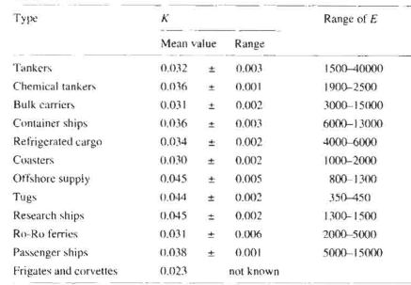

K | = | 0,032 ± 0,003 |  |  |  | K | = | 0.035 |  |  |  |  |  |  |  |  |  |  |  |  |  |  |  |  |  |  |  |  | K | = | 0,032 ± 0,003 |  |  |  | K | = | 0.035 |  |  |  |  |  |  |  | K | = | 0,032 ± 0,003 |  |  |  | K | = | 0.035
Wst | = | K x E1,36 |  |  |  |  |  |  |  |  |  |  |  |  |  |  |  |  |  |  |  |  |  |  |  |  |  |  | Wst | = | K x E1,36 |  |  |  |  |  |  |  |  |  |  |  |  |  | Wst | = | K x E1,36
 | = | 4031.1946798 |  | Ton |  |  |  |  |  |  |  |  |  |  |  |  |  |  |  |  |  |  |  |  |  |  |  |  |  | = | 4029.8651127 |  | Ton |  |  |  |  |  |  |  |  |  |  |  |  | = | 4029.8651127 |  | Ton

2. Berat Outfit dan Akomodasi (Woa) |  |  |  |  |  |  |  |  |  |  |  |  |  |  |  |  |  |  |  |  |  |  |  |  |  |  |  |  | 2. Berat Outfit dan Akomodasi (Woa) |  |  |  |  |  |  |  |  |  |  |  |  |  |  |  | 2. Berat Outfit dan Akomodasi (Woa)
WOA |  | = | 0,4 x Lpp x B |  |  |  | (Practical Ship Design Page. 100 DGM Watson) |  |  |  |  |  |  |  |  |  |  |  |  |  |  |  |  |  |  |  |  |  | WOA |  | = | 0,4 x Lpp x B |  |  |  | (Practical Ship Design Page. 100 DGM Watson) |  |  |  |  |  |  |  |  | WOA |  | = | 0,4 x Lpp x B |  |  |  | (Practical Ship Design Page. 100 DGM Watson)
 |  | = | 1298.76 |  | Ton |  |  |  |  |  |  |  |  |  |  |  |  |  |  |  |  |  |  |  |  |  |  |  |  |  | = | 0 |  | Ton |  |  |  |  |  |  |  |  |  |  |  |  | = | 0 |  | Ton

3. Berat Instalasi Permesinan (Wmt) |  |  |  |  |  |  |  |  |  |  |  |  |  |  |  |  |  |  |  |  |  |  |  |  |  |  |  |  | 3. Berat Instalasi Permesinan (Wmt) |  |  |  |  |  |  |  |  |  |  |  |  |  |  |  | 3. Berat Instalasi Permesinan (Wmt)
Wmt |  | = | 0,72 x MCR 0,78 |  |  |  | ,dimana BHP MCR = |  |  |  | 4480 |  | kW |  |  |  |  |  |  |  |  |  |  |  |  |  |  |  | Wmt |  | = | 0,72 x MCR 0,78 |  |  |  | ,dimana BHP MCR = |  |  |  | 3840 |  | kW |  |  | Wmt |  | = | 0,72 x MCR 0,78 |  |  |  | ,dimana BHP MCR = |  |  |  | 4060 |  | kW
 |  | = | 507.38 |  | Ton |  |  |  |  |  |  |  |  |  |  |  |  |  |  |  |  |  |  |  |  |  |  |  |  |  | = | 449.89 |  | Ton |  |  |  |  |  |  |  |  |  |  |  |  | = | 469.88 |  | Ton
4. Berat Cadangan (Wres) |  |  |  |  |  |  |  |  |  |  |  |  |  |  |  |  |  |  |  |  |  |  |  |  |  |  |  |  | 4. Berat Cadangan (Wres) |  |  |  |  |  |  |  |  |  |  |  |  |  |  |  | 4. Berat Cadangan (Wres)
Untuk menghindari kesalahan pada perencanaan akibat perkiraan yang kurang tepat dalam hal perhitungan serta hal-hal yang sebelumnya belum dimasukkan dalam perhitungan, maka perlu faktor penambahan berat (2 - 3) % LWT, diambil angka penambahan sebesar 3%. |  |  |  |  |  |  |  |  |  |  |  |  |  |  |  |  |  |  |  |  |  |  |  |  |  |  |  |  | Untuk menghindari kesalahan pada perencanaan akibat perkiraan yang kurang tepat dalam hal perhitungan serta hal-hal yang sebelumnya belum dimasukkan dalam perhitungan, maka perlu faktor penambahan berat (2 - 3) % LWT, diambil angka penambahan sebesar 3%. |  |  |  |  |  |  |  |  |  |  |  |  |  |  |  | Untuk menghindari kesalahan pada perencanaan akibat perkiraan yang kurang tepat dalam hal perhitungan serta hal-hal yang sebelumnya belum dimasukkan dalam perhitungan, maka perlu faktor penambahan berat (2 - 3) % LWT, diambil angka penambahan sebesar 3%.

WRes |  | = | 3% (Wst+WOA+Wmt) |  |  |  |  |  |  |  |  |  |  |  |  |  |  |  |  |  |  |  |  |  |  |  |  |  | WRes |  | = | 3% (Wst+WOA+Wmt) |  |  |  |  |  |  |  |  |  |  |  |  | WRes |  | = | 3% (Wst+WOA+Wmt)
 |  | = | 233.49 |  | Ton |  |  |  |  |  |  |  |  |  |  |  |  |  |  |  |  |  |  |  |  |  |  |  |  |  | = | 0.00 |  | Ton |  |  |  |  |  |  |  |  |  |  |  |  | = | 134.99 |  | Ton
Maka LWT : |  |  |  |  |  |  |  |  |  |  |  |  |  |  |  |  |  |  |  |  |  |  |  |  |  |  |  |  | Maka LWT : |  |  |  |  |  |  |  |  |  |  |  |  |  |  |  | Maka LWT :
LWT |  | = | Wst+Woa+Wmt+Wres |  |  |  |  |  |  |  |  |  |  |  |  |  |  |  |  |  |  |  |  |  |  |  |  |  | LWT |  | = | Wst+Woa+Wmt+Wres |  |  |  |  |  |  |  |  |  |  |  |  | LWT |  | = | Wst+Woa+Wmt+Wres
 |  | = | 6070.82 |  | Ton |  |  |  |  |  |  |  |  |  |  |  |  |  |  |  |  |  |  |  |  |  |  |  |  |  | = | 4479.76 |  | Ton |  |  |  |  |  |  |  |  |  |  |  |  | = | 4634.73 |  | Ton

Berat Air Ballast |  |  |  |  |  |  |  |  |  |  |  |  |  |  |  |  |  |  |  |  |  |  |  |  |  |  |  |  | Berat Air Ballast |  |  |  |  |  |  |  |  |  |  |  |  |  |  |  | Berat Air Ballast
Berat air Ballast diestimasikan 10-20% dari berat displacement kapal, pada desain ini diambil 20% dari berat displacement Kapal. |  |  |  |  |  |  |  |  |  |  |  |  |  |  |  |  |  |  |  |  |  |  |  |  |  |  |  |  | Berat air Ballast diestimasikan 10-20% dari berat displacement kapal, pada desain ini diambil 20% dari berat displacement Kapal. |  |  |  |  |  |  |  |  |  |  |  |  |  |  |  | Berat air Ballast diestimasikan 10-20% dari berat displacement kapal, pada desain ini diambil 20% dari berat displacement Kapal.

Δ | = | 24173.111883 |  | Ton |  |  |  |  |  |  |  |  |  |  |  |  |  |  |  |  |  |  |  |  |  |  |  |  | Δ | = | 24173.111883 |  | Ton |  |  |  |  |  |  |  |  |  |  |  | Δ | = | 24173.111883 |  | Ton

Wballast |  | = | 20% x Δ |  |  |  |  |  |  |  |  |  |  |  |  |  |  |  |  |  |  |  |  |  |  |  |  |  | Wballast |  | = | 20% x Δ |  |  |  |  |  |  |  |  |  |  |  |  | Wballast |  | = | 20% x Δ
 |  | = | 4834.62 |  | Ton |  |  |  |  |  |  |  |  |  |  |  |  |  |  |  |  |  |  |  |  |  |  |  |  |  | = | 4834.62 |  | Ton |  |  |  |  |  |  |  |  |  |  |  |  | = | 4834.62 |  | Ton

V(Wballast) |  |  | = | Wballast/ ρ air laut |  |  |  |  |  | ρ air laut |  | = | 1.025 |  | ton/m3 |  |  |  |  |  |  |  |  |  |  |  |  |  | V(Wballast) |  |  | = | Wballast/ ρ air laut |  |  |  |  |  | ρ air laut |  | = | 1.025 |  | ton/m3 | V(Wballast) |  |  | = | Wballast/ ρ air laut |  |  |  |  |  | ρ air laut |  | = | 1.025 |  | ton/m3
 |  |  | = | 4716.70 |  | m3 |  |  |  |  |  |  |  |  |  |  |  |  |  |  |  |  |  |  |  |  |  |  |  |  |  | = | 4716.70 |  | m3 |  |  |  |  |  |  |  |  |  |  |  |  | = | 4716.70 |  | m3

Koreksi c untuk penambahan volume air ballast karena konstruksi tangki pada double bottom dan pemanasan sebesar 4% V(Wballast) |  |  |  |  |  |  |  |  |  |  |  |  |  |  |  |  |  |  |  |  |  |  |  |  |  |  |  |  | Koreksi c untuk penambahan volume air ballast karena konstruksi tangki pada double bottom dan pemanasan sebesar 4% V(Wballast) |  |  |  |  |  |  |  |  |  |  |  |  |  |  |  | Koreksi c untuk penambahan volume air ballast karena konstruksi tangki pada double bottom dan pemanasan sebesar 4% V(Wballast)

V(Wballast) |  |  | = | V(Wballast) + (4% V(Wballast)) |  |  |  |  |  |  |  |  |  |  |  |  |  |  |  |  |  |  |  |  |  |  |  |  | V(Wballast) |  |  | = | V(Wballast) + (4% V(Wballast)) |  |  |  |  |  |  |  |  |  |  |  | V(Wballast) |  |  | = | V(Wballast) + (4% V(Wballast))
 |  |  | = | 4905.3729481 |  | m3 | = | 5028.0072718 | ton |  |  |  |  |  |  |  |  |  |  |  |  |  |  |  |  |  |  |  |  |  |  | = | 4905.3729481 |  | m3 | = | 5028.0072718 | ton |  |  |  |  |  |  |  |  |  | = | 4905.3729481 |  | m3 | = | 5028.0072718 | ton
Perhitungan DWT |  |  |  |  |  |  |  |  |  |  |  |  |  |  |  |  |  |  |  |  |  |  |  |  |  |  |  |  | Perhitungan DWT |  |  |  |  |  |  |  |  |  |  |  |  |  |  |  | Perhitungan DWT
DWT |  | = | Berat Displacement (Δ) - LWT |  |  |  |  |  |  |  |  |  |  |  |  |  |  |  |  |  |  |  |  |  |  |  |  |  | DWT |  | = | Berat Displacement (Δ) - LWT |  |  |  |  |  |  |  |  |  |  |  |  | DWT |  | = | Berat Displacement (Δ) - LWT
 |  | = | 18102.29 |  | Ton |  |  |  |  |  |  |  |  |  |  |  |  |  |  |  |  |  |  |  |  |  |  |  |  |  | = | 19693.35 |  | Ton |  |  |  |  |  |  |  |  |  |  |  |  | = | 19538.38 |  | Ton

Perhitungan Payload |  |  |  |  |  |  |  |  |  |  |  |  |  |  |  |  |  |  |  |  |  |  |  |  |  |  |  |  | Perhitungan Payload |  |  |  |  |  |  |  |  |  |  |  |  |  |  |  | Perhitungan Payload
Payload |  | = | DWT-Wt |  |  |  |  |  |  |  |  |  |  |  |  |  |  |  |  |  |  |  |  |  |  |  |  |  | Payload |  | = | DWT-Wt |  |  |  |  |  |  |  |  |  |  |  |  | Payload |  | = | DWT-Wt
 |  | = | 17316.42 |  | Ton |  | 18227.813385 |  |  |  |  |  |  |  |  |  |  |  |  |  |  |  |  |  |  |  |  |  |  |  | = | 19356.48 |  | Ton |  |  |  |  |  |  |  |  |  |  |  |  | = | 19169.71 |  | Ton

Perhitungan Sarat Air Kapal Tanpa Muatan (Sarat Kosong) |  |  |  |  |  |  |  |  |  |  |  |  |  |  |  |  |  |  |  |  |  |  |  |  |  |  |  |  | Perhitungan Sarat Air Kapal Tanpa Muatan (Sarat Kosong) |  |  |  |  |  |  |  |  |  |  |  |  |  |  |  | Perhitungan Sarat Air Kapal Tanpa Muatan
Wsarat kosong |  | = | ΔLWT+WT+Wballast |  |  |  |  |  |  |  |  |  |  |  |  |  |  |  |  |  |  |  |  |  |  |  |  |  | Wsarat kosong |  | = | ΔLWT+WT |  |  |  |  |  |  |  |  |  |  |  |  | Wsarat kosong |  | = | ΔLWT+WT
 |  | = | 11691.31 |  | Ton |  |  |  |  |  |  |  |  |  |  |  |  |  |  |  |  |  |  |  |  |  |  |  |  |  | = | 9651.25 |  |  | ton |  |  |  |  |  |  |  |  |  |  |  | = | 9838.03 |  |  | ton

Dari Perhitungan Kurva Bonjean saat Desain I maka didapatkan : |  |  |  |  |  |  |  |  |  |  |  |  |  |  |  |  |  |  |  |  |  |  |  |  |  |  |  |  | Dari Perhitungan Kurva Bonjean saat Desain I maka didapatkan : |  |  |  |  |  |  |  |  |  |  |  |  |  |  |  | Dari Perhitungan Kurva Bonjean saat Desain I maka didapatkan :
Sarat (WL) |  | Volume Disp (m3) |  |  | Berat Disp (ton) |  |  |  |  |  |  |  |  |  |  |  |  |  |  |  |  |  |  |  |  |  |  |  | Sarat |  | Volume Disp (m3) |  |  | Berat Disp |  |  |  |  |  |  |  |  |  |  | Sarat |  | Volume Disp (m3) |  |  | Berat Disp

0.5 |  | 1079.74 |  |  | 1106.73 |  |  |  |  |  |  |  |  |  |  |  |  |  |  |  |  |  |  |  |  |  |  |  | 0 |  | 0.00 |  |  | 0.00 |  |  |  |  |  |  |  |  |  |  | 0 |  | 0.00 |  |  | 0.00
1 |  | 2265.57 |  |  | 2322.21 |  |  |  |  |  |  |  |  |  |  |  |  |  |  |  |  |  |  |  |  |  |  |  | 0 |  | 0.00 |  |  | 0.00 |  |  |  |  |  |  |  |  |  |  | 0 |  | 0.00 |  |  | 0.00
2 |  | 4757.23 |  |  | 4876.16 |  |  |  | Δ | = | Volume Displacement x ρ |  |  |  |  |  |  |  |  |  |  |  |  |  |  |  |  |  | 0 |  | 0.00 |  |  | 0.00 |  |  |  | Δ | = | Volume Displacement x ρ |  |  |  |  | 0 |  | 0.00 |  |  | 0.00 |  |  |  | Δ | = | Volume Displacement x ρ
3 |  | 7312.29 |  |  | 7495.10 |  |  |  |  |  |  |  |  |  |  |  |  |  |  |  |  |  |  |  |  |  |  |  | 0 |  | 0.00 |  |  | 0.00 |  |  |  |  |  |  |  |  |  |  | 0 |  | 0.00 |  |  | 0.00
4 |  | 9893.22 |  |  | 10140.55 |  |  |  |  |  |  |  |  |  |  |  |  |  |  |  |  |  |  |  |  |  |  |  | 0 |  | 0.00 |  |  | 0.00 |  |  |  |  |  |  |  |  |  |  | 0 |  | 0.00 |  |  | 0.00
5 |  | 12496.11 |  |  | 12808.51 |  |  |  |  |  |  |  |  |  |  |  |  |  |  |  |  |  |  |  |  |  |  |  | 0 |  | 0.00 |  |  | 0.00 |  |  |  |  |  |  |  |  |  |  | 0 |  | 0.00 |  |  | 0.00
6 |  | 15127.53 |  |  | 15505.72 |  |  |  |  |  |  |  |  |  |  |  |  |  |  |  |  |  |  |  |  |  |  |  | 0 |  | 0.00 |  |  | 0.00 |  |  |  |  |  |  |  |  |  |  | 0 |  | 0.00 |  |  | 0.00
7 |  | 17801.09 |  |  | 18246.118902 |  |  |  |  |  |  |  |  |  |  |  |  |  |  |  |  |  |  |  |  |  |  |  | 0 |  | 0.00 |  |  | 0 |  |  |  |  |  |  |  |  |  |  | 0 |  | 0.00 |  |  | 0
8 |  | 20534.72 |  |  | 21048.091327 |  |  |  |  |  |  |  |  |  |  |  |  |  |  |  |  |  |  |  |  |  |  |  | 0 |  | 0.00 |  |  | 0 |  |  |  |  |  |  |  |  |  |  | 0 |  | 0.00 |  |  | 0
9.05 (T) |  | 23499.05 |  |  | 24086.527726 |  |  |  |  |  |  |  |  |  |  |  |  |  |  |  |  |  |  |  |  |  |  |  | 0 |  | 0.00 |  |  | 0 |  |  |  |  |  |  |  |  |  |  | 0 |  | 0.00 |  |  | 0

$$\frac{(Tx −x1)}{(x3−x1)}=\frac{(y2−y1)}{(y3−y1)}$$
$$\frac{(Tx −x1)}{(x3−x1)}=\frac{(y2−y1)}{(y3−y1)}$$
$$\frac{(Tx −x1)}{(x3−x1)}=\frac{(y2−y1)}{(y3−y1)}$$
Berat sarat kosong terdapat di antara Sarat 4 - 5 m, sehingga dilakukan interpolasi : |  |  |  |  |  |  |  |  |  |  |  |  |  |  |  |  |  |  |  |  |  |  |  |  |  |  |  |  | Berat sarat kosong terdapat di antara Sarat 4 - 5 m, sehingga dilakukan interpolasi : |  |  |  |  |  |  |  |  |  |  |  |  |  |  |  | Berat sarat kosong terdapat di antara Sarat 4 - 5 m, sehingga dilakukan interpolasi :
T(m) | Δ(Ton) |  |  |  |  |  |  |  |  |  |  |  |  |  |  |  |  |  |  |  |  |  |  |  |  |  |  |  | T(m) | Δ(Ton) |  |  |  |  |  |  |  |  |  |  |  |  |  |  | T(m) | Δ(Ton)
x | y |  |  |  |  |  |  |  |  |  |  |  |  |  |  |  |  |  |  |  |  |  |  |  |  |  |  |  | x | y |  |  |  |  |  |  |  |  |  |  |  |  |  |  | x | y
4 | 10140.55 |  |  |  |  |  |  |  |  |  |  |  |  |  |  |  |  |  |  |  |  |  |  |  |  |  |  |  | 0 | 0.00 |  |  |  |  |  |  |  |  |  |  |  |  |  |  | 0 | 0.00
Tx | 11691.31 |  |  |  | Tx | = | 4.581 | meter |  |  |  |  |  |  |  |  |  |  |  |  |  |  |  |  |  |  |  |  | Tx | 9651.25 |  |  |  | Tx | = | #DIV/0! | meter |  |  |  |  |  |  |  | Tx | 9838.03 |  |  |  | Tx | = | #DIV/0! | meter
5 | 12808.51 |  |  |  |  |  |  |  |  |  |  |  |  |  |  |  |  |  |  |  |  |  |  |  |  |  |  |  | 0 | 0.00 |  |  |  |  |  |  |  |  |  |  |  |  |  |  | 0 | 0.00

BHPmcr |  |  |  | = | 4480 |  | kW | = | 6091.0976 |  | HP |  |  |  |  | BHPmcr |  |  |  | = | 3920 |  | kW | = | 5329.7104 |  | HP |  | BHPmcr |  |  |  | = | 3920 |  | kW | = | 5329.7104 |  | HP |  |  |  |  | BHPmcr |  |  |  | = | 3920 |  | kW | = | 5329.7104 |  | HP
Speed |  |  |  | = | 14 |  | knot |  | = | 25.9200 |  | km/h |  |  |  | Speed |  |  |  | = | 14 |  | knot |  | = | 25.9200 |  | km/h | Speed |  |  |  | = | 14 |  | knot |  | = | 25.9200 |  | km/h |  |  |  | Speed |  |  |  | = | 14 |  | knot |  | = | 25.9200 |  | km/h
Jarak Pulang-Pergi |  |  |  | = | 3588 |  | nautical miles |  |  |  |  |  |  |  |  | Jarak Pulang-Pergi |  |  |  | = | 3588 |  | nautical miles |  |  |  |  |  | Jarak Pulang-Pergi |  |  |  | = | 3588 |  | nautical miles |  |  |  |  |  |  |  |  | Jarak Pulang-Pergi |  |  |  | = | 3588 |  | nautical miles
 |  |  |  | = | 6644.976548 |  | km |  |  |  |  |  |  |  |  |  |  |  |  | = | 6644.976548 |  | km |  |  |  |  |  |  |  |  |  | = | 6644.976548 |  | km |  |  |  |  |  |  |  |  |  |  |  |  | = | 6644.976548 |  | km

HOLTROP
Principle Dimension

Type of Ship |  |  |  |  |  | Product Oil Tanker | 0
LPP |  |  |  |  |  | 137 | m
LWL |  |  |  |  |  | 142.48 | m
B |  |  |  |  |  | 23.7 | m
H |  |  |  |  |  | 13.34 | m
T |  |  |  |  |  | 9.947 | m |  | Lpp(B+T)+ 0.85 Lpp(H-T)+0.85{(L1.h1)+0.75(L2.h2)}
Vs |  |  |  |  |  | 16 | knot
Cb |  |  |  |  |  | 0.68
Cm |  |  |  |  |  | 0.982
Cp |  |  |  |  |  | 0.69
Volume Displacement |  |  |  |  |  | 22401.139758 | m3 |  | 23583.523789
 |  |  |  |  |  |  |  |  |  | 22840.377793 |  | 439.23803448
Calculation of Ship Dimension

Using Data From Design 1

Cb |  |  |  |  |  | 0.68
Cm |  |  |  |  |  | 0.982 |  |  |  | B/T = | 2.382627928
Cp |  |  |  |  |  | 0.69
Am |  |  |  |  |  | 231.5005098
$$\frac{1}{2}(Lpp+Lwl)$$
L Displacement |  |  |  |  |  | 139.74 | m |  |  | 3.28084
 |  |  |  |  |  | 458.465 | ft
$$\frac{Vs}{\sqrt{L}.Disp}$$
Speed Length Ratio |  |  |  |  |  | 0.74725200257

$$Cm×B×T$$
$$Cb×Ldisp×B×T$$
$$V.disp×ρ air laut$$
Am |  |  |  |  |  | 231.5005098 | m² |  |  |  |  | 31%
Volume Displacement |  |  |  |  |  | 22401.139758 | m3
Displacement Weight |  |  |  |  |  | 22961.168252 | ton |  | lwt = | 5461.1682524
$$ρ×Lpp(\left(Cb×B\right)+\left(1,7×T\right))$$
Wetted Surface (S) |  |  |  |  |  | 4637.6620075 | m²
$$19{(Cb\frac{B}{L})}^{2}$$
Faktor Bentuk (K) |  |  |  |  |  | 0.24308620046

LCB |  |  |  |  |  | 2.15%
Assumptions

Sea Water Temp (Standart Indonesian Sea Temperature) |  |  |  |  |  | 25 | ⁰C
Viscosity Kinematics |  |  |  |  |  | 0.000000893
Density of sea water |  |  |  |  |  | 1.026 | ton/m3

Holtrop Limitation
Fn <= | 1
Cp = | 0.785
B/T = | 2.382627928
L/B = | 6.011814346

Froude Number

Requirements for Holtrop calculations are Success
Because There is no Froude Number that exceeds the value of 1
Speed | Vs |  | Froude Number
 | knot | m/s
Vs + 1 | 17 | 8.738 | 0.23384174828
Vs | 16 | 8.224 | 0.22008635133
Vs - 1 | 15 | 7.71 | 0.20633095437
Vs - 2 | 14 | 7.196 | 0.19257555741
Vs - 3 | 13 | 6.682 | 0.17882016045
Vs - 4 | 12 | 6.168 | 0.16506476349
Vs - 5 | 11 | 5.654 | 0.15130936654

Reynold Number
Calculation of Reynold Number
$$Rn=\frac{v×Lwl}{vk}$$

vk is Viscocity Kinematics = 0,000000893
Speed | Vs |  | Reynolds Number
 | knot | m/s
Vs + 1 | 17 | 8.738 | 1394166002.2
Vs | 16 | 8.224 | 1.31E+09
Vs - 1 | 15 | 7.71 | 1230146472.6
Vs - 2 | 14 | 7.196 | 1148136707.7
Vs - 3 | 13 | 6.682 | 1066126942.9
Vs - 4 | 12 | 6.168 | 984117178.05
Vs - 5 | 11 | 5.654 | 902107413.21

1. Calculation Form Factor (1+k1)

$$1+k_{1}=0,93+0,487118C_{14}{\left(\frac{B}{L}\right)}^{1,06806}{\left(\frac{T}{L}\right)}^{0,46106}{\left(\frac{L}{L_{R}}\right)}^{0,121563}{\left(\frac{L^{3}}{∇}\right)}^{0,36486}{(1−C_{p})}^{−0,604247}$$

a. Calculation of Lr
$$L_{R}=L(1−C_{p}+\frac{0,06C_{p}lcb}{4C_{p}−1})$$

LR = | 44.240857641

b. Calculation of C14
C Stern = | -8

C14 = | 1+0,011Cstern
= | 0.912

c. Calculation of Form Factor
$$1+k_{1}=0,93+\frac{0,487118C_{14}{(\frac{B}{L})}^{1,06806}{(\frac{T}{L})}^{0,46106}{(\frac{L}{L_{R}})}^{0,121563}{(\frac{L^{3}}{∇})}^{0,36486}}{{(1−C_{p}^{})}^{0,604247}}$$

1+k1 = | 1.1941774

2. Calculation of Wetted Surface Area

$$C_{WP}=0.248+0.778δ_{Lwl}$$
$$δ_{Lwl}=\frac{δ_{Ldispl×Ldispl}}{Lwl}$$
Cbwl = | (Lpp x Cb)/Lwl
= | 0.65384615385

$$S=L\left(2T+B\right)\sqrt{C_{M}}\left(0,453+0,4425C_{B}−0,2862C_{M}−0,003467\frac{B}{T}+0,3696C_{WP}\right)+2,38\frac{A_{BT}}{C_{B}}$$
Cwp = | 0,248+0,778 Cbwl |  | 0.068556667602
= | 0.75669230769
 |  |  |  |  |  | *ABT = 0 BecauseThis ship doesn’t have Bulbuos Bow

S = | 4581.0357197

3. Calculation of Additional Resistance (Rapp)

$$S_{app}=\left(\frac{2 Lwl T}{100}\right)×\left(1+25{\left(\frac{B}{Lwl}\right)}^{2}\right)$$
a. Additional Resistance for WSA

Sapp = | 47.952

b. Calculation For 1+K2
1+K2 for rudder behind the stern = |  | 1.5

$$Cf=\frac{0,075}{{(\log_{10}×Rn−2)}^{2}}$$
c. Additional Resistance Calculation
$$R_{APP}=0,5ρV^{2}S_{APP}(1+k_{2})C_{f}$$

Speed | V |  | Cf | Added Rapp
 | knot | m/s
Vs + 1 | 17 | 8.738 | 0.001469 | 4.13574029
Vs | 16 | 8.224 | 0.001480 | 3.6906452689
Vs - 1 | 15 | 7.71 | 0.001492 | 3.2694287709
Vs - 2 | 14 | 7.196 | 0.001505 | 2.8722616487
Vs - 3 | 13 | 6.682 | 0.001519 | 2.4993285951
Vs - 4 | 12 | 6.168 | 0.001534 | 2.15083039
Vs - 5 | 11 | 5.654 | 0.001550 | 1.8269867305

4. Calculation of Wave Resistance

a. Calculation of C7
C7 = | B/L
= | 0.16633913532

b. Calculation of iE

 |  |  | Sudut masuk | 25.5251

iE = | 12.76255

c. Calculation of C1
$$C_{1}=2223105×C_{7}^{3,78613}×{(\frac{T}{B})}^{1,07961}×{(90−i_{E})}^{−1,37565}$$

C1 = | 2.4744546034

d. Calculation of C3
No bulbuos bow
C3 = | 0

e. Calculation of C2
$$C2=EXP(−1,89×C_{3}^{0,5})$$
C2 = | 1

f. Calculation of C5
$$C_{5}=1−0,8A_{T}(BTC_{M})$$
Because the ship isn't Transom, so AT = 0
C5 = | 1

g. Calculation of C16
C16=$\left(8,07981×Cp\right)−\left(13,8673×{Cp}^{2}\right)+(6,984388×{Cp}^{3})$
C16 = | 1.2672816875

h. Calculation of M1
$$m1=\left(0,0140407×\frac{L}{T}\right)−1,75254×\frac{∇^{\frac{1}{3}}}{L}−4,79323×\frac{B}{L}−C16$$
 |  |  |  |  | m1 = | -2.2102057039

$$\frac{L^{3}}{∇}=$$
i. Calculation of C15
 | 129.11943107

C15 = | -1.69385
*For ship that 𝐿^3/∇ less than 512, C15 = -1,69385

j. Calculation of M2
$$M2=C15×Cp^{2}×EXP(−0,1Fn^{−2})$$

Speed | Vs |  | Froude Number | M2
 | knot | m/s
Vs + 4 | 20 | 10.28 | 0.27510793916 | -0.21515427582
Vs + 3 | 19 | 9.766 | 0.2613525422 | -0.18653400154
Vs + 2 | 18 | 9.252 | 0.24759714524 | -0.15781543971
Vs + 1 | 17 | 8.738 | 0.23384174828 | -0.12952519034
Vs | 16 | 8.224 | 0.22008635133 | -0.10232328168
Vs - 1 | 15 | 7.71 | 0.20633095437 | -0.076991554438
Vs - 2 | 14 | 7.196 | 0.19257555741 | -0.054388299418
Vs - 3 | 13 | 6.682 | 0.17882016045 | -0.035351824414
Vs - 4 | 12 | 6.168 | 0.16506476349 | -0.020540922282
Vs - 5 | 11 | 5.654 | 0.15130936654 | -0.010224382811

k. Calculation for λ
$$λ=1,446×Cp−\frac{0,03L}{B}$$

λ = | 0.81738556962

$$Rw=C1×C2×C5×∇×ρ×g×EXP×(M1Fn^{d}+M2Cos\left(λFn^{−2}\right))$$
l. Calculation for Wave Resistance
 |  |  |  |  | *d = -0,9

Speed | Vs |  | Rw (kN)
 | knot | m/s
Vs + 1 | 17 | 8.738 | 172.5086553
Vs | 16 | 8.224 | 103.38118603
Vs - 1 | 15 | 7.71 | 55.129018026
Vs - 2 | 14 | 7.196 | 34.82295887
Vs - 3 | 13 | 6.682 | 16.320775435
Vs - 4 | 12 | 6.168 | 7.722769046
Vs - 5 | 11 | 5.654 | 3.1287934679

5. Calculation of Ship Bulbuos Bow Resistance

This ship doesn’t have Bulbuos Bow so RB = 0

6. Calculation of Ship Transom Resistance

This ship stern is not Transom so RTR = 0

7. Calculation of Ship Corelation Resistance

a. Calculation of C4
Tf/L = | 0.41970464135
That means Tf/L > 0,04
so, C4 = | 0.04

b. Calculation of CA
$$C_{A}=0,006×({\left(L+100\right)}^{−0,16}−0,00205+0,003({\left(\frac{L}{7,5}\right)}^{0,5}×Cb^{4}×C2×(0,04−C4)$$

CA = | 0.00044231598336

c. Calculation of RA
$$R_{A}=\frac{1}{2}ρ{×V}^{2}×S×CA$$

Speed | Vs |  | RA
 | knot | m/s
Vs + 1 | 17 | 8.738 | 79.289241215
Vs | 16 | 8.224 | 70.235452425
Vs - 1 | 15 | 7.71 | 61.730378108
Vs - 2 | 14 | 7.196 | 53.774018263
Vs - 3 | 13 | 6.682 | 46.36637289
Vs - 4 | 12 | 6.168 | 39.507441989
Vs - 5 | 11 | 5.654 | 33.19722556

8. Calculation of Friction Coefficient (Cf) and Friction Resistance (Rf) ITTC 1957

$$Cf=\frac{0,075}{{(\log_{10}×Rn−2)}^{2}}$$
$$Rf=\frac{1}{2}×ρ×Cf×S×V^{2}$$

Speed | Vs |  | Cf | Rf
 | knot | m/s
Vs + 1 | 17 | 8.738 | 0.0014694003403 | 263.40363542
Vs | 16 | 8.224 | 0.0014802908662 | 235.05571271
Vs - 1 | 15 | 7.71 | 0.0014920180677 | 208.22860337
Vs - 2 | 14 | 7.196 | 0.0015047094498 | 182.93318911
Vs - 3 | 13 | 6.682 | 0.0015185229982 | 159.18123293
Vs - 4 | 12 | 6.168 | 0.001533657534 | 136.98552242
Vs - 5 | 11 | 5.654 | 0.0015503678115 | 116.36005

9. Calculation of Total Resistance

$$R_{T}=R_{F}\left(1+k1\right)+Rapp+Rw+RB+RTR+RA$$

Speed | Vs |  | Total Resistance (kN)
 | knot | m/s | Rt | Rtmargin |  | V (knot) | Rt (Guldhammer) | Rt (Holtrop) | Rt (Maxsurf)
Vs + 1 | 17 | 8.738 | 570.48429475 | 684.58115369 |  | 17 | 379.48 | 418.25 | 161.76 | 12
Vs | 16 | 8.224 | 458.00549416 | 549.606593 |  | 16 | 296.40 | 344.89 | 201.00 | 13
Vs - 1 | 15 | 7.71 | 368.79070874 | 442.54885049 |  | 15 | 235.29 | 285.32 | 240.24 | 14
Vs - 2 | 14 | 7.196 | 309.9239116 | 371.90869392 |  | 14 | 190.68 | 235.47 | 294.96 | 15
Vs - 3 | 13 | 6.682 | 255.27710142 | 306.3325217 |  | 13 | 148.80 | 193.55 | 356.28 | 16
Vs - 4 | 12 | 6.168 | 212.96605094 | 255.55926113 |  | 12 | 117.74 | 157.31 | 437.28 | 17
Vs - 5 | 11 | 5.654 | 177.10754308 | 212.52905169
RT COMPARISON
 | GULD |  | HOLTROP |  | MAXSURF
14 | 316.23065663 | 17 | 570.48429475 | 8 | 106.3
13 | 247.00127846 | 16 | 458.00549416 | 8.15 | 110.1
12 | 196.07539555 | 15 | 368.79070874 | 8.3 | 114
11 | 158.89741633 | 14 | 309.9239116 | 8.45 | 118
10 | 124.00193622 | 13 | 255.27710142 | 8.6 | 122.1
9 | 98.114984781 | 12 | 212.96605094 | 8.75 | 126.2
8 | 53.083988778 | 11 | 177.10754308 | 8.9 | 130.4
 |  |  |  | 9.05 | 134.8
 |  |  |  | 9.2 | 139.1
 |  |  |  | 9.35 | 143.6
 |  |  |  | 9.5 | 148.2
 |  |  |  | 9.65 | 152.9
 |  |  |  | 9.8 | 157.6
 |  |  |  | 9.95 | 162.5
 |  |  |  | 10.1 | 167.5
 |  |  |  | 10.25 | 172.6
 |  |  |  | 10.4 | 177.8
 |  |  |  | 10.55 | 183.2
 |  |  |  | 10.7 | 188.7
 |  |  |  | 10.85 | 194.4
 |  |  |  | 11 | 200.2
 |  |  |  | 11.15 | 206.1
 |  |  |  | 11.3 | 212.3
 |  |  |  | 11.45 | 218.6
 |  |  |  | 11.6 | 225.1
 |  |  |  | 11.75 | 231.8
 |  |  |  | 11.9 | 238.7
 |  |  |  | 12.05 | 245.8
 |  |  |  | 12.2 | 253.2
 |  |  |  | 12.35 | 260.8
 |  |  |  | 12.5 | 268.6
 |  |  |  | 12.65 | 276.8
 |  |  |  | 12.8 | 285.2
 |  |  |  | 12.95 | 293.9
 |  |  |  | 13 | 296.9
 |  |  |  | 13.1 | 302.9
 |  |  |  | 13.25 | 312.3
 |  |  |  | 13.4 | 322
 |  |  |  | 13.55 | 332
 |  |  |  | 13.7 | 342.4
 |  |  |  | 13.85 | 353.2
 |  |  |  | 14 | 364.4

DOC 4. ANCHOR
Anchor Plan, Anchor Chain, and Mooring System

 | SHIP DATA
 | Name : MV. Minyak
 | Type : Oil Tanker

 | LPP |  | = | 137 |  | m |  | Main Engine Power |  |  |  |  | = | 8400 | kW
 | LWL |  | = | 142.48 |  | m |  | Volume Disp |  |  |  |  | = | 22401.139758 | m3
 | Ldisp |  | = | 139.74 |  | m |  | Endurance |  |  |  |  | = | 11 | days
 | B |  | = | 23.7 |  | m |  | Displacement |  |  |  |  | = | 22961.168252 | ton
 | H |  | = | 13.34 |  | m |  | W. Total of Consumable |  |  |  |  | = | 746.56647343 | ton
 | T |  | = | 9.947 |  | m
 | Vs |  | = | 16 |  | Knot
 | Cb |  | = | 0.68
 | Cp |  | = | 0.69

A. Anchor Calculation

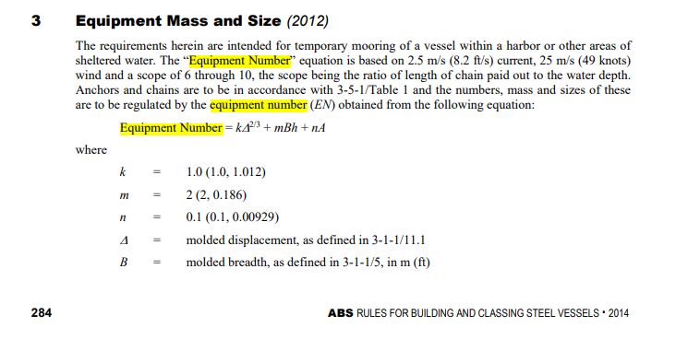
 | 1. Equipment Number

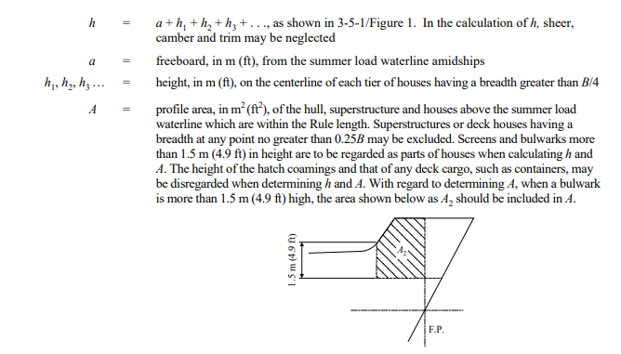

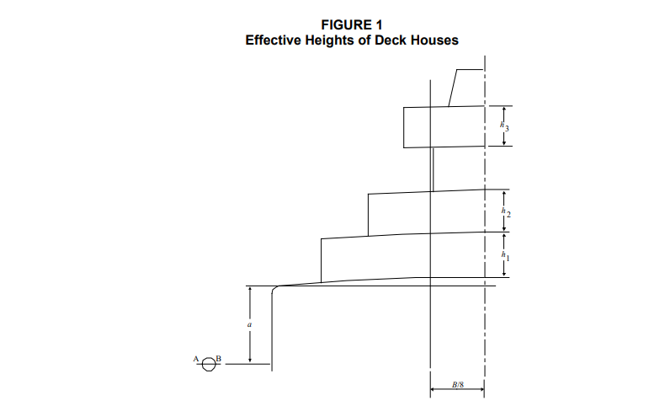

 |  | Deckhouse
 |  | Ss | = | 0.25 * B
 |  |  | = | 5.925

 |  | a | = | 3.393
 |  | h1 | = | 2.500
 |  |  | = | 30.000 | m^2
 |  | h2 | = | 2.500
 |  |  |  | 30.000
 |  | h3 | = | 2.500
 |  |  |  | 30.000
 |  | h4 | = | 2.500 | navigation deck
 |  |  |  | 30.000
 |  | B/8 | = | 2.9625

 |  | A1 | = | 70.1925 | m^2 | == | Area profile forecastle
 |  |  | = | 14.8125
 |  |  | =

 |  | Δ | = | 22961 | ton |  |  |  | K | = | 1
 |  | B | = | 23.7 | m |  |  |  | m | = | 2
 |  | H | = | 13.39 | m |  |  |  | n | = | 0.1
 |  | A | = | 183.823 |  | m2 | (based on measurement on autocad)
 |  | Eq. N | = | K * Δ2/3 + m * B * H + n * A
 |  |  | = | 1461.058
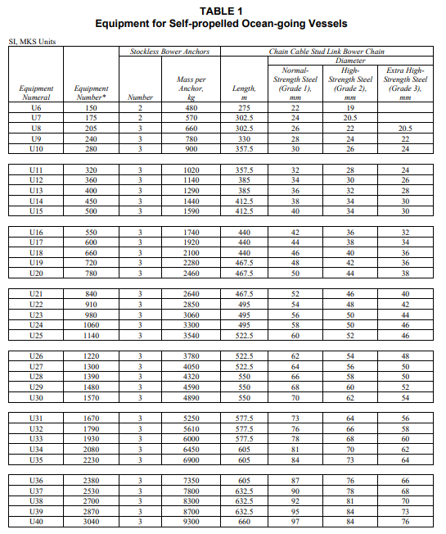

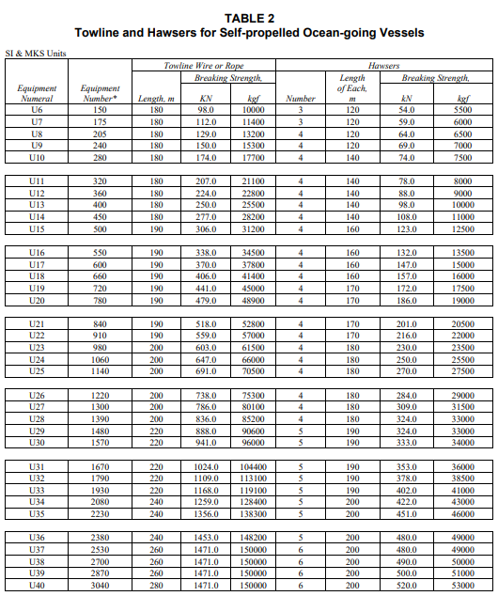

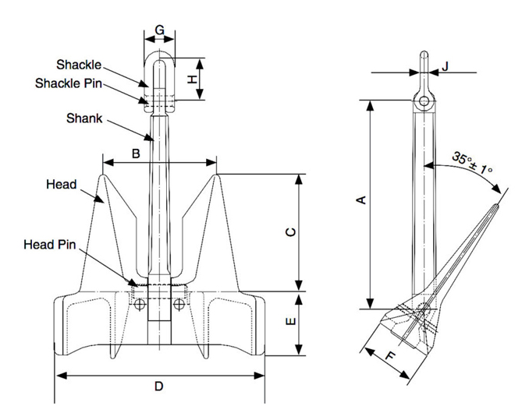
 |  |  |  |  |  |  |  |  |  |  |  |  |  |  |  |  | Sumber Anchor
 |  |  |  |  |  |  |  |  |  |  |  |  |  |  |  |  | https://www.ysmarines.com/products/detail/ac-14-high-holding-power-hhp-anchor.html#:~:text=AC%2D14%20High%20Holding%20Power(HHP)%20Anchor,-AC%2D14%20anchor&text=The%20lighter%20weight%20which%20is,ships%2C%20car%20carries%20and%20supertankers.

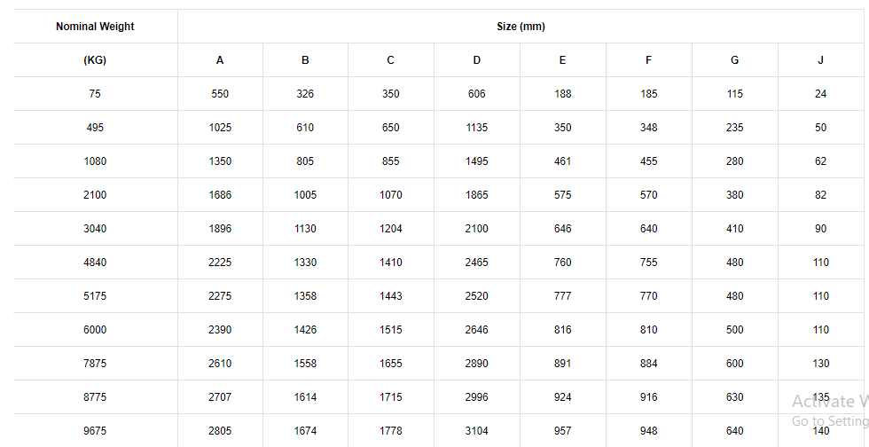

 | From the table above, the ship will use anchor, chain, and rope as following :
 | a. Anchor

 |  | Brand | = | YS Marines
 |  | Type | = | AC-14 Stockless HHP Anchor
 |  | Mass Req. | > | for HHP, min 75 % of recommended mass
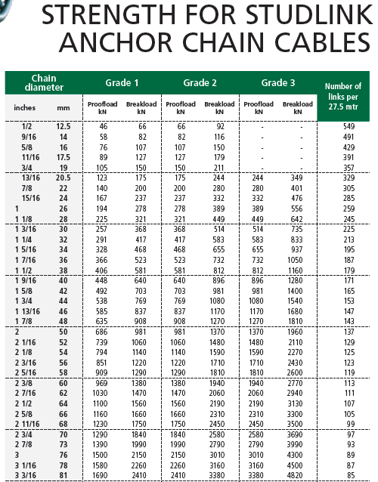
 |  |  | > | 3937.5 | kg

 |  | Mass | = | 5175 | kg
 |  | Amount | = | 2

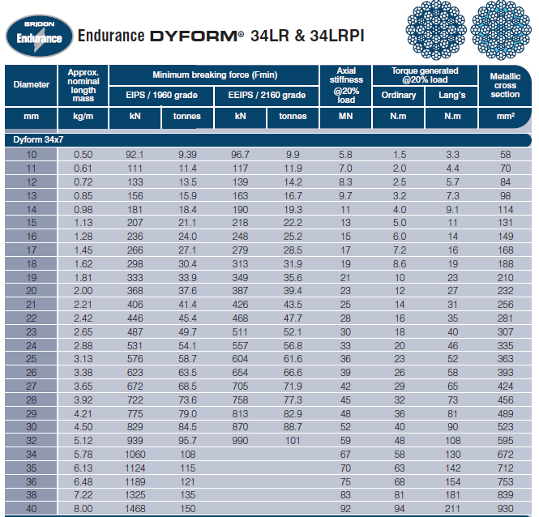
 | b. Chain
 |  | Length | = | 577.5 | m
 |  | Diameter | = | 73 | mm |  | (Grade 1)
 |  |  | = | 64 | mm |  | (Grade 2)
 |  |  | = | 56 | mm |  | (Grade 3)

 | c. Towline
 |  |  | L Min | = | 220 | m
 |  |  | Break Load | = | 1024 | kN

 | d. Hawser
 |  |  | Amount | = | 5
 |  |  | L min | = | 190 | m
 |  |  | Break Load | = | 384 | kN

 | 2. Chain Locker
 | Based on GL Hull i-1-1 Section 18: E. Chain Locker, the minimum required stowage capacity without mudbox for the two bow anchor chains is as follow :

 | a. Volume of chain locker
 |  | S | = | 1.1 * d2 * l / 105 |  |  |  | ( m3 )
 |  |  | Where :
 |  | d | = | Chain diameter |  |  |  | (mm)
 |  | l | = | Chain Length |  |  |  | (m)

 |  | S | = | 26.020 | m3

 | b. Minimum Base Area Calculation
 |  | Calulate minimum base area of chain locker and mud box :
 |  | Amin | = | 33 x dchain2
 |  |  | = | 4.461 | m2

 |  | In this design, the chain locker will have dimension of :
 |  | Length | = | 3 | m
 |  | Breadth | = | 3 | m
 |  | Height | = | 3 | m
 |  | Volume | = | 27 | m3

 | For two bow anchor, the total volume of chain lockers are :
 |  | Total Vol | = | 54 | m3
 | the bottom side there is addition for mud box with heigth of 700 mm and addition 300 mm for cement

 | And for mud box with 700 mm heigth is :
 |  | Volume | = | Min. Base Area * Mud Box Height
 |  |  | = | 3.1223808 | m3

 | 3. Windlass Pulling Force:
 | Pulling Force for one Anchor determined by the following data :
 | a. Anchor Weight (Ga)
 |  | Ga | = | 11385 | lb
 |  |  | = | 5175 | Kg
 | b. Chain block diameter(dc)
 |  | Taken | = | 64 | mm
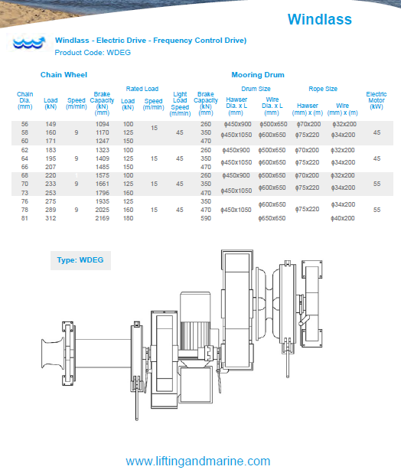
 | c. Windlass Pulling Force
 | (based on DNV GL - RU SHIP - Part 3 Chapter 11 Section 1: 6.3 Mechanical Design)

 |  | So, windlass pulling force :
 |  | Z | = | 37.5 * dc2
 |  |  | = | 153600 | N
 |  | Zmax | = | 230400 | N | (Z+50%)
 |  |  | = | 230.4 | kN

 | d. Windlass Selection
 | From the data, will be used LMS Product WDEG Windlass with specification table on attachment IX specification of equipments

 |  | Brand | = | MORDEC
 |  | Type | = | WDEG
 |  | Duty Pull | = | 195 | kN
 |  | Speed | = | 15 | m/minutes
 |  | E. Motor | = | 45 | kW
 |  | Weight | = | 2200 | kg

B. Steering Gear

 | 1. Steering Gear Equipment
 | a. rudder area :

 | Dimana :
 |  | C1 | = | factor for the ship type:
 |  |  | = | 1.0 in generals
 |  |  | = | 0.9 for bulk carriers and tankers having a displacement of more than 50 000 ton

 |  |  | = | 1.7 for tugs and trawlers

 |  | C2 | = | factor for the rudder type
 |  |  | = | 1.0 in general
 |  |  | = | 0.9 for semi-spade rudders
 |  |  | = | 0.7 for high lift rudders

 |  | C3 | = | factor for the rudder profile :
 |  |  | = | 1.0 for NACA-profiles and plate rudder
 |  |  | = | 0.8 for hollow profiles and mix profiles

 |  | C4 | = | factor for the rudder arrangement
 |  |  |  | 1.0 for rudders in the propeller jet
 |  |  |  | 1.5 for rudders outside the propeller jet

 | Choosen Value
 |  | C1 | = | 1
 |  | C2 | = | 1
 |  | C3 | = | 1
 |  | C4 | = | 1

 |  | A | = | C1C2C3C4 (1.75 * L * T /100)
 |  |  | = | 1*1*1*1 |  | (1.75* | 137 |  | * | 9.9 | / | 100)
 |  |  | = | 24.80 |  | m2

 | b. Dimension of Rudder
 | (based on ABS Rules Part 3 Chapter 2 section 14)

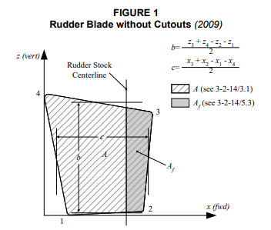
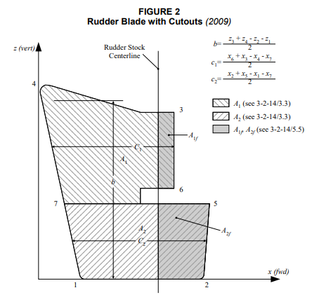

 |  |  |  |  |  |  |  |  |  |  |  |  |  |  |  | 23.85

 | Based Van Lamerens "Resistance, propulsion and steering of the ship" for leaf rudder on vessels with a single propeller has an area in front of the steering axis of the shaft leaves (balansir) less than 23% of A.

 |  | Af | = | 0.20 * | 24.80
 |  |  | = | 4.96 | m2

 |  | A | = | 19.84 | m2

 |  | b | = | 6.741 | m

 |  | c | = | 4.0703 | m

 |  | Rudder Area (on Autocad) |  |  |  |  | = | 23.85 |  | m2

 | c. Determine Force Acting on Rudder
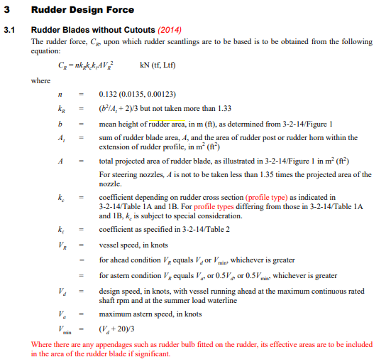

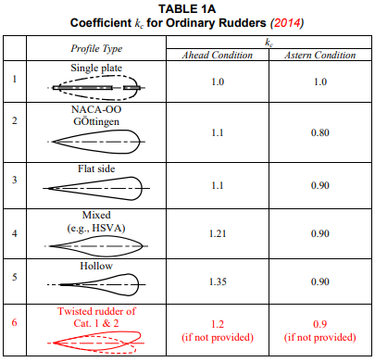

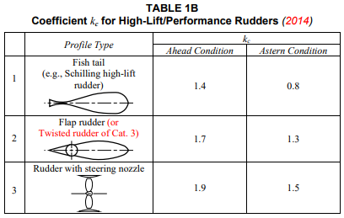

 | So, based on the description above, the value of each variable is
 |  | kR | = | (b^2/At+2)/3 |  |  |  | n | = | 0.132
 |  |  | = | 1.3017621384
 |  | kc | = | 1.1
 |  | kl | = | 1.15
 |  | Vs2 | = | (13)2
 |  |  | = | 256

 |  | So, the Cr Value is
 |  | CR | = | 0.132 x A x (Vs)2 x kr x kc x kl
 |  |  | = | 1327 |  | kN

 | d. Determine Torque Acting on Rudder
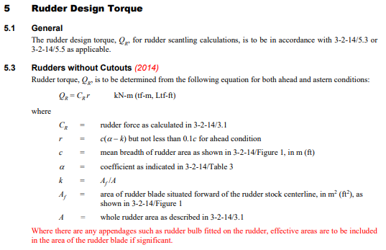



 |  | r | = | c x (α - k)
 |  | c | = | 4.0703 | m
 |  | α | = | 0.33 | ahead condition
 |  |  | = | 0.66 | astern condition (general)
 |  | k | = | Af/A
 |  | Af | = | 4.96 | m2
 |  | A | = | 19.84 | m2
 |  | k | = | 0.25
 |  | r | = | 0.33
 |  | Cr | = | 1380.1304284 | N
 |  | QR | = | 449.4036 | Nm

 | e. Diameter rudder stock





 | Material used is S40C with strength of 550 N/mm2
 |  | Kr | = | (235/400) ^ 0.75 |  |  |  |  |  | N | = | 42
 |  |  | = | 0.83264514799


 | So the diameter of rudder stock is
 |  | S | = | 42 x (QR x k)^1/3
 |  | S | = | 302.655 |  | mm
 |  | Taken | = | 300 |  | mm
 |  |  |  | 0.3 |  | m

 | g. Steering Gear Selection
 |  |  | Brand | = | Rolls Royce
 |  |  | Type | = | SR 723
 |  |  | Max Torque | = | 275 | kNm
 |  |  | Rudder Angle | = | 2 X 72 | degree
 |  |  | Length | = | 1610 |  | mm
 |  |  | Width | = | 1470 |  | mm
 |  |  | Height | = | 875 |  | mm
 |  |  | E. Motor | = | 2 x 12.2 KWh

C. Calculation of Construction and Machineries

 | 1. Ship Steel Weight (construction weight)
 |  | Wst | = | K x E1.36 |  |  | k = | 0.035 |  | (estimated)
 |  |  | = | 3843.12699 | Ton |  | (from Doc 3)
 | 2. Outfit and Accomodation
 |  | WOA | = | 0.4 x Lpp x B
 |  |  | = | 1298.76 | Ton |  | (from Doc 2)
 | 3. Engine Installation Weight
 |  | Wmt | = | 0.72 x MCR 0.78
 |  |  | = | 828.45770146 | Ton |  | (from Doc 2)
 | 4. Reserved Weight (WRes)
 |  | Wres | = | 3%(Wst+WOA+Wmt)
 |  |  | = | 149.25861729 | Ton
 | 5. Total LWT
 |  | LWT | = | Wst+Woa+Wmt+Wres
 |  |  | = | 6119.6033088 | Ton

D. Crane Selection

 | 1. Provision & Spare Part Crane
 |  | Crew | = | 20 | Person
 |  | Endurance | = | 11 | Days
 |  | Provision | = | 25 | kg | /Person
 |  | Food | = | 500.00 | kg
 |  |  | = | 0.50 | Ton
 | The Safety Weight Load is considering the heaviest item that will be lifted. Assuming the crane will lift all Provision together. Also Assume that the heaviest item that will be lifted from the engine is the cylinder head, which is under 1 ton

 | So, crane with 1 Ton SWL is will be enough

 | Crane Selected :
 |  |  | Brand | = | MORDEC
 |  |  | Type | = | HPC-01-08
 |  |  | SWL | = | 1 | Ton
 |  |  | Radius | = | max 8 m and min 1.8 m
 |  |  | Hoist Speed | = | 10 |  | m/minutes
 |  |  | Slewing Sp. | = | 0.5 |  | rpm
 |  |  | E. Motor | = | 7.5 |  | kW
 |  |  | Weight | = | 3150 |  | kg

 | 2. Hose Handling Crane
 | Crane for hose handling, provision and another spareparts
 | Crane Seletcted :
 |  |  | Brand | = | MORDEC
 |  |  | Type | = | HPC-02-18
 |  |  | SWL | = | 2 | Ton
 |  |  | Radius | = | max 18 m and min 3.6 m
 |  |  | Hoist Speed | = | 10 |  | m/minutes
 |  |  | E. Motor | = | 15 |  | kW
 |  |  | Weight | = | 6750 |  | kg

 |  |  |  |  | 16.6247
 |  |  |  |  | 82.0769
 |  |  |  |  | 0.20255029125

DOC 5
LOADING- UNLOADING SYSTEM BASED ON CARGO AND HATCH COVER

 | SHIP DATA
 | Name : MV. Minyak
 | Type : Oil Tanker

 | LPP |  | = | 139.85 |  | m |  | Main Engine Power |  |  |  |  | = | 4480 | kW
 | LWL |  | = | 145.444 |  | m |  | Volume Disp |  |  |  |  | = | 23583.523789 | m3
 | Ldisp |  | = | 142.647 |  | m |  | Endurance |  |  |  |  | = | 11 | days
 | B |  | = | 23.535 |  | m |  | Displacement |  |  |  |  | = | 24173.111883 | ton
 | H |  | = | 12.354 |  | m |  | W. Total of Consumable |  |  |  |  | = | 746.56647343 | ton
 | T |  | = | 9.0537 |  | m
 | Vs |  | = | 13 |  | Knot
 | Cb |  | = | 0.7759
 | Cp |  | = | 0.785

A. CARGO OIL SYSTEM

 | 1. Cargo Oil Main Pump Capacity
 | Estimated Time for Loading/Unloading : |  |  |  |  |  |  |  | 12 | hours
 |  | Q | = | Vcargo
 |  |  |  | t
 |  |  | = | 1451.4051625 | m3/hour
 |  |  | = | 0.4031681007 | m3/s

 | 2. Diameter of Cargo Oil Main Pipe
 |  | Flow rate of water |  |  |  | = | 3 |  | m/s
 |  | Q | = | Av
 |  | A | = | Q/v
 |  | D | = | √((4Q)/(vπ))
 |  | D | = | 0.41375916392 | m
 |  |  | = | 413.75916392 | mm
 |  |  | = | 16.28973966 | inch
 |  | take D | = | 17 | inch | (based on table)


 |  | stainless steel pipe ASME B36.19M-1985
 |  | Nominal Pipe Size |  |  |  | : | 20 | inch
 |  | Outside Diameter |  |  |  | : | 506 | mm
 |  | Inside Diameter |  |  |  | : | 500 | mm
 |  | Thickness |  |  |  | : | 4.78 | mm
 |  | Material |  |  |  | : | Stainless Steel
 |  | Standard |  |  |  | : | ASME B36.19M-1985

 | 3. Head of Cargo Oil Pump
 |  | H | = | Hs + Hp + Hv + Total Headloss
 |  | Hs | = | from suction well to shore connection
 |  | Hs | = | Z2-Z1 |  |  |  |  | Z2: | Discharge |  | = | 12.35
 |  |  | = | 11 | m |  |  |  | Z1: | Suction |  | = | 1.35

 |  | Hp | = | Pdischarge-Psuction
 |  |  |  | ρg
 |  |  | = | 0 | (pressure at discharge and suction are same)

 |  | Hv | = | (vdischarge2-vsuction2)
 |  |  |  | 2g
 |  |  | = | 0 | (flow rate ate discharge and suction are same)

 |  | Total Headloss
 |  | Suction Side
 |  |  | Headloss Major |  |  |  |  |  | Viscosity Crude Oil of 22,3 API at
 |  |  | Rn | = | D*v |  |  |  | 40oC | is | 2.2349E-06 |  |  | m2/s
 |  |  |  |  | Viscosity |  |  |  |  |  | 2.2349 |  |  | cs
 |  |  | Rn | = | 555406.27848 |  | Turbulent |  | Rn>3500


 |  |  | Material coefficient. |  |  |  |  |  |  | Carbon steel, so the material
 |  |  |  |  |  |  |  |  |  | coefficient is |  |  | = | 0.015

 |  |  | Relative Roughness |  |  |  | = | 0.000030000
 |  |  | After getting the relative roughness and reynolds number, we can get the
 |  |  | friction losses (f) by seeing the moody diagram.

 |  |  | Friction losses (f)
 |  |  | f | = | 0.013727143688

 |  |  | Headloss Major
 |  |  | Hlmajor |  | = | f*L*v2/(D*2g)
 |  |  | where:
 |  |  |  | L: | Suction side length |  |  |  | = | 210 | m
 |  |  |  | V: | flow rate |  |  |  | = | 3 | m/s
 |  |  | Hlmajor |  | = | 3.1991771326 |  | m

 |  |  | Headloss Minor
 |  |  | Accesories
 |  |  | No | Type |  |  | n | k | n*k
 |  |  | 1 | Globe Valve |  |  | 12 | 0.17 | 2.04
 |  |  | 2 | Elbow 90 |  |  | 8 | 0.9 | 7.2
 |  |  | 3 | Strainer |  |  | 1 | 0.58 | 0.58
 |  |  | 4 | T Joint |  |  | 8 | 1 | 8
 |  |  |  |  |  |  |  | Σn*k | 17.82

 |  |  | Hlminor |  | = | (Σn*k)*v2/2g
 |  |  |  |  | = | 8.1826530612 |  | m

 |  |  |  | Total Headloss | = | 11.381830194 |  | m

 |  | Discharge Side
 |  |  | Headloss Major |  |  |  |  |  | Viscosity Crude Oil of 22,3 API at
 |  |  | Rn | = | D*v |  |  |  | 40oC | is | 0.00022349
 |  |  |  |  | Viscosity
 |  |  | Rn | = | 555406.27848 |  | Turbulent |  | Rn>2300

 |  |  | Friction losses (f)
 |  |  | f | = | 0.013727143688

 |  |  | Headloss Major
 |  |  | Hlmajor |  | = | f*L*v2/(D*2g)
 |  |  | where:
 |  |  |  | L: | Discharge Length |  |  |  | = | 95 | m
 |  |  |  | V: | flow rate |  |  |  | = | 3 | m/s
 |  |  | Hlmajor |  | = | 1.4472467981 |  | m

 |  |  | Headloss Minor
 |  |  | Accesories
 |  |  | No | Type |  |  | n | k | n*k
 |  |  | 1 | Globe Valve |  |  | 6 | 0.17 | 1.02
 |  |  | 2 | Elbow 90 |  |  | 4 | 0.9 | 3.6
 |  |  | 3 | Strainer |  |  | 0 | 0.58 | 0
 |  |  | 4 | T Joint |  |  | 4 | 1 | 4
 |  |  |  |  |  |  |  | Σn*k | 8.62

 |  |  | Hlminor |  | = | (Σn*k)*v2/2g
 |  |  |  |  | = | 3.9581632653 |  | m

 |  |  |  | Total Headloss | = | 5.4054100634 |  | m

 | Total System Head |  |  |  | = | 27.787240257 |  | m

 | 4. Cargo Oil Stripping Pump Capacity
 | Estimated Time for Loading/Unloading : |  |  |  |  |  |  |  | 2 | hours
 |  | Q | = | 2%*Vcargo
 |  |  |  | t
 |  |  | = | 174.1686195 | m3/hour
 |  |  | = | 0.048380172084 | m3/s

 | 5. Diameter of Cargo Oil Main Pipe
 |  | Flow rate of water |  |  |  | = | 3 |  | m/s
 |  | Q | = | Av
 |  | A | = | Q/v
 |  | D | = | √((4Q)/(vπ))
 |  | D | = | 0.1433303788 | m
 |  |  | = | 143.3303788 | mm
 |  |  | = | 5.6429313465 | inch
 |  | take D | = | 6 | inch | (based on table)

 |  | stainless steel pipe ASME B36.19M-1985
 |  | Nominal Pipe Size |  |  |  | : | 6 | inch
 |  | Outside Diameter |  |  |  | : | 168.3 | mm
 |  | Inside Diameter |  |  |  | : | 150 | mm
 |  | Thickness |  |  |  | : | 3.4 | mm
 |  | Material |  |  |  | : | Stainless Steel
 |  | Standard |  |  |  | : | ASME B36.19M-1985

 | 6. Head of Cargo Oil Pump
 |  | H | = | Hs + Hp + Hv + Total Headloss
 |  | Hs | = | from suction well to shore connection
 |  | Hs | = | Z2-Z1 |  |  |  |  | Z2: | Discharge |  | = | 12.35
 |  |  | = | 11.02 | m |  |  |  | Z1: | Suction |  | = | 1.33

 |  | Hp | = | Pdischarge-Psuction
 |  |  |  | ρg
 |  |  | = | 0 | (pressure at discharge and suction are same)

 |  | Hv | = | (vdischarge2-vsuction2)
 |  |  |  | 2g
 |  |  | = | 0 | (flow rate ate discharge and suction are same)

 |  | Total Headloss
 |  | Suction Side
 |  |  | Headloss Major |  |  |  |  |  | Viscosity Crude Oil of 22,3 API at
 |  |  | Rn | = | D*v |  |  |  | 40oC | is | 2.2349E-06 |  |  | m2/s
 |  |  |  |  | Viscosity |  |  |  |  |  | 2.2349 |  |  | cs
 |  |  | Rn | = | 192398.37863 |  | Turbulent |  | Rn>35000

 |  |  | Material coefficient. |  |  |  |  |  |  | Carbon steel, so the material
 |  |  |  |  |  |  |  |  |  | coefficient is |  |  | = | 0.015

 |  |  | Relative Roughness |  |  |  | = | 0.000100000
 |  |  | After getting the relative roughness and reynolds number, we can get the
 |  |  | friction losses (f) by seeing the moody diagram.

 |  |  | Friction losses (f)
 |  |  | f | = | 0.016214995183

 |  |  | Headloss Major
 |  |  | Hlmajor |  | = | f*L*v2/(D*2g)
 |  |  | where:
 |  |  |  | L: | Suction side length |  |  |  | = | 210 | m
 |  |  |  | V: | flow rate |  |  |  | = | 3 | m/s
 |  |  | Hlmajor |  | = | 10.908984085 |  | m

 |  |  | Headloss Minor
 |  |  | Accesories
 |  |  | No | Type |  |  | n | k | n*k
 |  |  | 1 | Globe Valve |  |  | 12 | 0.17 | 2.04
 |  |  | 2 | Elbow 90 |  |  | 8 | 0.9 | 7.2
 |  |  | 3 | Strainer |  |  | 1 | 0.58 | 0.58
 |  |  | 4 | T Joint |  |  | 8 | 1 | 8
 |  |  |  |  |  |  |  | Σn*k | 17.82

 |  |  | Hlminor |  | = | (Σn*k)*v2/2g
 |  |  |  |  | = | 8.1826530612 |  | m

 |  |  |  | Total Headloss | = | 19.091637146 |  | m

 | Total System Head |  |  |  | = | 30.111637146 |  | m

